TBP _multivariate
Reported by Tex Li-Hsing Chi. tex@gate.sinica.edu.tw 2019-08-15

Table 2. The clinicopathological features of HNSCC cohort and TBP expression. (Chi square test)
Cutoff at -0.079 (50.0%)
 |  | TBP expression |  | TBP expression |  | (Optimised)
 | Features | Low | (%) | High | (%) | Case no | P-value | Remark | Matthews
Gender | Female | 156 | 37.6 | 150 | 36.1 | 415 | 0.5222 | 0 | 0
2 | Male | 51 | 12.3 | 58 | 14
Age at diagnosis | <=65y | 128 | 30.8 | 146 | 35.2 | 415 | 0.0904 | 0 | 0
4 | >65y | 79 | 19 | 62 | 14.9
Clinical T Status | T1+T2 | 71 | 17.1 | 78 | 18.8 | 415 | 0.5638 | 0 | 0
6 | T3+T4 | 136 | 32.8 | 130 | 31.3
Clinical N Status | N0 | 117 | 28.2 | 99 | 23.9 | 415 | 0.0852 | 1 | 0
8 | N1-3 | 90 | 21.7 | 109 | 26.3
Clinical M Status | M0 | 206 | 49.6 | 206 | 49.6 | 415 | 1 | 0 | 0
10 | M1 | 1 | 0.2 | 2 | 0.5
Clinical Stage | Stage I+II | 53 | 12.8 | 49 | 11.8 | 415 | 0.7113 | 0 | 0
12 | Stage III+IV | 154 | 37.1 | 159 | 38.3
Surgical Margin status | Negative | 163 | 39.3 | 155 | 37.3 | 415 | 0.3537 | 0 | 0
14 | Positive | 44 | 10.6 | 53 | 12.8
Tobacco Exposure | Low | 84 | 20.2 | 77 | 18.6 | 415 | 0.4816 | 0 | 0
16 | High | 123 | 29.6 | 131 | 31.6

Table 3. Univariate/Multivariate Cox's proportional hazards regression analyses on OS time of TBP gene expression in HNSCC

 |  | Univariate |  |  |  | Multivariate
 | Features | HR | CI95%(L) | CI95%(H) | P-value | HR | CI95%(L) | CI95%(H) | P-value
1 | Female | 1 |  |  |  | 1
Gender | Male | 1.157 | 0.843 | 1.587 | 0.367 | 1.2 | 0.859 | 1.677 | 0.284
11 | <=65y | 1 |  |  |  | 1
Age at diagnosis | >65y | 1.329 | 0.99 | 1.784 | 0.058 | 1.392 | 1.024 | 1.892 | 0.035
12 | T1+T2 | 1 |  |  |  | 1
Clinical T Status | T3+T4 | 1.409 | 1.028 | 1.931 | 0.033 | 2.226 | 1.175 | 4.217 | 0.014
13 | N0 | 1 |  |  |  | 1
Clinical N Status | N1-3 | 1.185 | 0.89 | 1.577 | 0.246 | 1.234 | 0.865 | 1.762 | 0.246
14 | M0 | 1 |  |  |  | 1
Clinical M Status | M1 | 4.097 | 1.009 | 16.644 | 0.049 | 9.327 | 2.034 | 42.781 | 0.004
15 | Stage I+II | 1 |  |  |  | 1
Clinical Stage | Stage III+IV | 1.245 | 0.882 | 1.759 | 0.213 | 0.501 | 0.233 | 1.076 | 0.076
16 | Negative | 1 |  |  |  | 1
Surgical Margin status | Positive | 1.591 | 1.155 | 2.191 | 0.004 | 1.682 | 1.216 | 2.327 | 0.002
17 | Low | 1 |  |  |  | 1
Tobacco Exposure | High | 1.364 | 1.008 | 1.844 | 0.044 | 1.448 | 1.05 | 1.996 | 0.024
18 | Low | 1 |  |  |  | 1
RNAseq(z-score) | High | 1.042 | 0.783 | 1.388 | 0.777 | 1.07 | 0.801 | 1.43 | 0.645

Table 4. Univariate/Multivariate Cox's proportional hazards regression analyses on RFS time of TBP gene expression in HNSCC

 |  | Univariate |  |  |  | Multivariate
 | Features | HR | CI95%(L) | CI95%(H) | P-value | HR | CI95%(L) | CI95%(H) | P-value
1 | Female | 1 |  |  |  | 1
Gender | Male | 1.157 | 0.843 | 1.587 | 0.367 | 1.2 | 0.859 | 1.677 | 0.284
11 | <=65y | 1 |  |  |  | 1
Age at diagnosis | >65y | 1.329 | 0.99 | 1.784 | 0.058 | 1.392 | 1.024 | 1.892 | 0.035
12 | T1+T2 | 1 |  |  |  | 1
Clinical T Status | T3+T4 | 1.409 | 1.028 | 1.931 | 0.033 | 2.226 | 1.175 | 4.217 | 0.014
13 | N0 | 1 |  |  |  | 1
Clinical N Status | N1-3 | 1.185 | 0.89 | 1.577 | 0.246 | 1.234 | 0.865 | 1.762 | 0.246
14 | M0 | 1 |  |  |  | 1
Clinical M Status | M1 | 4.097 | 1.009 | 16.644 | 0.049 | 9.327 | 2.034 | 42.781 | 0.004
15 | Stage I+II | 1 |  |  |  | 1
Clinical Stage | Stage III+IV | 1.245 | 0.882 | 1.759 | 0.213 | 0.501 | 0.233 | 1.076 | 0.076
16 | Negative | 1 |  |  |  | 1
Surgical Margin status | Positive | 1.591 | 1.155 | 2.191 | 0.004 | 1.682 | 1.216 | 2.327 | 0.002
17 | Low | 1 |  |  |  | 1
Tobacco Exposure | High | 1.364 | 1.008 | 1.844 | 0.044 | 1.448 | 1.05 | 1.996 | 0.024
18 | Low | 1 |  |  |  | 1
RNAseq(z-score) | High | 1.042 | 0.783 | 1.388 | 0.777 | 1.07 | 0.801 | 1.43 | 0.645

Kaplan-Meier survival estimate: Cutoff at -0.079 (50.0%)



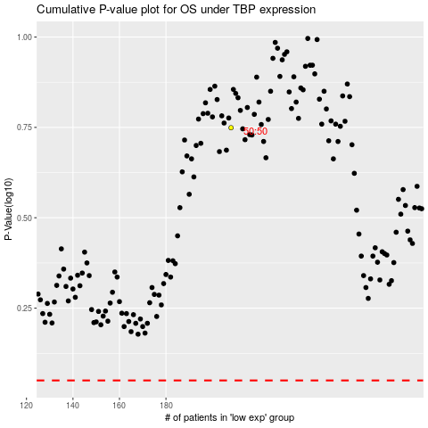

 |  |  |  |  |  | cases_OS | p_OS | rank | exp
 |  |  |  |  |  |  | cases_RFS | p_RFS | rank | exp

