TBPL1 _multivariate
Reported by Tex Li-Hsing Chi. tex@gate.sinica.edu.tw 2019-08-15

Table 2. The clinicopathological features of HNSCC cohort and TBPL1 expression. (Chi square test)
Cutoff at -0.42 (30.4%)
 |  | TBPL1 expression |  | TBPL1 expression |  | (Optimised)
 | Features | Low | (%) | High | (%) | Case no | P-value | Remark | Matthews
Gender | Female | 88 | 21.2 | 218 | 52.5 | 415 | 0.2851 | 0 | 0
2 | Male | 38 | 9.2 | 71 | 17.1
Age at diagnosis | <=65y | 78 | 18.8 | 196 | 47.2 | 415 | 0.2904 | 0 | 0
4 | >65y | 48 | 11.6 | 93 | 22.4
Clinical T Status | T1+T2 | 50 | 12 | 99 | 23.9 | 415 | 0.343 | 0 | 0
6 | T3+T4 | 76 | 18.3 | 190 | 45.8
Clinical N Status | N0 | 73 | 17.6 | 143 | 34.5 | 415 | 0.1393 | 0 | 0
8 | N1-3 | 53 | 12.8 | 146 | 35.2
Clinical M Status | M0 | 126 | 30.4 | 286 | 68.9 | 415 | 0.5566 | 0 | 0
10 | M1 | 0 | 0 | 3 | 0.7
Clinical Stage | Stage I+II | 37 | 8.9 | 65 | 15.7 | 415 | 0.1702 | 0 | 0
12 | Stage III+IV | 89 | 21.4 | 224 | 54
Surgical Margin status | Negative | 100 | 24.1 | 218 | 52.5 | 415 | 0.4495 | 0 | 0
14 | Positive | 26 | 6.3 | 71 | 17.1
Tobacco Exposure | Low | 60 | 14.5 | 101 | 24.3 | 415 | 0.0162 | 1 | 0
16 | High | 66 | 15.9 | 188 | 45.3

Table 3. Univariate/Multivariate Cox's proportional hazards regression analyses on OS time of TBPL1 gene expression in HNSCC

 |  | Univariate |  |  |  | Multivariate
 | Features | HR | CI95%(L) | CI95%(H) | P-value | HR | CI95%(L) | CI95%(H) | P-value
1 | Female | 1 |  |  |  | 1
Gender | Male | 1.157 | 0.843 | 1.587 | 0.367 | 1.227 | 0.877 | 1.716 | 0.232
11 | <=65y | 1 |  |  |  | 1
Age at diagnosis | >65y | 1.329 | 0.99 | 1.784 | 0.058 | 1.429 | 1.05 | 1.946 | 0.023
12 | T1+T2 | 1 |  |  |  | 1
Clinical T Status | T3+T4 | 1.409 | 1.028 | 1.931 | 0.033 | 2.297 | 1.214 | 4.348 | 0.011
13 | N0 | 1 |  |  |  | 1
Clinical N Status | N1-3 | 1.185 | 0.89 | 1.577 | 0.246 | 1.246 | 0.872 | 1.779 | 0.227
14 | M0 | 1 |  |  |  | 1
Clinical M Status | M1 | 4.097 | 1.009 | 16.644 | 0.049 | 8.689 | 1.893 | 39.878 | 0.005
15 | Stage I+II | 1 |  |  |  | 1
Clinical Stage | Stage III+IV | 1.245 | 0.882 | 1.759 | 0.213 | 0.476 | 0.222 | 1.023 | 0.057
16 | Negative | 1 |  |  |  | 1
Surgical Margin status | Positive | 1.591 | 1.155 | 2.191 | 0.004 | 1.676 | 1.212 | 2.318 | 0.002
17 | Low | 1 |  |  |  | 1
Tobacco Exposure | High | 1.364 | 1.008 | 1.844 | 0.044 | 1.383 | 1 | 1.913 | 0.05
18 | Low | 1 |  |  |  | 1
RNAseq(z-score) | High | 1.576 | 1.135 | 2.187 | 0.007 | 1.597 | 1.143 | 2.229 | 0.006

Table 4. Univariate/Multivariate Cox's proportional hazards regression analyses on RFS time of TBPL1 gene expression in HNSCC

 |  | Univariate |  |  |  | Multivariate
 | Features | HR | CI95%(L) | CI95%(H) | P-value | HR | CI95%(L) | CI95%(H) | P-value
1 | Female | 1 |  |  |  | 1
Gender | Male | 1.157 | 0.843 | 1.587 | 0.367 | 1.227 | 0.877 | 1.716 | 0.232
11 | <=65y | 1 |  |  |  | 1
Age at diagnosis | >65y | 1.329 | 0.99 | 1.784 | 0.058 | 1.429 | 1.05 | 1.946 | 0.023
12 | T1+T2 | 1 |  |  |  | 1
Clinical T Status | T3+T4 | 1.409 | 1.028 | 1.931 | 0.033 | 2.297 | 1.214 | 4.348 | 0.011
13 | N0 | 1 |  |  |  | 1
Clinical N Status | N1-3 | 1.185 | 0.89 | 1.577 | 0.246 | 1.246 | 0.872 | 1.779 | 0.227
14 | M0 | 1 |  |  |  | 1
Clinical M Status | M1 | 4.097 | 1.009 | 16.644 | 0.049 | 8.689 | 1.893 | 39.878 | 0.005
15 | Stage I+II | 1 |  |  |  | 1
Clinical Stage | Stage III+IV | 1.245 | 0.882 | 1.759 | 0.213 | 0.476 | 0.222 | 1.023 | 0.057
16 | Negative | 1 |  |  |  | 1
Surgical Margin status | Positive | 1.591 | 1.155 | 2.191 | 0.004 | 1.676 | 1.212 | 2.318 | 0.002
17 | Low | 1 |  |  |  | 1
Tobacco Exposure | High | 1.364 | 1.008 | 1.844 | 0.044 | 1.383 | 1 | 1.913 | 0.05
18 | Low | 1 |  |  |  | 1
RNAseq(z-score) | High | 1.576 | 1.135 | 2.187 | 0.007 | 1.597 | 1.143 | 2.229 | 0.006

Kaplan-Meier survival estimate: Cutoff at -0.42 (30.4%)

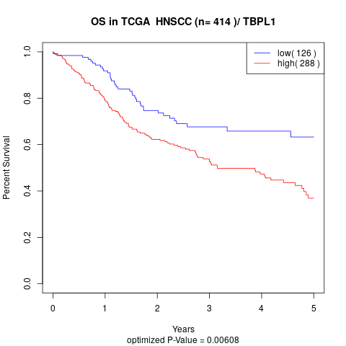

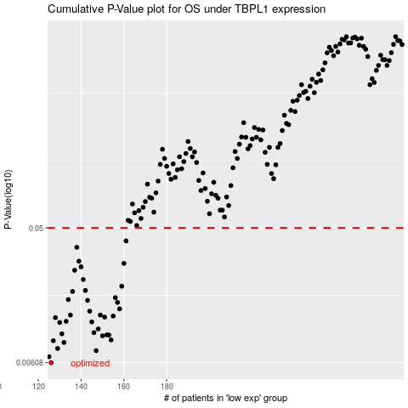

 |  |  |  |  |  | cases_OS | p_OS | rank | exp
 |  |  |  |  |  | 126 | 0.00608 | 208 | -0.42019978846
 |  |  |  |  |  | 125 | 0.00667 | 46 | -0.42348527167
 |  |  |  |  |  | 147 | 0.00734 | 186 | -0.35894377914
 |  |  |  |  |  | 129 | 0.00759 | 287 | -0.40791446672
 |  |  |  |  |  | 132 | 0.00834 | 339 | -0.40318756359
 |  |  |  |  |  | 127 | 0.00857 | 69 | -0.41820753505
 |  |  |  |  |  | 154 | 0.00868 | 379 | -0.33395314321
 |  |  |  |  |  | 150 | 0.00925 | 181 | -0.34277949086
 |  |  |  |  |  | 153 | 0.00936 | 144 | -0.33636900348
 |  |  |  |  |  | 152 | 0.00939 | 342 | -0.33806270803
 |  |  |  |  |  | 131 | 0.00955 | 386 | -0.40502150659
 |  |  |  |  |  | 146 | 0.00973 | 166 | -0.3594787093
 |  |  |  |  |  | 148 | 0.0103 | 82 | -0.35539372236
 |  |  |  |  |  | 130 | 0.0114 | 162 | -0.40772507253
 |  |  |  |  |  | 145 | 0.0115 | 295 | -0.36127433973
 |  |  |  |  |  | 133 | 0.0116 | 227 | -0.40263745298
 |  |  |  |  |  | 128 | 0.0123 | 232 | -0.41141536776
 |  |  |  |  |  | 151 | 0.0124 | 141 | -0.3398265318
 |  |  |  |  |  | 155 | 0.0126 | 263 | -0.32966502738
 |  |  |  |  |  | 135 | 0.0128 | 79 | -0.39846861212
 |  |  |  |  |  | 149 | 0.0128 | 140 | -0.34861384401
 |  |  |  |  |  | 144 | 0.0136 | 305 | -0.36715061984
 |  |  |  |  |  | 158 | 0.0141 | 159 | -0.31418096786
 |  |  |  |  |  | 157 | 0.0156 | 348 | -0.32689929387
 |  |  |  |  |  | 143 | 0.0161 | 341 | -0.36750266171
 |  |  |  |  |  | 134 | 0.0163 | 152 | -0.39998521141
 |  |  |  |  |  | 156 | 0.0168 | 313 | -0.32739085132
 |  |  |  |  |  | 136 | 0.0185 | 133 | -0.39778621472
 |  |  |  |  |  | 142 | 0.0188 | 330 | -0.37504879137
 |  |  |  |  |  | 159 | 0.0201 | 289 | -0.30639484251
 |  |  |  |  |  | 141 | 0.0223 | 381 | -0.38479825499
 |  |  |  |  |  | 137 | 0.0258 | 344 | -0.39517373148
 |  |  |  |  |  | 140 | 0.0272 | 31 | -0.38703773288
 |  |  |  |  |  | 160 | 0.0287 | 394 | -0.30574425177
 |  |  |  |  |  | 139 | 0.0297 | 395 | -0.38748664049
 |  |  |  |  |  | 138 | 0.0369 | 402 | -0.38798904111
 |  |  |  |  |  | 161 | 0.0408 | 276 | -0.29895642176
 |  |  |  |  |  |  | cases_RFS | p_RFS | rank | exp
 |  |  |  |  |  |  | 125 | 0.00608 | 46 | -0.42348527167
 |  |  |  |  |  |  |  | 0.00667 | 182 | -0.43443543664
 |  |  |  |  |  |  | 146 | 0.00734 | 166 | -0.3594787093
 |  |  |  |  |  |  | 128 | 0.00759 | 232 | -0.41141536776
 |  |  |  |  |  |  | 131 | 0.00834 | 386 | -0.40502150659
 |  |  |  |  |  |  | 126 | 0.00857 | 208 | -0.42019978846
 |  |  |  |  |  |  | 153 | 0.00868 | 144 | -0.33636900348
 |  |  |  |  |  |  | 149 | 0.00925 | 140 | -0.34861384401
 |  |  |  |  |  |  | 152 | 0.00936 | 342 | -0.33806270803
 |  |  |  |  |  |  | 151 | 0.00939 | 141 | -0.3398265318
 |  |  |  |  |  |  | 130 | 0.00955 | 162 | -0.40772507253
 |  |  |  |  |  |  | 145 | 0.00973 | 295 | -0.36127433973
 |  |  |  |  |  |  | 147 | 0.0103 | 186 | -0.35894377914
 |  |  |  |  |  |  | 129 | 0.0114 | 287 | -0.40791446672
 |  |  |  |  |  |  | 144 | 0.0115 | 305 | -0.36715061984
 |  |  |  |  |  |  | 132 | 0.0116 | 339 | -0.40318756359
 |  |  |  |  |  |  | 127 | 0.0123 | 69 | -0.41820753505
 |  |  |  |  |  |  | 150 | 0.0124 | 181 | -0.34277949086
 |  |  |  |  |  |  | 154 | 0.0126 | 379 | -0.33395314321
 |  |  |  |  |  |  | 148 | 0.0128 | 82 | -0.35539372236
 |  |  |  |  |  |  | 134 | 0.0128 | 152 | -0.39998521141
 |  |  |  |  |  |  | 143 | 0.0136 | 341 | -0.36750266171
 |  |  |  |  |  |  | 157 | 0.0141 | 348 | -0.32689929387
 |  |  |  |  |  |  | 156 | 0.0156 | 313 | -0.32739085132
 |  |  |  |  |  |  | 142 | 0.0161 | 330 | -0.37504879137
 |  |  |  |  |  |  | 133 | 0.0163 | 227 | -0.40263745298
 |  |  |  |  |  |  | 155 | 0.0168 | 263 | -0.32966502738
 |  |  |  |  |  |  | 135 | 0.0185 | 79 | -0.39846861212
 |  |  |  |  |  |  | 141 | 0.0188 | 381 | -0.38479825499
 |  |  |  |  |  |  | 158 | 0.0201 | 159 | -0.31418096786
 |  |  |  |  |  |  | 140 | 0.0223 | 31 | -0.38703773288
 |  |  |  |  |  |  | 136 | 0.0258 | 133 | -0.39778621472
 |  |  |  |  |  |  | 139 | 0.0272 | 395 | -0.38748664049
 |  |  |  |  |  |  | 159 | 0.0287 | 289 | -0.30639484251
 |  |  |  |  |  |  | 138 | 0.0297 | 402 | -0.38798904111
 |  |  |  |  |  |  | 137 | 0.0369 | 344 | -0.39517373148
 |  |  |  |  |  |  | 160 | 0.0408 | 394 | -0.30574425177

