TBX19 _multivariate
Reported by Tex Li-Hsing Chi. tex@gate.sinica.edu.tw 2019-08-15

Table 2. The clinicopathological features of HNSCC cohort and TBX19 expression. (Chi square test)
Cutoff at -0.177 (49.8%)
 |  | TBX19 expression |  | TBX19 expression |  | (Optimised)
 | Features | Low | (%) | High | (%) | Case no | P-value | Remark | Matthews
Gender | Female | 143 | 34.5 | 163 | 39.3 | 415 | 0.0416 | 1 | 0
2 | Male | 64 | 15.4 | 45 | 10.8
Age at diagnosis | <=65y | 136 | 32.8 | 138 | 33.3 | 415 | 0.9719 | 0 | 0
4 | >65y | 71 | 17.1 | 70 | 16.9
Clinical T Status | T1+T2 | 79 | 19 | 70 | 16.9 | 415 | 0.3924 | 0 | 0
6 | T3+T4 | 128 | 30.8 | 138 | 33.3
Clinical N Status | N0 | 112 | 27 | 104 | 25.1 | 415 | 0.4599 | 0 | 0
8 | N1-3 | 95 | 22.9 | 104 | 25.1
Clinical M Status | M0 | 206 | 49.6 | 206 | 49.6 | 415 | 1 | 0 | 0
10 | M1 | 1 | 0.2 | 2 | 0.5
Clinical Stage | Stage I+II | 59 | 14.2 | 43 | 10.4 | 415 | 0.0822 | 0 | 0
12 | Stage III+IV | 148 | 35.7 | 165 | 39.8
Surgical Margin status | Negative | 166 | 40 | 152 | 36.6 | 415 | 0.1042 | 0 | 0
14 | Positive | 41 | 9.9 | 56 | 13.5
Tobacco Exposure | Low | 81 | 19.5 | 80 | 19.3 | 415 | 0.9199 | 0 | 0
16 | High | 126 | 30.4 | 128 | 30.8

Table 3. Univariate/Multivariate Cox's proportional hazards regression analyses on OS time of TBX19 gene expression in HNSCC

 |  | Univariate |  |  |  | Multivariate
 | Features | HR | CI95%(L) | CI95%(H) | P-value | HR | CI95%(L) | CI95%(H) | P-value
1 | Female | 1 |  |  |  | 1
Gender | Male | 1.157 | 0.843 | 1.587 | 0.367 | 1.193 | 0.853 | 1.667 | 0.303
11 | <=65y | 1 |  |  |  | 1
Age at diagnosis | >65y | 1.329 | 0.99 | 1.784 | 0.058 | 1.39 | 1.022 | 1.889 | 0.036
12 | T1+T2 | 1 |  |  |  | 1
Clinical T Status | T3+T4 | 1.409 | 1.028 | 1.931 | 0.033 | 2.182 | 1.153 | 4.127 | 0.016
13 | N0 | 1 |  |  |  | 1
Clinical N Status | N1-3 | 1.185 | 0.89 | 1.577 | 0.246 | 1.24 | 0.87 | 1.77 | 0.234
14 | M0 | 1 |  |  |  | 1
Clinical M Status | M1 | 4.097 | 1.009 | 16.644 | 0.049 | 9.561 | 2.084 | 43.852 | 0.004
15 | Stage I+II | 1 |  |  |  | 1
Clinical Stage | Stage III+IV | 1.245 | 0.882 | 1.759 | 0.213 | 0.512 | 0.238 | 1.101 | 0.086
16 | Negative | 1 |  |  |  | 1
Surgical Margin status | Positive | 1.591 | 1.155 | 2.191 | 0.004 | 1.693 | 1.222 | 2.344 | 0.002
17 | Low | 1 |  |  |  | 1
Tobacco Exposure | High | 1.364 | 1.008 | 1.844 | 0.044 | 1.458 | 1.058 | 2.009 | 0.021
18 | Low | 1 |  |  |  | 1
RNAseq(z-score) | High | 0.953 | 0.716 | 1.27 | 0.744 | 0.91 | 0.68 | 1.218 | 0.526

Table 4. Univariate/Multivariate Cox's proportional hazards regression analyses on RFS time of TBX19 gene expression in HNSCC

 |  | Univariate |  |  |  | Multivariate
 | Features | HR | CI95%(L) | CI95%(H) | P-value | HR | CI95%(L) | CI95%(H) | P-value
1 | Female | 1 |  |  |  | 1
Gender | Male | 1.157 | 0.843 | 1.587 | 0.367 | 1.193 | 0.853 | 1.667 | 0.303
11 | <=65y | 1 |  |  |  | 1
Age at diagnosis | >65y | 1.329 | 0.99 | 1.784 | 0.058 | 1.39 | 1.022 | 1.889 | 0.036
12 | T1+T2 | 1 |  |  |  | 1
Clinical T Status | T3+T4 | 1.409 | 1.028 | 1.931 | 0.033 | 2.182 | 1.153 | 4.127 | 0.016
13 | N0 | 1 |  |  |  | 1
Clinical N Status | N1-3 | 1.185 | 0.89 | 1.577 | 0.246 | 1.24 | 0.87 | 1.77 | 0.234
14 | M0 | 1 |  |  |  | 1
Clinical M Status | M1 | 4.097 | 1.009 | 16.644 | 0.049 | 9.561 | 2.084 | 43.852 | 0.004
15 | Stage I+II | 1 |  |  |  | 1
Clinical Stage | Stage III+IV | 1.245 | 0.882 | 1.759 | 0.213 | 0.512 | 0.238 | 1.101 | 0.086
16 | Negative | 1 |  |  |  | 1
Surgical Margin status | Positive | 1.591 | 1.155 | 2.191 | 0.004 | 1.693 | 1.222 | 2.344 | 0.002
17 | Low | 1 |  |  |  | 1
Tobacco Exposure | High | 1.364 | 1.008 | 1.844 | 0.044 | 1.458 | 1.058 | 2.009 | 0.021
18 | Low | 1 |  |  |  | 1
RNAseq(z-score) | High | 0.953 | 0.716 | 1.27 | 0.744 | 0.91 | 0.68 | 1.218 | 0.526

Kaplan-Meier survival estimate: Cutoff at -0.177 (49.8%)



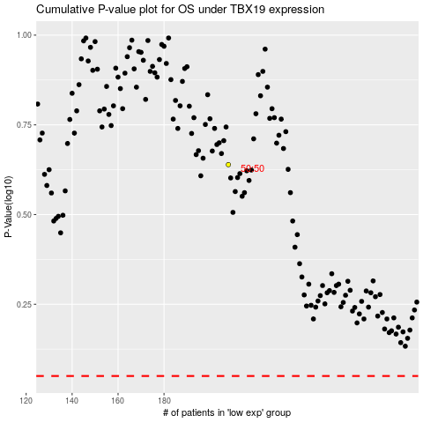

 |  |  |  |  |  | cases_OS | p_OS | rank | exp
 |  |  |  |  |  |  | cases_RFS | p_RFS | rank | exp

