TBX2 _multivariate
Reported by Tex Li-Hsing Chi. tex@gate.sinica.edu.tw 2019-08-15

Table 2. The clinicopathological features of HNSCC cohort and TBX2 expression. (Chi square test)
Cutoff at -0.192 (49.8%)
 |  | TBX2 expression |  | TBX2 expression |  | (Optimised)
 | Features | Low | (%) | High | (%) | Case no | P-value | Remark | Matthews
Gender | Female | 156 | 37.6 | 150 | 36.1 | 415 | 0.5222 | 0 | 0
2 | Male | 51 | 12.3 | 58 | 14
Age at diagnosis | <=65y | 137 | 33 | 137 | 33 | 415 | 1 | 0 | 0
4 | >65y | 70 | 16.9 | 71 | 17.1
Clinical T Status | T1+T2 | 76 | 18.3 | 73 | 17.6 | 415 | 0.8092 | 0 | 0
6 | T3+T4 | 131 | 31.6 | 135 | 32.5
Clinical N Status | N0 | 100 | 24.1 | 116 | 28 | 415 | 0.1548 | 0 | 0
8 | N1-3 | 107 | 25.8 | 92 | 22.2
Clinical M Status | M0 | 205 | 49.4 | 207 | 49.9 | 415 | 0.6232 | 0 | 0
10 | M1 | 2 | 0.5 | 1 | 0.2
Clinical Stage | Stage I+II | 48 | 11.6 | 54 | 13 | 415 | 0.5878 | 0 | 0
12 | Stage III+IV | 159 | 38.3 | 154 | 37.1
Surgical Margin status | Negative | 155 | 37.3 | 163 | 39.3 | 415 | 0.4187 | 0 | 0
14 | Positive | 52 | 12.5 | 45 | 10.8
Tobacco Exposure | Low | 84 | 20.2 | 77 | 18.6 | 415 | 0.4816 | 0 | 0
16 | High | 123 | 29.6 | 131 | 31.6

Table 3. Univariate/Multivariate Cox's proportional hazards regression analyses on OS time of TBX2 gene expression in HNSCC

 |  | Univariate |  |  |  | Multivariate
 | Features | HR | CI95%(L) | CI95%(H) | P-value | HR | CI95%(L) | CI95%(H) | P-value
1 | Female | 1 |  |  |  | 1
Gender | Male | 1.157 | 0.843 | 1.587 | 0.367 | 1.208 | 0.865 | 1.688 | 0.267
11 | <=65y | 1 |  |  |  | 1
Age at diagnosis | >65y | 1.329 | 0.99 | 1.784 | 0.058 | 1.386 | 1.02 | 1.885 | 0.037
12 | T1+T2 | 1 |  |  |  | 1
Clinical T Status | T3+T4 | 1.409 | 1.028 | 1.931 | 0.033 | 2.218 | 1.172 | 4.196 | 0.014
13 | N0 | 1 |  |  |  | 1
Clinical N Status | N1-3 | 1.185 | 0.89 | 1.577 | 0.246 | 1.22 | 0.854 | 1.745 | 0.275
14 | M0 | 1 |  |  |  | 1
Clinical M Status | M1 | 4.097 | 1.009 | 16.644 | 0.049 | 9.465 | 2.064 | 43.399 | 0.004
15 | Stage I+II | 1 |  |  |  | 1
Clinical Stage | Stage III+IV | 1.245 | 0.882 | 1.759 | 0.213 | 0.5 | 0.233 | 1.074 | 0.076
16 | Negative | 1 |  |  |  | 1
Surgical Margin status | Positive | 1.591 | 1.155 | 2.191 | 0.004 | 1.669 | 1.208 | 2.307 | 0.002
17 | Low | 1 |  |  |  | 1
Tobacco Exposure | High | 1.364 | 1.008 | 1.844 | 0.044 | 1.465 | 1.063 | 2.02 | 0.02
18 | Low | 1 |  |  |  | 1
RNAseq(z-score) | High | 0.889 | 0.668 | 1.185 | 0.423 | 0.885 | 0.662 | 1.184 | 0.411

Table 4. Univariate/Multivariate Cox's proportional hazards regression analyses on RFS time of TBX2 gene expression in HNSCC

 |  | Univariate |  |  |  | Multivariate
 | Features | HR | CI95%(L) | CI95%(H) | P-value | HR | CI95%(L) | CI95%(H) | P-value
1 | Female | 1 |  |  |  | 1
Gender | Male | 1.157 | 0.843 | 1.587 | 0.367 | 1.208 | 0.865 | 1.688 | 0.267
11 | <=65y | 1 |  |  |  | 1
Age at diagnosis | >65y | 1.329 | 0.99 | 1.784 | 0.058 | 1.386 | 1.02 | 1.885 | 0.037
12 | T1+T2 | 1 |  |  |  | 1
Clinical T Status | T3+T4 | 1.409 | 1.028 | 1.931 | 0.033 | 2.218 | 1.172 | 4.196 | 0.014
13 | N0 | 1 |  |  |  | 1
Clinical N Status | N1-3 | 1.185 | 0.89 | 1.577 | 0.246 | 1.22 | 0.854 | 1.745 | 0.275
14 | M0 | 1 |  |  |  | 1
Clinical M Status | M1 | 4.097 | 1.009 | 16.644 | 0.049 | 9.465 | 2.064 | 43.399 | 0.004
15 | Stage I+II | 1 |  |  |  | 1
Clinical Stage | Stage III+IV | 1.245 | 0.882 | 1.759 | 0.213 | 0.5 | 0.233 | 1.074 | 0.076
16 | Negative | 1 |  |  |  | 1
Surgical Margin status | Positive | 1.591 | 1.155 | 2.191 | 0.004 | 1.669 | 1.208 | 2.307 | 0.002
17 | Low | 1 |  |  |  | 1
Tobacco Exposure | High | 1.364 | 1.008 | 1.844 | 0.044 | 1.465 | 1.063 | 2.02 | 0.02
18 | Low | 1 |  |  |  | 1
RNAseq(z-score) | High | 0.889 | 0.668 | 1.185 | 0.423 | 0.885 | 0.662 | 1.184 | 0.411

Kaplan-Meier survival estimate: Cutoff at -0.192 (49.8%)



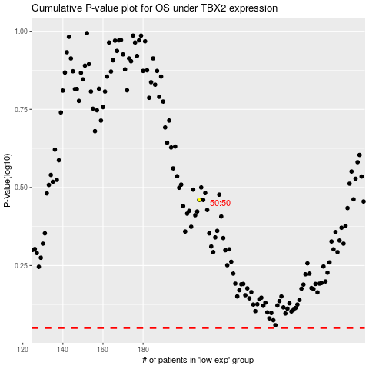

 |  |  |  |  |  | cases_OS | p_OS | rank | exp
 |  |  |  |  |  |  | cases_RFS | p_RFS | rank | exp

