TBX4 _multivariate
Reported by Tex Li-Hsing Chi. tex@gate.sinica.edu.tw 2019-08-15

Table 2. The clinicopathological features of HNSCC cohort and TBX4 expression. (Chi square test)
Cutoff at -0.145 (69.6%)
 |  | TBX4 expression |  | TBX4 expression |  | (Optimised)
 | Features | Low | (%) | High | (%) | Case no | P-value | Remark | Matthews
Gender | Female | 206 | 49.6 | 100 | 24.1 | 415 | 0.1097 | 0 | 0
2 | Male | 83 | 20 | 26 | 6.3
Age at diagnosis | <=65y | 188 | 45.3 | 86 | 20.7 | 415 | 0.6027 | 0 | 0
4 | >65y | 101 | 24.3 | 40 | 9.6
Clinical T Status | T1+T2 | 113 | 27.2 | 36 | 8.7 | 415 | 0.0518 | 0 | 0
6 | T3+T4 | 176 | 42.4 | 90 | 21.7
Clinical N Status | N0 | 140 | 33.7 | 76 | 18.3 | 415 | 0.034 | 1 | 0
8 | N1-3 | 149 | 35.9 | 50 | 12
Clinical M Status | M0 | 286 | 68.9 | 126 | 30.4 | 415 | 0.5566 | 0 | 0
10 | M1 | 3 | 0.7 | 0 | 0
Clinical Stage | Stage I+II | 75 | 18.1 | 27 | 6.5 | 415 | 0.3898 | 0 | 0
12 | Stage III+IV | 214 | 51.6 | 99 | 23.9
Surgical Margin status | Negative | 216 | 52 | 102 | 24.6 | 415 | 0.207 | 0 | 0
14 | Positive | 73 | 17.6 | 24 | 5.8
Tobacco Exposure | Low | 121 | 29.2 | 40 | 9.6 | 415 | 0.0624 | 0 | 0
16 | High | 168 | 40.5 | 86 | 20.7

Table 3. Univariate/Multivariate Cox's proportional hazards regression analyses on OS time of TBX4 gene expression in HNSCC

 |  | Univariate |  |  |  | Multivariate
 | Features | HR | CI95%(L) | CI95%(H) | P-value | HR | CI95%(L) | CI95%(H) | P-value
1 | Female | 1 |  |  |  | 1
Gender | Male | 1.157 | 0.843 | 1.587 | 0.367 | 1.178 | 0.842 | 1.648 | 0.338
11 | <=65y | 1 |  |  |  | 1
Age at diagnosis | >65y | 1.329 | 0.99 | 1.784 | 0.058 | 1.368 | 1.005 | 1.863 | 0.047
12 | T1+T2 | 1 |  |  |  | 1
Clinical T Status | T3+T4 | 1.409 | 1.028 | 1.931 | 0.033 | 2.256 | 1.193 | 4.266 | 0.012
13 | N0 | 1 |  |  |  | 1
Clinical N Status | N1-3 | 1.185 | 0.89 | 1.577 | 0.246 | 1.181 | 0.826 | 1.689 | 0.362
14 | M0 | 1 |  |  |  | 1
Clinical M Status | M1 | 4.097 | 1.009 | 16.644 | 0.049 | 8.802 | 1.918 | 40.402 | 0.005
15 | Stage I+II | 1 |  |  |  | 1
Clinical Stage | Stage III+IV | 1.245 | 0.882 | 1.759 | 0.213 | 0.527 | 0.246 | 1.133 | 0.101
16 | Negative | 1 |  |  |  | 1
Surgical Margin status | Positive | 1.591 | 1.155 | 2.191 | 0.004 | 1.627 | 1.176 | 2.25 | 0.003
17 | Low | 1 |  |  |  | 1
Tobacco Exposure | High | 1.364 | 1.008 | 1.844 | 0.044 | 1.487 | 1.077 | 2.054 | 0.016
18 | Low | 1 |  |  |  | 1
RNAseq(z-score) | High | 0.72 | 0.519 | 0.999 | 0.05 | 0.727 | 0.518 | 1.02 | 0.065

Table 4. Univariate/Multivariate Cox's proportional hazards regression analyses on RFS time of TBX4 gene expression in HNSCC

 |  | Univariate |  |  |  | Multivariate
 | Features | HR | CI95%(L) | CI95%(H) | P-value | HR | CI95%(L) | CI95%(H) | P-value
1 | Female | 1 |  |  |  | 1
Gender | Male | 1.157 | 0.843 | 1.587 | 0.367 | 1.178 | 0.842 | 1.648 | 0.338
11 | <=65y | 1 |  |  |  | 1
Age at diagnosis | >65y | 1.329 | 0.99 | 1.784 | 0.058 | 1.368 | 1.005 | 1.863 | 0.047
12 | T1+T2 | 1 |  |  |  | 1
Clinical T Status | T3+T4 | 1.409 | 1.028 | 1.931 | 0.033 | 2.256 | 1.193 | 4.266 | 0.012
13 | N0 | 1 |  |  |  | 1
Clinical N Status | N1-3 | 1.185 | 0.89 | 1.577 | 0.246 | 1.181 | 0.826 | 1.689 | 0.362
14 | M0 | 1 |  |  |  | 1
Clinical M Status | M1 | 4.097 | 1.009 | 16.644 | 0.049 | 8.802 | 1.918 | 40.402 | 0.005
15 | Stage I+II | 1 |  |  |  | 1
Clinical Stage | Stage III+IV | 1.245 | 0.882 | 1.759 | 0.213 | 0.527 | 0.246 | 1.133 | 0.101
16 | Negative | 1 |  |  |  | 1
Surgical Margin status | Positive | 1.591 | 1.155 | 2.191 | 0.004 | 1.627 | 1.176 | 2.25 | 0.003
17 | Low | 1 |  |  |  | 1
Tobacco Exposure | High | 1.364 | 1.008 | 1.844 | 0.044 | 1.487 | 1.077 | 2.054 | 0.016
18 | Low | 1 |  |  |  | 1
RNAseq(z-score) | High | 0.72 | 0.519 | 0.999 | 0.05 | 0.727 | 0.518 | 1.02 | 0.065

Kaplan-Meier survival estimate: Cutoff at -0.145 (69.6%)



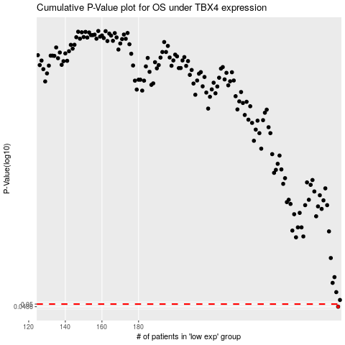

 |  |  |  |  |  | cases_OS | p_OS | rank | exp
 |  |  |  |  |  | 289 | 0.0486 | 46 | -0.14504493458
 |  |  |  |  |  |  | cases_RFS | p_RFS | rank | exp
 |  |  |  |  |  |  | 288 | 0.0486 | 3 | -0.1454734782

