TBXAS1 _multivariate
Reported by Tex Li-Hsing Chi. tex@gate.sinica.edu.tw 2019-08-15

Table 2. The clinicopathological features of HNSCC cohort and TBXAS1 expression. (Chi square test)
Cutoff at -0.263 (49.8%)
 |  | TBXAS1 expression |  | TBXAS1 expression |  | (Optimised)
 | Features | Low | (%) | High | (%) | Case no | P-value | Remark | Matthews
Gender | Female | 164 | 39.5 | 142 | 34.2 | 415 | 0.0153 | 1 | 0
2 | Male | 43 | 10.4 | 66 | 15.9
Age at diagnosis | <=65y | 145 | 34.9 | 129 | 31.1 | 415 | 0.1046 | 0 | 0
4 | >65y | 62 | 14.9 | 79 | 19
Clinical T Status | T1+T2 | 76 | 18.3 | 73 | 17.6 | 415 | 0.8092 | 0 | 0
6 | T3+T4 | 131 | 31.6 | 135 | 32.5
Clinical N Status | N0 | 118 | 28.4 | 98 | 23.6 | 415 | 0.0551 | 1 | 0
8 | N1-3 | 89 | 21.4 | 110 | 26.5
Clinical M Status | M0 | 205 | 49.4 | 207 | 49.9 | 415 | 0.6232 | 0 | 0
10 | M1 | 2 | 0.5 | 1 | 0.2
Clinical Stage | Stage I+II | 54 | 13 | 48 | 11.6 | 415 | 0.5498 | 0 | 0
12 | Stage III+IV | 153 | 36.9 | 160 | 38.6
Surgical Margin status | Negative | 157 | 37.8 | 161 | 38.8 | 415 | 0.729 | 0 | 0
14 | Positive | 50 | 12 | 47 | 11.3
Tobacco Exposure | Low | 73 | 17.6 | 88 | 21.2 | 415 | 0.1587 | 0 | 0
16 | High | 134 | 32.3 | 120 | 28.9

Table 3. Univariate/Multivariate Cox's proportional hazards regression analyses on OS time of TBXAS1 gene expression in HNSCC

 |  | Univariate |  |  |  | Multivariate
 | Features | HR | CI95%(L) | CI95%(H) | P-value | HR | CI95%(L) | CI95%(H) | P-value
1 | Female | 1 |  |  |  | 1
Gender | Male | 1.157 | 0.843 | 1.587 | 0.367 | 1.211 | 0.866 | 1.693 | 0.264
11 | <=65y | 1 |  |  |  | 1
Age at diagnosis | >65y | 1.329 | 0.99 | 1.784 | 0.058 | 1.396 | 1.027 | 1.897 | 0.033
12 | T1+T2 | 1 |  |  |  | 1
Clinical T Status | T3+T4 | 1.409 | 1.028 | 1.931 | 0.033 | 2.207 | 1.167 | 4.173 | 0.015
13 | N0 | 1 |  |  |  | 1
Clinical N Status | N1-3 | 1.185 | 0.89 | 1.577 | 0.246 | 1.261 | 0.881 | 1.805 | 0.206
14 | M0 | 1 |  |  |  | 1
Clinical M Status | M1 | 4.097 | 1.009 | 16.644 | 0.049 | 9.272 | 2.022 | 42.525 | 0.004
15 | Stage I+II | 1 |  |  |  | 1
Clinical Stage | Stage III+IV | 1.245 | 0.882 | 1.759 | 0.213 | 0.5 | 0.233 | 1.073 | 0.075
16 | Negative | 1 |  |  |  | 1
Surgical Margin status | Positive | 1.591 | 1.155 | 2.191 | 0.004 | 1.673 | 1.211 | 2.311 | 0.002
17 | Low | 1 |  |  |  | 1
Tobacco Exposure | High | 1.364 | 1.008 | 1.844 | 0.044 | 1.442 | 1.045 | 1.989 | 0.026
18 | Low | 1 |  |  |  | 1
RNAseq(z-score) | High | 0.925 | 0.694 | 1.232 | 0.592 | 0.91 | 0.679 | 1.219 | 0.526

Table 4. Univariate/Multivariate Cox's proportional hazards regression analyses on RFS time of TBXAS1 gene expression in HNSCC

 |  | Univariate |  |  |  | Multivariate
 | Features | HR | CI95%(L) | CI95%(H) | P-value | HR | CI95%(L) | CI95%(H) | P-value
1 | Female | 1 |  |  |  | 1
Gender | Male | 1.157 | 0.843 | 1.587 | 0.367 | 1.211 | 0.866 | 1.693 | 0.264
11 | <=65y | 1 |  |  |  | 1
Age at diagnosis | >65y | 1.329 | 0.99 | 1.784 | 0.058 | 1.396 | 1.027 | 1.897 | 0.033
12 | T1+T2 | 1 |  |  |  | 1
Clinical T Status | T3+T4 | 1.409 | 1.028 | 1.931 | 0.033 | 2.207 | 1.167 | 4.173 | 0.015
13 | N0 | 1 |  |  |  | 1
Clinical N Status | N1-3 | 1.185 | 0.89 | 1.577 | 0.246 | 1.261 | 0.881 | 1.805 | 0.206
14 | M0 | 1 |  |  |  | 1
Clinical M Status | M1 | 4.097 | 1.009 | 16.644 | 0.049 | 9.272 | 2.022 | 42.525 | 0.004
15 | Stage I+II | 1 |  |  |  | 1
Clinical Stage | Stage III+IV | 1.245 | 0.882 | 1.759 | 0.213 | 0.5 | 0.233 | 1.073 | 0.075
16 | Negative | 1 |  |  |  | 1
Surgical Margin status | Positive | 1.591 | 1.155 | 2.191 | 0.004 | 1.673 | 1.211 | 2.311 | 0.002
17 | Low | 1 |  |  |  | 1
Tobacco Exposure | High | 1.364 | 1.008 | 1.844 | 0.044 | 1.442 | 1.045 | 1.989 | 0.026
18 | Low | 1 |  |  |  | 1
RNAseq(z-score) | High | 0.925 | 0.694 | 1.232 | 0.592 | 0.91 | 0.679 | 1.219 | 0.526

Kaplan-Meier survival estimate: Cutoff at -0.263 (49.8%)



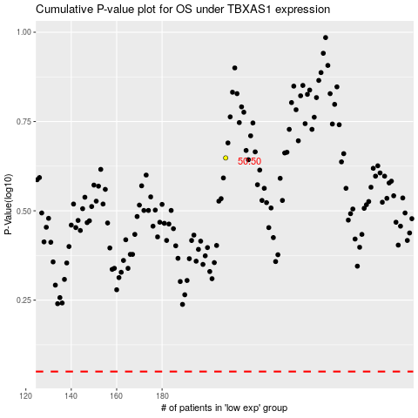

 |  |  |  |  |  | cases_OS | p_OS | rank | exp
 |  |  |  |  |  |  | cases_RFS | p_RFS | rank | exp

