TC2N _multivariate
Reported by Tex Li-Hsing Chi. tex@gate.sinica.edu.tw 2019-08-15

Table 2. The clinicopathological features of HNSCC cohort and TC2N expression. (Chi square test)
Cutoff at -0.119 (62.1%)
 |  | TC2N expression |  | TC2N expression |  | (Optimised)
 | Features | Low | (%) | High | (%) | Case no | P-value | Remark | Matthews
Gender | Female | 192 | 46.3 | 114 | 27.5 | 415 | 0.7713 | 0 | 0
2 | Male | 66 | 15.9 | 43 | 10.4
Age at diagnosis | <=65y | 170 | 41 | 104 | 25.1 | 415 | 1 | 0 | 0
4 | >65y | 88 | 21.2 | 53 | 12.8
Clinical T Status | T1+T2 | 100 | 24.1 | 49 | 11.8 | 415 | 0.1473 | 0 | 0
6 | T3+T4 | 158 | 38.1 | 108 | 26
Clinical N Status | N0 | 128 | 30.8 | 88 | 21.2 | 415 | 0.2412 | 0 | 0
8 | N1-3 | 130 | 31.3 | 69 | 16.6
Clinical M Status | M0 | 255 | 61.4 | 157 | 37.8 | 415 | 0.2927 | 0 | 0
10 | M1 | 3 | 0.7 | 0 | 0
Clinical Stage | Stage I+II | 69 | 16.6 | 33 | 8 | 415 | 0.2316 | 0 | 0
12 | Stage III+IV | 189 | 45.5 | 124 | 29.9
Surgical Margin status | Negative | 196 | 47.2 | 122 | 29.4 | 415 | 0.7209 | 0 | 0
14 | Positive | 62 | 14.9 | 35 | 8.4
Tobacco Exposure | Low | 98 | 23.6 | 63 | 15.2 | 415 | 0.6788 | 0 | 0
16 | High | 160 | 38.6 | 94 | 22.7

Table 3. Univariate/Multivariate Cox's proportional hazards regression analyses on OS time of TC2N gene expression in HNSCC

 |  | Univariate |  |  |  | Multivariate
 | Features | HR | CI95%(L) | CI95%(H) | P-value | HR | CI95%(L) | CI95%(H) | P-value
1 | Female | 1 |  |  |  | 1
Gender | Male | 1.157 | 0.843 | 1.587 | 0.367 | 1.185 | 0.849 | 1.655 | 0.318
11 | <=65y | 1 |  |  |  | 1
Age at diagnosis | >65y | 1.329 | 0.99 | 1.784 | 0.058 | 1.377 | 1.013 | 1.874 | 0.041
12 | T1+T2 | 1 |  |  |  | 1
Clinical T Status | T3+T4 | 1.409 | 1.028 | 1.931 | 0.033 | 2.176 | 1.151 | 4.114 | 0.017
13 | N0 | 1 |  |  |  | 1
Clinical N Status | N1-3 | 1.185 | 0.89 | 1.577 | 0.246 | 1.164 | 0.812 | 1.671 | 0.409
14 | M0 | 1 |  |  |  | 1
Clinical M Status | M1 | 4.097 | 1.009 | 16.644 | 0.049 | 8.467 | 1.842 | 38.917 | 0.006
15 | Stage I+II | 1 |  |  |  | 1
Clinical Stage | Stage III+IV | 1.245 | 0.882 | 1.759 | 0.213 | 0.547 | 0.254 | 1.18 | 0.124
16 | Negative | 1 |  |  |  | 1
Surgical Margin status | Positive | 1.591 | 1.155 | 2.191 | 0.004 | 1.688 | 1.222 | 2.332 | 0.001
17 | Low | 1 |  |  |  | 1
Tobacco Exposure | High | 1.364 | 1.008 | 1.844 | 0.044 | 1.435 | 1.042 | 1.977 | 0.027
18 | Low | 1 |  |  |  | 1
RNAseq(z-score) | High | 0.733 | 0.541 | 0.995 | 0.046 | 0.742 | 0.543 | 1.014 | 0.061

Table 4. Univariate/Multivariate Cox's proportional hazards regression analyses on RFS time of TC2N gene expression in HNSCC

 |  | Univariate |  |  |  | Multivariate
 | Features | HR | CI95%(L) | CI95%(H) | P-value | HR | CI95%(L) | CI95%(H) | P-value
1 | Female | 1 |  |  |  | 1
Gender | Male | 1.157 | 0.843 | 1.587 | 0.367 | 1.185 | 0.849 | 1.655 | 0.318
11 | <=65y | 1 |  |  |  | 1
Age at diagnosis | >65y | 1.329 | 0.99 | 1.784 | 0.058 | 1.377 | 1.013 | 1.874 | 0.041
12 | T1+T2 | 1 |  |  |  | 1
Clinical T Status | T3+T4 | 1.409 | 1.028 | 1.931 | 0.033 | 2.176 | 1.151 | 4.114 | 0.017
13 | N0 | 1 |  |  |  | 1
Clinical N Status | N1-3 | 1.185 | 0.89 | 1.577 | 0.246 | 1.164 | 0.812 | 1.671 | 0.409
14 | M0 | 1 |  |  |  | 1
Clinical M Status | M1 | 4.097 | 1.009 | 16.644 | 0.049 | 8.467 | 1.842 | 38.917 | 0.006
15 | Stage I+II | 1 |  |  |  | 1
Clinical Stage | Stage III+IV | 1.245 | 0.882 | 1.759 | 0.213 | 0.547 | 0.254 | 1.18 | 0.124
16 | Negative | 1 |  |  |  | 1
Surgical Margin status | Positive | 1.591 | 1.155 | 2.191 | 0.004 | 1.688 | 1.222 | 2.332 | 0.001
17 | Low | 1 |  |  |  | 1
Tobacco Exposure | High | 1.364 | 1.008 | 1.844 | 0.044 | 1.435 | 1.042 | 1.977 | 0.027
18 | Low | 1 |  |  |  | 1
RNAseq(z-score) | High | 0.733 | 0.541 | 0.995 | 0.046 | 0.742 | 0.543 | 1.014 | 0.061

Kaplan-Meier survival estimate: Cutoff at -0.119 (62.1%)



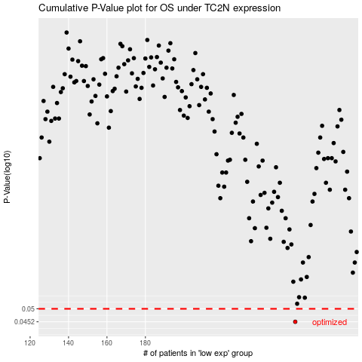

 |  |  |  |  |  | cases_OS | p_OS | rank | exp
 |  |  |  |  |  | 258 | 0.0452 | 320 | -0.11944868381
 |  |  |  |  |  |  | cases_RFS | p_RFS | rank | exp
 |  |  |  |  |  |  | 257 | 0.0452 | 261 | -0.13025949459

