TCAM1P _multivariate
Reported by Tex Li-Hsing Chi. tex@gate.sinica.edu.tw 2019-08-15

Table 2. The clinicopathological features of HNSCC cohort and TCAM1P expression. (Chi square test)
Cutoff at -0.378 (49.8%)
 |  | TCAM1P expression |  | TCAM1P expression |  | (Optimised)
 | Features | Low | (%) | High | (%) | Case no | P-value | Remark | Matthews
Gender | Female | 135 | 32.5 | 171 | 41.2 | 415 | 1e-04 | 1 | 0
2 | Male | 72 | 17.3 | 37 | 8.9
Age at diagnosis | <=65y | 122 | 29.4 | 152 | 36.6 | 415 | 0.0033 | 1 | 0
4 | >65y | 85 | 20.5 | 56 | 13.5
Clinical T Status | T1+T2 | 73 | 17.6 | 76 | 18.3 | 415 | 0.8666 | 0 | 0
6 | T3+T4 | 134 | 32.3 | 132 | 31.8
Clinical N Status | N0 | 115 | 27.7 | 101 | 24.3 | 415 | 0.184 | 1 | 0
8 | N1-3 | 92 | 22.2 | 107 | 25.8
Clinical M Status | M0 | 206 | 49.6 | 206 | 49.6 | 415 | 1 | 0 | 0
10 | M1 | 1 | 0.2 | 2 | 0.5
Clinical Stage | Stage I+II | 60 | 14.5 | 42 | 10.1 | 415 | 0.0493 | 1 | 0
12 | Stage III+IV | 147 | 35.4 | 166 | 40
Surgical Margin status | Negative | 164 | 39.5 | 154 | 37.1 | 415 | 0.2462 | 0 | 0
14 | Positive | 43 | 10.4 | 54 | 13
Tobacco Exposure | Low | 94 | 22.7 | 67 | 16.1 | 415 | 0.0065 | 1 | 0
16 | High | 113 | 27.2 | 141 | 34

Table 3. Univariate/Multivariate Cox's proportional hazards regression analyses on OS time of TCAM1P gene expression in HNSCC

 |  | Univariate |  |  |  | Multivariate
 | Features | HR | CI95%(L) | CI95%(H) | P-value | HR | CI95%(L) | CI95%(H) | P-value
1 | Female | 1 |  |  |  | 1
Gender | Male | 1.157 | 0.843 | 1.587 | 0.367 | 1.145 | 0.812 | 1.614 | 0.44
11 | <=65y | 1 |  |  |  | 1
Age at diagnosis | >65y | 1.329 | 0.99 | 1.784 | 0.058 | 1.369 | 1.007 | 1.863 | 0.045
12 | T1+T2 | 1 |  |  |  | 1
Clinical T Status | T3+T4 | 1.409 | 1.028 | 1.931 | 0.033 | 2.138 | 1.128 | 4.049 | 0.02
13 | N0 | 1 |  |  |  | 1
Clinical N Status | N1-3 | 1.185 | 0.89 | 1.577 | 0.246 | 1.241 | 0.87 | 1.77 | 0.234
14 | M0 | 1 |  |  |  | 1
Clinical M Status | M1 | 4.097 | 1.009 | 16.644 | 0.049 | 9.52 | 2.077 | 43.638 | 0.004
15 | Stage I+II | 1 |  |  |  | 1
Clinical Stage | Stage III+IV | 1.245 | 0.882 | 1.759 | 0.213 | 0.528 | 0.245 | 1.139 | 0.103
16 | Negative | 1 |  |  |  | 1
Surgical Margin status | Positive | 1.591 | 1.155 | 2.191 | 0.004 | 1.716 | 1.239 | 2.378 | 0.001
17 | Low | 1 |  |  |  | 1
Tobacco Exposure | High | 1.364 | 1.008 | 1.844 | 0.044 | 1.474 | 1.069 | 2.032 | 0.018
18 | Low | 1 |  |  |  | 1
RNAseq(z-score) | High | 0.857 | 0.643 | 1.141 | 0.291 | 0.829 | 0.61 | 1.126 | 0.23

Table 4. Univariate/Multivariate Cox's proportional hazards regression analyses on RFS time of TCAM1P gene expression in HNSCC

 |  | Univariate |  |  |  | Multivariate
 | Features | HR | CI95%(L) | CI95%(H) | P-value | HR | CI95%(L) | CI95%(H) | P-value
1 | Female | 1 |  |  |  | 1
Gender | Male | 1.157 | 0.843 | 1.587 | 0.367 | 1.145 | 0.812 | 1.614 | 0.44
11 | <=65y | 1 |  |  |  | 1
Age at diagnosis | >65y | 1.329 | 0.99 | 1.784 | 0.058 | 1.369 | 1.007 | 1.863 | 0.045
12 | T1+T2 | 1 |  |  |  | 1
Clinical T Status | T3+T4 | 1.409 | 1.028 | 1.931 | 0.033 | 2.138 | 1.128 | 4.049 | 0.02
13 | N0 | 1 |  |  |  | 1
Clinical N Status | N1-3 | 1.185 | 0.89 | 1.577 | 0.246 | 1.241 | 0.87 | 1.77 | 0.234
14 | M0 | 1 |  |  |  | 1
Clinical M Status | M1 | 4.097 | 1.009 | 16.644 | 0.049 | 9.52 | 2.077 | 43.638 | 0.004
15 | Stage I+II | 1 |  |  |  | 1
Clinical Stage | Stage III+IV | 1.245 | 0.882 | 1.759 | 0.213 | 0.528 | 0.245 | 1.139 | 0.103
16 | Negative | 1 |  |  |  | 1
Surgical Margin status | Positive | 1.591 | 1.155 | 2.191 | 0.004 | 1.716 | 1.239 | 2.378 | 0.001
17 | Low | 1 |  |  |  | 1
Tobacco Exposure | High | 1.364 | 1.008 | 1.844 | 0.044 | 1.474 | 1.069 | 2.032 | 0.018
18 | Low | 1 |  |  |  | 1
RNAseq(z-score) | High | 0.857 | 0.643 | 1.141 | 0.291 | 0.829 | 0.61 | 1.126 | 0.23

Kaplan-Meier survival estimate: Cutoff at -0.378 (49.8%)



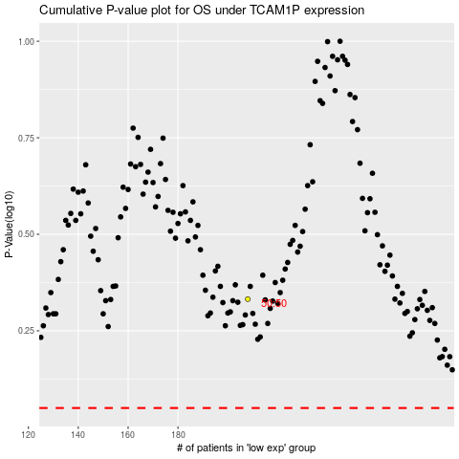

 |  |  |  |  |  | cases_OS | p_OS | rank | exp
 |  |  |  |  |  |  | cases_RFS | p_RFS | rank | exp

