TCEA1 _multivariate
Reported by Tex Li-Hsing Chi. tex@gate.sinica.edu.tw 2019-08-15

Table 2. The clinicopathological features of HNSCC cohort and TCEA1 expression. (Chi square test)
Cutoff at -0.088 (50.0%)
 |  | TCEA1 expression |  | TCEA1 expression |  | (Optimised)
 | Features | Low | (%) | High | (%) | Case no | P-value | Remark | Matthews
Gender | Female | 156 | 37.6 | 150 | 36.1 | 415 | 0.5222 | 0 | 0
2 | Male | 51 | 12.3 | 58 | 14
Age at diagnosis | <=65y | 133 | 32 | 141 | 34 | 415 | 0.5111 | 0 | 0
4 | >65y | 74 | 17.8 | 67 | 16.1
Clinical T Status | T1+T2 | 78 | 18.8 | 71 | 17.1 | 415 | 0.5152 | 0 | 0
6 | T3+T4 | 129 | 31.1 | 137 | 33
Clinical N Status | N0 | 114 | 27.5 | 102 | 24.6 | 415 | 0.2576 | 1 | 0
8 | N1-3 | 93 | 22.4 | 106 | 25.5
Clinical M Status | M0 | 205 | 49.4 | 207 | 49.9 | 415 | 0.6232 | 0 | 0
10 | M1 | 2 | 0.5 | 1 | 0.2
Clinical Stage | Stage I+II | 52 | 12.5 | 50 | 12 | 415 | 0.8871 | 0 | 0
12 | Stage III+IV | 155 | 37.3 | 158 | 38.1
Surgical Margin status | Negative | 158 | 38.1 | 160 | 38.6 | 415 | 0.9081 | 0 | 0
14 | Positive | 49 | 11.8 | 48 | 11.6
Tobacco Exposure | Low | 87 | 21 | 74 | 17.8 | 415 | 0.1911 | 0 | 0
16 | High | 120 | 28.9 | 134 | 32.3

Table 3. Univariate/Multivariate Cox's proportional hazards regression analyses on OS time of TCEA1 gene expression in HNSCC

 |  | Univariate |  |  |  | Multivariate
 | Features | HR | CI95%(L) | CI95%(H) | P-value | HR | CI95%(L) | CI95%(H) | P-value
1 | Female | 1 |  |  |  | 1
Gender | Male | 1.157 | 0.843 | 1.587 | 0.367 | 1.197 | 0.856 | 1.673 | 0.292
11 | <=65y | 1 |  |  |  | 1
Age at diagnosis | >65y | 1.329 | 0.99 | 1.784 | 0.058 | 1.4 | 1.029 | 1.903 | 0.032
12 | T1+T2 | 1 |  |  |  | 1
Clinical T Status | T3+T4 | 1.409 | 1.028 | 1.931 | 0.033 | 2.163 | 1.142 | 4.096 | 0.018
13 | N0 | 1 |  |  |  | 1
Clinical N Status | N1-3 | 1.185 | 0.89 | 1.577 | 0.246 | 1.23 | 0.861 | 1.756 | 0.256
14 | M0 | 1 |  |  |  | 1
Clinical M Status | M1 | 4.097 | 1.009 | 16.644 | 0.049 | 9.572 | 2.087 | 43.899 | 0.004
15 | Stage I+II | 1 |  |  |  | 1
Clinical Stage | Stage III+IV | 1.245 | 0.882 | 1.759 | 0.213 | 0.519 | 0.241 | 1.117 | 0.094
16 | Negative | 1 |  |  |  | 1
Surgical Margin status | Positive | 1.591 | 1.155 | 2.191 | 0.004 | 1.669 | 1.208 | 2.305 | 0.002
17 | Low | 1 |  |  |  | 1
Tobacco Exposure | High | 1.364 | 1.008 | 1.844 | 0.044 | 1.443 | 1.047 | 1.989 | 0.025
18 | Low | 1 |  |  |  | 1
RNAseq(z-score) | High | 1.125 | 0.844 | 1.499 | 0.421 | 1.111 | 0.831 | 1.485 | 0.478

Table 4. Univariate/Multivariate Cox's proportional hazards regression analyses on RFS time of TCEA1 gene expression in HNSCC

 |  | Univariate |  |  |  | Multivariate
 | Features | HR | CI95%(L) | CI95%(H) | P-value | HR | CI95%(L) | CI95%(H) | P-value
1 | Female | 1 |  |  |  | 1
Gender | Male | 1.157 | 0.843 | 1.587 | 0.367 | 1.197 | 0.856 | 1.673 | 0.292
11 | <=65y | 1 |  |  |  | 1
Age at diagnosis | >65y | 1.329 | 0.99 | 1.784 | 0.058 | 1.4 | 1.029 | 1.903 | 0.032
12 | T1+T2 | 1 |  |  |  | 1
Clinical T Status | T3+T4 | 1.409 | 1.028 | 1.931 | 0.033 | 2.163 | 1.142 | 4.096 | 0.018
13 | N0 | 1 |  |  |  | 1
Clinical N Status | N1-3 | 1.185 | 0.89 | 1.577 | 0.246 | 1.23 | 0.861 | 1.756 | 0.256
14 | M0 | 1 |  |  |  | 1
Clinical M Status | M1 | 4.097 | 1.009 | 16.644 | 0.049 | 9.572 | 2.087 | 43.899 | 0.004
15 | Stage I+II | 1 |  |  |  | 1
Clinical Stage | Stage III+IV | 1.245 | 0.882 | 1.759 | 0.213 | 0.519 | 0.241 | 1.117 | 0.094
16 | Negative | 1 |  |  |  | 1
Surgical Margin status | Positive | 1.591 | 1.155 | 2.191 | 0.004 | 1.669 | 1.208 | 2.305 | 0.002
17 | Low | 1 |  |  |  | 1
Tobacco Exposure | High | 1.364 | 1.008 | 1.844 | 0.044 | 1.443 | 1.047 | 1.989 | 0.025
18 | Low | 1 |  |  |  | 1
RNAseq(z-score) | High | 1.125 | 0.844 | 1.499 | 0.421 | 1.111 | 0.831 | 1.485 | 0.478

Kaplan-Meier survival estimate: Cutoff at -0.088 (50.0%)



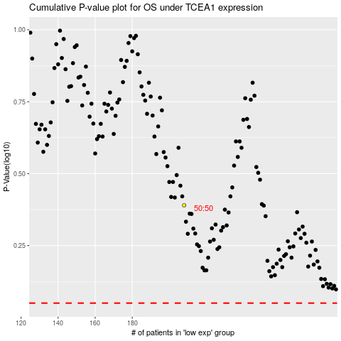

 |  |  |  |  |  | cases_OS | p_OS | rank | exp
 |  |  |  |  |  |  | cases_RFS | p_RFS | rank | exp

