TCEAL2 _multivariate
Reported by Tex Li-Hsing Chi. tex@gate.sinica.edu.tw 2019-08-15

Table 2. The clinicopathological features of HNSCC cohort and TCEAL2 expression. (Chi square test)
Cutoff at -0.189 (49.8%)
 |  | TCEAL2 expression |  | TCEAL2 expression |  | (Optimised)
 | Features | Low | (%) | High | (%) | Case no | P-value | Remark | Matthews
Gender | Female | 153 | 36.9 | 153 | 36.9 | 415 | 1 | 0 | 0
2 | Male | 54 | 13 | 55 | 13.3
Age at diagnosis | <=65y | 135 | 32.5 | 139 | 33.5 | 415 | 0.8084 | 0 | 0
4 | >65y | 72 | 17.3 | 69 | 16.6
Clinical T Status | T1+T2 | 75 | 18.1 | 74 | 17.8 | 415 | 0.9707 | 0 | 0
6 | T3+T4 | 132 | 31.8 | 134 | 32.3
Clinical N Status | N0 | 102 | 24.6 | 114 | 27.5 | 415 | 0.3031 | 0 | 0
8 | N1-3 | 105 | 25.3 | 94 | 22.7
Clinical M Status | M0 | 204 | 49.2 | 208 | 50.1 | 415 | 0.1232 | 0 | 0
10 | M1 | 3 | 0.7 | 0 | 0
Clinical Stage | Stage I+II | 50 | 12 | 52 | 12.5 | 415 | 0.9315 | 0 | 0
12 | Stage III+IV | 157 | 37.8 | 156 | 37.6
Surgical Margin status | Negative | 160 | 38.6 | 158 | 38.1 | 415 | 0.8167 | 0 | 0
14 | Positive | 47 | 11.3 | 50 | 12
Tobacco Exposure | Low | 94 | 22.7 | 67 | 16.1 | 415 | 0.0065 | 1 | 0
16 | High | 113 | 27.2 | 141 | 34

Table 3. Univariate/Multivariate Cox's proportional hazards regression analyses on OS time of TCEAL2 gene expression in HNSCC

 |  | Univariate |  |  |  | Multivariate
 | Features | HR | CI95%(L) | CI95%(H) | P-value | HR | CI95%(L) | CI95%(H) | P-value
1 | Female | 1 |  |  |  | 1
Gender | Male | 1.157 | 0.843 | 1.587 | 0.367 | 1.216 | 0.869 | 1.702 | 0.253
11 | <=65y | 1 |  |  |  | 1
Age at diagnosis | >65y | 1.329 | 0.99 | 1.784 | 0.058 | 1.406 | 1.034 | 1.911 | 0.03
12 | T1+T2 | 1 |  |  |  | 1
Clinical T Status | T3+T4 | 1.409 | 1.028 | 1.931 | 0.033 | 2.214 | 1.171 | 4.187 | 0.014
13 | N0 | 1 |  |  |  | 1
Clinical N Status | N1-3 | 1.185 | 0.89 | 1.577 | 0.246 | 1.227 | 0.859 | 1.752 | 0.26
14 | M0 | 1 |  |  |  | 1
Clinical M Status | M1 | 4.097 | 1.009 | 16.644 | 0.049 | 8.734 | 1.897 | 40.209 | 0.005
15 | Stage I+II | 1 |  |  |  | 1
Clinical Stage | Stage III+IV | 1.245 | 0.882 | 1.759 | 0.213 | 0.507 | 0.236 | 1.089 | 0.082
16 | Negative | 1 |  |  |  | 1
Surgical Margin status | Positive | 1.591 | 1.155 | 2.191 | 0.004 | 1.685 | 1.219 | 2.328 | 0.002
17 | Low | 1 |  |  |  | 1
Tobacco Exposure | High | 1.364 | 1.008 | 1.844 | 0.044 | 1.497 | 1.082 | 2.073 | 0.015
18 | Low | 1 |  |  |  | 1
RNAseq(z-score) | High | 0.893 | 0.67 | 1.19 | 0.44 | 0.833 | 0.622 | 1.117 | 0.223

Table 4. Univariate/Multivariate Cox's proportional hazards regression analyses on RFS time of TCEAL2 gene expression in HNSCC

 |  | Univariate |  |  |  | Multivariate
 | Features | HR | CI95%(L) | CI95%(H) | P-value | HR | CI95%(L) | CI95%(H) | P-value
1 | Female | 1 |  |  |  | 1
Gender | Male | 1.157 | 0.843 | 1.587 | 0.367 | 1.216 | 0.869 | 1.702 | 0.253
11 | <=65y | 1 |  |  |  | 1
Age at diagnosis | >65y | 1.329 | 0.99 | 1.784 | 0.058 | 1.406 | 1.034 | 1.911 | 0.03
12 | T1+T2 | 1 |  |  |  | 1
Clinical T Status | T3+T4 | 1.409 | 1.028 | 1.931 | 0.033 | 2.214 | 1.171 | 4.187 | 0.014
13 | N0 | 1 |  |  |  | 1
Clinical N Status | N1-3 | 1.185 | 0.89 | 1.577 | 0.246 | 1.227 | 0.859 | 1.752 | 0.26
14 | M0 | 1 |  |  |  | 1
Clinical M Status | M1 | 4.097 | 1.009 | 16.644 | 0.049 | 8.734 | 1.897 | 40.209 | 0.005
15 | Stage I+II | 1 |  |  |  | 1
Clinical Stage | Stage III+IV | 1.245 | 0.882 | 1.759 | 0.213 | 0.507 | 0.236 | 1.089 | 0.082
16 | Negative | 1 |  |  |  | 1
Surgical Margin status | Positive | 1.591 | 1.155 | 2.191 | 0.004 | 1.685 | 1.219 | 2.328 | 0.002
17 | Low | 1 |  |  |  | 1
Tobacco Exposure | High | 1.364 | 1.008 | 1.844 | 0.044 | 1.497 | 1.082 | 2.073 | 0.015
18 | Low | 1 |  |  |  | 1
RNAseq(z-score) | High | 0.893 | 0.67 | 1.19 | 0.44 | 0.833 | 0.622 | 1.117 | 0.223

Kaplan-Meier survival estimate: Cutoff at -0.189 (49.8%)



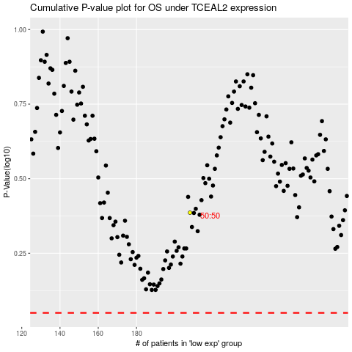

 |  |  |  |  |  | cases_OS | p_OS | rank | exp
 |  |  |  |  |  |  | cases_RFS | p_RFS | rank | exp

