TCEAL6 _multivariate
Reported by Tex Li-Hsing Chi. tex@gate.sinica.edu.tw 2019-08-15

Table 2. The clinicopathological features of HNSCC cohort and TCEAL6 expression. (Chi square test)
Cutoff at -0.226 (50.0%)
 |  | TCEAL6 expression |  | TCEAL6 expression |  | (Optimised)
 | Features | Low | (%) | High | (%) | Case no | P-value | Remark | Matthews
Gender | Female | 147 | 35.4 | 159 | 38.3 | 415 | 0.2523 | 0 | 0
2 | Male | 60 | 14.5 | 49 | 11.8
Age at diagnosis | <=65y | 135 | 32.5 | 139 | 33.5 | 415 | 0.8084 | 0 | 0
4 | >65y | 72 | 17.3 | 69 | 16.6
Clinical T Status | T1+T2 | 73 | 17.6 | 76 | 18.3 | 415 | 0.8666 | 0 | 0
6 | T3+T4 | 134 | 32.3 | 132 | 31.8
Clinical N Status | N0 | 101 | 24.3 | 115 | 27.7 | 415 | 0.2201 | 0 | 0
8 | N1-3 | 106 | 25.5 | 93 | 22.4
Clinical M Status | M0 | 204 | 49.2 | 208 | 50.1 | 415 | 0.1232 | 0 | 0
10 | M1 | 3 | 0.7 | 0 | 0
Clinical Stage | Stage I+II | 50 | 12 | 52 | 12.5 | 415 | 0.9315 | 0 | 0
12 | Stage III+IV | 157 | 37.8 | 156 | 37.6
Surgical Margin status | Negative | 160 | 38.6 | 158 | 38.1 | 415 | 0.8167 | 0 | 0
14 | Positive | 47 | 11.3 | 50 | 12
Tobacco Exposure | Low | 85 | 20.5 | 76 | 18.3 | 415 | 0.3655 | 0 | 0
16 | High | 122 | 29.4 | 132 | 31.8

Table 3. Univariate/Multivariate Cox's proportional hazards regression analyses on OS time of TCEAL6 gene expression in HNSCC

 |  | Univariate |  |  |  | Multivariate
 | Features | HR | CI95%(L) | CI95%(H) | P-value | HR | CI95%(L) | CI95%(H) | P-value
1 | Female | 1 |  |  |  | 1
Gender | Male | 1.157 | 0.843 | 1.587 | 0.367 | 1.202 | 0.86 | 1.679 | 0.281
11 | <=65y | 1 |  |  |  | 1
Age at diagnosis | >65y | 1.329 | 0.99 | 1.784 | 0.058 | 1.392 | 1.024 | 1.892 | 0.035
12 | T1+T2 | 1 |  |  |  | 1
Clinical T Status | T3+T4 | 1.409 | 1.028 | 1.931 | 0.033 | 2.204 | 1.164 | 4.174 | 0.015
13 | N0 | 1 |  |  |  | 1
Clinical N Status | N1-3 | 1.185 | 0.89 | 1.577 | 0.246 | 1.242 | 0.868 | 1.776 | 0.235
14 | M0 | 1 |  |  |  | 1
Clinical M Status | M1 | 4.097 | 1.009 | 16.644 | 0.049 | 9.435 | 2.041 | 43.619 | 0.004
15 | Stage I+II | 1 |  |  |  | 1
Clinical Stage | Stage III+IV | 1.245 | 0.882 | 1.759 | 0.213 | 0.504 | 0.235 | 1.083 | 0.079
16 | Negative | 1 |  |  |  | 1
Surgical Margin status | Positive | 1.591 | 1.155 | 2.191 | 0.004 | 1.672 | 1.21 | 2.31 | 0.002
17 | Low | 1 |  |  |  | 1
Tobacco Exposure | High | 1.364 | 1.008 | 1.844 | 0.044 | 1.452 | 1.051 | 2.006 | 0.024
18 | Low | 1 |  |  |  | 1
RNAseq(z-score) | High | 0.959 | 0.72 | 1.277 | 0.776 | 1.005 | 0.749 | 1.349 | 0.971

Table 4. Univariate/Multivariate Cox's proportional hazards regression analyses on RFS time of TCEAL6 gene expression in HNSCC

 |  | Univariate |  |  |  | Multivariate
 | Features | HR | CI95%(L) | CI95%(H) | P-value | HR | CI95%(L) | CI95%(H) | P-value
1 | Female | 1 |  |  |  | 1
Gender | Male | 1.157 | 0.843 | 1.587 | 0.367 | 1.202 | 0.86 | 1.679 | 0.281
11 | <=65y | 1 |  |  |  | 1
Age at diagnosis | >65y | 1.329 | 0.99 | 1.784 | 0.058 | 1.392 | 1.024 | 1.892 | 0.035
12 | T1+T2 | 1 |  |  |  | 1
Clinical T Status | T3+T4 | 1.409 | 1.028 | 1.931 | 0.033 | 2.204 | 1.164 | 4.174 | 0.015
13 | N0 | 1 |  |  |  | 1
Clinical N Status | N1-3 | 1.185 | 0.89 | 1.577 | 0.246 | 1.242 | 0.868 | 1.776 | 0.235
14 | M0 | 1 |  |  |  | 1
Clinical M Status | M1 | 4.097 | 1.009 | 16.644 | 0.049 | 9.435 | 2.041 | 43.619 | 0.004
15 | Stage I+II | 1 |  |  |  | 1
Clinical Stage | Stage III+IV | 1.245 | 0.882 | 1.759 | 0.213 | 0.504 | 0.235 | 1.083 | 0.079
16 | Negative | 1 |  |  |  | 1
Surgical Margin status | Positive | 1.591 | 1.155 | 2.191 | 0.004 | 1.672 | 1.21 | 2.31 | 0.002
17 | Low | 1 |  |  |  | 1
Tobacco Exposure | High | 1.364 | 1.008 | 1.844 | 0.044 | 1.452 | 1.051 | 2.006 | 0.024
18 | Low | 1 |  |  |  | 1
RNAseq(z-score) | High | 0.959 | 0.72 | 1.277 | 0.776 | 1.005 | 0.749 | 1.349 | 0.971

Kaplan-Meier survival estimate: Cutoff at -0.226 (50.0%)



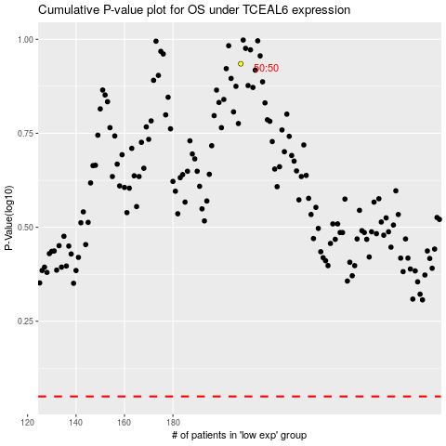

 |  |  |  |  |  | cases_OS | p_OS | rank | exp
 |  |  |  |  |  |  | cases_RFS | p_RFS | rank | exp

