TCEB1 _multivariate
Reported by Tex Li-Hsing Chi. tex@gate.sinica.edu.tw 2019-08-15

Table 2. The clinicopathological features of HNSCC cohort and TCEB1 expression. (Chi square test)
Cutoff at -0.14 (50.0%)
 |  | TCEB1 expression |  | TCEB1 expression |  | (Optimised)
 | Features | Low | (%) | High | (%) | Case no | P-value | Remark | Matthews
Gender | Female | 160 | 38.6 | 146 | 35.2 | 415 | 0.1254 | 0 | 0
2 | Male | 47 | 11.3 | 62 | 14.9
Age at diagnosis | <=65y | 137 | 33 | 137 | 33 | 415 | 1 | 0 | 0
4 | >65y | 70 | 16.9 | 71 | 17.1
Clinical T Status | T1+T2 | 72 | 17.3 | 77 | 18.6 | 415 | 0.7095 | 0 | 0
6 | T3+T4 | 135 | 32.5 | 131 | 31.6
Clinical N Status | N0 | 108 | 26 | 108 | 26 | 415 | 1 | 0 | 0
8 | N1-3 | 99 | 23.9 | 100 | 24.1
Clinical M Status | M0 | 207 | 49.9 | 205 | 49.4 | 415 | 0.2482 | 0 | 0
10 | M1 | 0 | 0 | 3 | 0.7
Clinical Stage | Stage I+II | 47 | 11.3 | 55 | 13.3 | 415 | 0.4413 | 0 | 0
12 | Stage III+IV | 160 | 38.6 | 153 | 36.9
Surgical Margin status | Negative | 157 | 37.8 | 161 | 38.8 | 415 | 0.729 | 0 | 0
14 | Positive | 50 | 12 | 47 | 11.3
Tobacco Exposure | Low | 75 | 18.1 | 86 | 20.7 | 415 | 0.3141 | 0 | 0
16 | High | 132 | 31.8 | 122 | 29.4

Table 3. Univariate/Multivariate Cox's proportional hazards regression analyses on OS time of TCEB1 gene expression in HNSCC

 |  | Univariate |  |  |  | Multivariate
 | Features | HR | CI95%(L) | CI95%(H) | P-value | HR | CI95%(L) | CI95%(H) | P-value
1 | Female | 1 |  |  |  | 1
Gender | Male | 1.157 | 0.843 | 1.587 | 0.367 | 1.191 | 0.849 | 1.672 | 0.312
11 | <=65y | 1 |  |  |  | 1
Age at diagnosis | >65y | 1.329 | 0.99 | 1.784 | 0.058 | 1.39 | 1.023 | 1.89 | 0.035
12 | T1+T2 | 1 |  |  |  | 1
Clinical T Status | T3+T4 | 1.409 | 1.028 | 1.931 | 0.033 | 2.189 | 1.157 | 4.143 | 0.016
13 | N0 | 1 |  |  |  | 1
Clinical N Status | N1-3 | 1.185 | 0.89 | 1.577 | 0.246 | 1.236 | 0.866 | 1.765 | 0.243
14 | M0 | 1 |  |  |  | 1
Clinical M Status | M1 | 4.097 | 1.009 | 16.644 | 0.049 | 9.121 | 1.966 | 42.314 | 0.005
15 | Stage I+II | 1 |  |  |  | 1
Clinical Stage | Stage III+IV | 1.245 | 0.882 | 1.759 | 0.213 | 0.511 | 0.237 | 1.1 | 0.086
16 | Negative | 1 |  |  |  | 1
Surgical Margin status | Positive | 1.591 | 1.155 | 2.191 | 0.004 | 1.67 | 1.208 | 2.307 | 0.002
17 | Low | 1 |  |  |  | 1
Tobacco Exposure | High | 1.364 | 1.008 | 1.844 | 0.044 | 1.453 | 1.055 | 2.003 | 0.022
18 | Low | 1 |  |  |  | 1
RNAseq(z-score) | High | 1.103 | 0.828 | 1.471 | 0.503 | 1.048 | 0.779 | 1.411 | 0.756

Table 4. Univariate/Multivariate Cox's proportional hazards regression analyses on RFS time of TCEB1 gene expression in HNSCC

 |  | Univariate |  |  |  | Multivariate
 | Features | HR | CI95%(L) | CI95%(H) | P-value | HR | CI95%(L) | CI95%(H) | P-value
1 | Female | 1 |  |  |  | 1
Gender | Male | 1.157 | 0.843 | 1.587 | 0.367 | 1.191 | 0.849 | 1.672 | 0.312
11 | <=65y | 1 |  |  |  | 1
Age at diagnosis | >65y | 1.329 | 0.99 | 1.784 | 0.058 | 1.39 | 1.023 | 1.89 | 0.035
12 | T1+T2 | 1 |  |  |  | 1
Clinical T Status | T3+T4 | 1.409 | 1.028 | 1.931 | 0.033 | 2.189 | 1.157 | 4.143 | 0.016
13 | N0 | 1 |  |  |  | 1
Clinical N Status | N1-3 | 1.185 | 0.89 | 1.577 | 0.246 | 1.236 | 0.866 | 1.765 | 0.243
14 | M0 | 1 |  |  |  | 1
Clinical M Status | M1 | 4.097 | 1.009 | 16.644 | 0.049 | 9.121 | 1.966 | 42.314 | 0.005
15 | Stage I+II | 1 |  |  |  | 1
Clinical Stage | Stage III+IV | 1.245 | 0.882 | 1.759 | 0.213 | 0.511 | 0.237 | 1.1 | 0.086
16 | Negative | 1 |  |  |  | 1
Surgical Margin status | Positive | 1.591 | 1.155 | 2.191 | 0.004 | 1.67 | 1.208 | 2.307 | 0.002
17 | Low | 1 |  |  |  | 1
Tobacco Exposure | High | 1.364 | 1.008 | 1.844 | 0.044 | 1.453 | 1.055 | 2.003 | 0.022
18 | Low | 1 |  |  |  | 1
RNAseq(z-score) | High | 1.103 | 0.828 | 1.471 | 0.503 | 1.048 | 0.779 | 1.411 | 0.756

Kaplan-Meier survival estimate: Cutoff at -0.14 (50.0%)



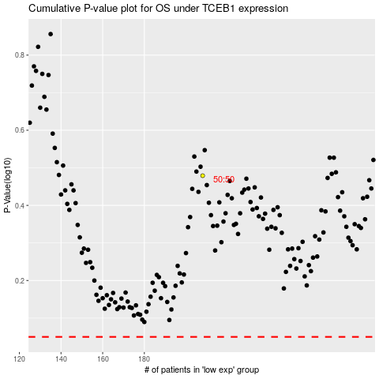

 |  |  |  |  |  | cases_OS | p_OS | rank | exp
 |  |  |  |  |  |  | cases_RFS | p_RFS | rank | exp

