TCEB3 _multivariate
Reported by Tex Li-Hsing Chi. tex@gate.sinica.edu.tw 2019-08-15

Table 2. The clinicopathological features of HNSCC cohort and TCEB3 expression. (Chi square test)
Cutoff at -0.073 (50.0%)
 |  | TCEB3 expression |  | TCEB3 expression |  | (Optimised)
 | Features | Low | (%) | High | (%) | Case no | P-value | Remark | Matthews
Gender | Female | 159 | 38.3 | 147 | 35.4 | 415 | 0.1905 | 0 | 0
2 | Male | 48 | 11.6 | 61 | 14.7
Age at diagnosis | <=65y | 145 | 34.9 | 129 | 31.1 | 415 | 0.1046 | 0 | 0
4 | >65y | 62 | 14.9 | 79 | 19
Clinical T Status | T1+T2 | 73 | 17.6 | 76 | 18.3 | 415 | 0.8666 | 0 | 0
6 | T3+T4 | 134 | 32.3 | 132 | 31.8
Clinical N Status | N0 | 104 | 25.1 | 112 | 27 | 415 | 0.5243 | 0 | 0
8 | N1-3 | 103 | 24.8 | 96 | 23.1
Clinical M Status | M0 | 207 | 49.9 | 205 | 49.4 | 415 | 0.2482 | 0 | 0
10 | M1 | 0 | 0 | 3 | 0.7
Clinical Stage | Stage I+II | 46 | 11.1 | 56 | 13.5 | 415 | 0.3182 | 0 | 0
12 | Stage III+IV | 161 | 38.8 | 152 | 36.6
Surgical Margin status | Negative | 154 | 37.1 | 164 | 39.5 | 415 | 0.2984 | 0 | 0
14 | Positive | 53 | 12.8 | 44 | 10.6
Tobacco Exposure | Low | 83 | 20 | 78 | 18.8 | 415 | 0.6152 | 0 | 0
16 | High | 124 | 29.9 | 130 | 31.3

Table 3. Univariate/Multivariate Cox's proportional hazards regression analyses on OS time of TCEB3 gene expression in HNSCC

 |  | Univariate |  |  |  | Multivariate
 | Features | HR | CI95%(L) | CI95%(H) | P-value | HR | CI95%(L) | CI95%(H) | P-value
1 | Female | 1 |  |  |  | 1
Gender | Male | 1.157 | 0.843 | 1.587 | 0.367 | 1.186 | 0.848 | 1.658 | 0.32
11 | <=65y | 1 |  |  |  | 1
Age at diagnosis | >65y | 1.329 | 0.99 | 1.784 | 0.058 | 1.373 | 1.008 | 1.871 | 0.044
12 | T1+T2 | 1 |  |  |  | 1
Clinical T Status | T3+T4 | 1.409 | 1.028 | 1.931 | 0.033 | 2.212 | 1.169 | 4.184 | 0.015
13 | N0 | 1 |  |  |  | 1
Clinical N Status | N1-3 | 1.185 | 0.89 | 1.577 | 0.246 | 1.249 | 0.875 | 1.784 | 0.22
14 | M0 | 1 |  |  |  | 1
Clinical M Status | M1 | 4.097 | 1.009 | 16.644 | 0.049 | 8.825 | 1.91 | 40.783 | 0.005
15 | Stage I+II | 1 |  |  |  | 1
Clinical Stage | Stage III+IV | 1.245 | 0.882 | 1.759 | 0.213 | 0.506 | 0.235 | 1.086 | 0.08
16 | Negative | 1 |  |  |  | 1
Surgical Margin status | Positive | 1.591 | 1.155 | 2.191 | 0.004 | 1.698 | 1.226 | 2.352 | 0.001
17 | Low | 1 |  |  |  | 1
Tobacco Exposure | High | 1.364 | 1.008 | 1.844 | 0.044 | 1.44 | 1.044 | 1.986 | 0.026
18 | Low | 1 |  |  |  | 1
RNAseq(z-score) | High | 1.149 | 0.862 | 1.53 | 0.343 | 1.126 | 0.838 | 1.512 | 0.431

Table 4. Univariate/Multivariate Cox's proportional hazards regression analyses on RFS time of TCEB3 gene expression in HNSCC

 |  | Univariate |  |  |  | Multivariate
 | Features | HR | CI95%(L) | CI95%(H) | P-value | HR | CI95%(L) | CI95%(H) | P-value
1 | Female | 1 |  |  |  | 1
Gender | Male | 1.157 | 0.843 | 1.587 | 0.367 | 1.186 | 0.848 | 1.658 | 0.32
11 | <=65y | 1 |  |  |  | 1
Age at diagnosis | >65y | 1.329 | 0.99 | 1.784 | 0.058 | 1.373 | 1.008 | 1.871 | 0.044
12 | T1+T2 | 1 |  |  |  | 1
Clinical T Status | T3+T4 | 1.409 | 1.028 | 1.931 | 0.033 | 2.212 | 1.169 | 4.184 | 0.015
13 | N0 | 1 |  |  |  | 1
Clinical N Status | N1-3 | 1.185 | 0.89 | 1.577 | 0.246 | 1.249 | 0.875 | 1.784 | 0.22
14 | M0 | 1 |  |  |  | 1
Clinical M Status | M1 | 4.097 | 1.009 | 16.644 | 0.049 | 8.825 | 1.91 | 40.783 | 0.005
15 | Stage I+II | 1 |  |  |  | 1
Clinical Stage | Stage III+IV | 1.245 | 0.882 | 1.759 | 0.213 | 0.506 | 0.235 | 1.086 | 0.08
16 | Negative | 1 |  |  |  | 1
Surgical Margin status | Positive | 1.591 | 1.155 | 2.191 | 0.004 | 1.698 | 1.226 | 2.352 | 0.001
17 | Low | 1 |  |  |  | 1
Tobacco Exposure | High | 1.364 | 1.008 | 1.844 | 0.044 | 1.44 | 1.044 | 1.986 | 0.026
18 | Low | 1 |  |  |  | 1
RNAseq(z-score) | High | 1.149 | 0.862 | 1.53 | 0.343 | 1.126 | 0.838 | 1.512 | 0.431

Kaplan-Meier survival estimate: Cutoff at -0.073 (50.0%)



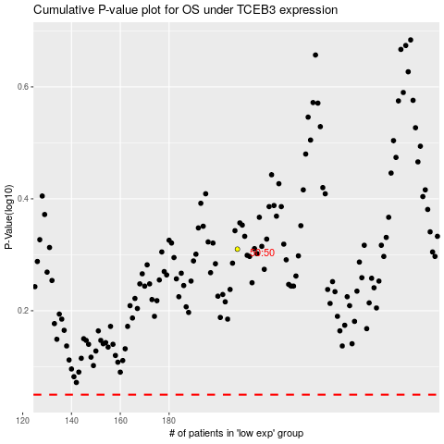

 |  |  |  |  |  | cases_OS | p_OS | rank | exp
 |  |  |  |  |  |  | cases_RFS | p_RFS | rank | exp

