TCERG1 _multivariate
Reported by Tex Li-Hsing Chi. tex@gate.sinica.edu.tw 2019-08-15

Table 2. The clinicopathological features of HNSCC cohort and TCERG1 expression. (Chi square test)
Cutoff at -0.044 (49.8%)
 |  | TCERG1 expression |  | TCERG1 expression |  | (Optimised)
 | Features | Low | (%) | High | (%) | Case no | P-value | Remark | Matthews
Gender | Female | 146 | 35.2 | 160 | 38.6 | 415 | 0.1714 | 0 | 0
2 | Male | 61 | 14.7 | 48 | 11.6
Age at diagnosis | <=65y | 139 | 33.5 | 135 | 32.5 | 415 | 0.7044 | 0 | 0
4 | >65y | 68 | 16.4 | 73 | 17.6
Clinical T Status | T1+T2 | 75 | 18.1 | 74 | 17.8 | 415 | 0.9707 | 0 | 0
6 | T3+T4 | 132 | 31.8 | 134 | 32.3
Clinical N Status | N0 | 111 | 26.7 | 105 | 25.3 | 415 | 0.5875 | 0 | 0
8 | N1-3 | 96 | 23.1 | 103 | 24.8
Clinical M Status | M0 | 206 | 49.6 | 206 | 49.6 | 415 | 1 | 0 | 0
10 | M1 | 1 | 0.2 | 2 | 0.5
Clinical Stage | Stage I+II | 55 | 13.3 | 47 | 11.3 | 415 | 0.4087 | 0 | 0
12 | Stage III+IV | 152 | 36.6 | 161 | 38.8
Surgical Margin status | Negative | 163 | 39.3 | 155 | 37.3 | 415 | 0.3537 | 0 | 0
14 | Positive | 44 | 10.6 | 53 | 12.8
Tobacco Exposure | Low | 84 | 20.2 | 77 | 18.6 | 415 | 0.4816 | 0 | 0
16 | High | 123 | 29.6 | 131 | 31.6

Table 3. Univariate/Multivariate Cox's proportional hazards regression analyses on OS time of TCERG1 gene expression in HNSCC

 |  | Univariate |  |  |  | Multivariate
 | Features | HR | CI95%(L) | CI95%(H) | P-value | HR | CI95%(L) | CI95%(H) | P-value
1 | Female | 1 |  |  |  | 1
Gender | Male | 1.157 | 0.843 | 1.587 | 0.367 | 1.173 | 0.837 | 1.644 | 0.353
11 | <=65y | 1 |  |  |  | 1
Age at diagnosis | >65y | 1.329 | 0.99 | 1.784 | 0.058 | 1.416 | 1.04 | 1.927 | 0.027
12 | T1+T2 | 1 |  |  |  | 1
Clinical T Status | T3+T4 | 1.409 | 1.028 | 1.931 | 0.033 | 2.165 | 1.143 | 4.098 | 0.018
13 | N0 | 1 |  |  |  | 1
Clinical N Status | N1-3 | 1.185 | 0.89 | 1.577 | 0.246 | 1.233 | 0.864 | 1.76 | 0.248
14 | M0 | 1 |  |  |  | 1
Clinical M Status | M1 | 4.097 | 1.009 | 16.644 | 0.049 | 9.344 | 2.039 | 42.833 | 0.004
15 | Stage I+II | 1 |  |  |  | 1
Clinical Stage | Stage III+IV | 1.245 | 0.882 | 1.759 | 0.213 | 0.514 | 0.239 | 1.104 | 0.088
16 | Negative | 1 |  |  |  | 1
Surgical Margin status | Positive | 1.591 | 1.155 | 2.191 | 0.004 | 1.675 | 1.212 | 2.314 | 0.002
17 | Low | 1 |  |  |  | 1
Tobacco Exposure | High | 1.364 | 1.008 | 1.844 | 0.044 | 1.439 | 1.045 | 1.982 | 0.026
18 | Low | 1 |  |  |  | 1
RNAseq(z-score) | High | 0.851 | 0.638 | 1.134 | 0.271 | 0.861 | 0.642 | 1.155 | 0.318

Table 4. Univariate/Multivariate Cox's proportional hazards regression analyses on RFS time of TCERG1 gene expression in HNSCC

 |  | Univariate |  |  |  | Multivariate
 | Features | HR | CI95%(L) | CI95%(H) | P-value | HR | CI95%(L) | CI95%(H) | P-value
1 | Female | 1 |  |  |  | 1
Gender | Male | 1.157 | 0.843 | 1.587 | 0.367 | 1.173 | 0.837 | 1.644 | 0.353
11 | <=65y | 1 |  |  |  | 1
Age at diagnosis | >65y | 1.329 | 0.99 | 1.784 | 0.058 | 1.416 | 1.04 | 1.927 | 0.027
12 | T1+T2 | 1 |  |  |  | 1
Clinical T Status | T3+T4 | 1.409 | 1.028 | 1.931 | 0.033 | 2.165 | 1.143 | 4.098 | 0.018
13 | N0 | 1 |  |  |  | 1
Clinical N Status | N1-3 | 1.185 | 0.89 | 1.577 | 0.246 | 1.233 | 0.864 | 1.76 | 0.248
14 | M0 | 1 |  |  |  | 1
Clinical M Status | M1 | 4.097 | 1.009 | 16.644 | 0.049 | 9.344 | 2.039 | 42.833 | 0.004
15 | Stage I+II | 1 |  |  |  | 1
Clinical Stage | Stage III+IV | 1.245 | 0.882 | 1.759 | 0.213 | 0.514 | 0.239 | 1.104 | 0.088
16 | Negative | 1 |  |  |  | 1
Surgical Margin status | Positive | 1.591 | 1.155 | 2.191 | 0.004 | 1.675 | 1.212 | 2.314 | 0.002
17 | Low | 1 |  |  |  | 1
Tobacco Exposure | High | 1.364 | 1.008 | 1.844 | 0.044 | 1.439 | 1.045 | 1.982 | 0.026
18 | Low | 1 |  |  |  | 1
RNAseq(z-score) | High | 0.851 | 0.638 | 1.134 | 0.271 | 0.861 | 0.642 | 1.155 | 0.318

Kaplan-Meier survival estimate: Cutoff at -0.044 (49.8%)



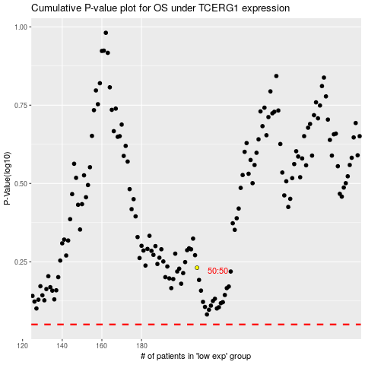

 |  |  |  |  |  | cases_OS | p_OS | rank | exp
 |  |  |  |  |  |  | cases_RFS | p_RFS | rank | exp

