TCF15 _multivariate
Reported by Tex Li-Hsing Chi. tex@gate.sinica.edu.tw 2019-08-15

Table 2. The clinicopathological features of HNSCC cohort and TCF15 expression. (Chi square test)
Cutoff at -0.382 (49.8%)
 |  | TCF15 expression |  | TCF15 expression |  | (Optimised)
 | Features | Low | (%) | High | (%) | Case no | P-value | Remark | Matthews
Gender | Female | 137 | 33 | 169 | 40.7 | 415 | 7e-04 | 1 | 0
2 | Male | 70 | 16.9 | 39 | 9.4
Age at diagnosis | <=65y | 130 | 31.3 | 144 | 34.7 | 415 | 0.2009 | 0 | 0
4 | >65y | 77 | 18.6 | 64 | 15.4
Clinical T Status | T1+T2 | 80 | 19.3 | 69 | 16.6 | 415 | 0.2891 | 0 | 0
6 | T3+T4 | 127 | 30.6 | 139 | 33.5
Clinical N Status | N0 | 115 | 27.7 | 101 | 24.3 | 415 | 0.184 | 1 | 0
8 | N1-3 | 92 | 22.2 | 107 | 25.8
Clinical M Status | M0 | 206 | 49.6 | 206 | 49.6 | 415 | 1 | 0 | 0
10 | M1 | 1 | 0.2 | 2 | 0.5
Clinical Stage | Stage I+II | 62 | 14.9 | 40 | 9.6 | 415 | 0.0154 | 1 | 0
12 | Stage III+IV | 145 | 34.9 | 168 | 40.5
Surgical Margin status | Negative | 163 | 39.3 | 155 | 37.3 | 415 | 0.3537 | 0 | 0
14 | Positive | 44 | 10.6 | 53 | 12.8
Tobacco Exposure | Low | 97 | 23.4 | 64 | 15.4 | 415 | 9e-04 | 1 | 0
16 | High | 110 | 26.5 | 144 | 34.7

Table 3. Univariate/Multivariate Cox's proportional hazards regression analyses on OS time of TCF15 gene expression in HNSCC

 |  | Univariate |  |  |  | Multivariate
 | Features | HR | CI95%(L) | CI95%(H) | P-value | HR | CI95%(L) | CI95%(H) | P-value
1 | Female | 1 |  |  |  | 1
Gender | Male | 1.157 | 0.843 | 1.587 | 0.367 | 1.158 | 0.825 | 1.624 | 0.397
11 | <=65y | 1 |  |  |  | 1
Age at diagnosis | >65y | 1.329 | 0.99 | 1.784 | 0.058 | 1.394 | 1.025 | 1.896 | 0.034
12 | T1+T2 | 1 |  |  |  | 1
Clinical T Status | T3+T4 | 1.409 | 1.028 | 1.931 | 0.033 | 2.177 | 1.15 | 4.119 | 0.017
13 | N0 | 1 |  |  |  | 1
Clinical N Status | N1-3 | 1.185 | 0.89 | 1.577 | 0.246 | 1.235 | 0.866 | 1.761 | 0.245
14 | M0 | 1 |  |  |  | 1
Clinical M Status | M1 | 4.097 | 1.009 | 16.644 | 0.049 | 9.401 | 2.05 | 43.109 | 0.004
15 | Stage I+II | 1 |  |  |  | 1
Clinical Stage | Stage III+IV | 1.245 | 0.882 | 1.759 | 0.213 | 0.526 | 0.244 | 1.133 | 0.101
16 | Negative | 1 |  |  |  | 1
Surgical Margin status | Positive | 1.591 | 1.155 | 2.191 | 0.004 | 1.694 | 1.225 | 2.342 | 0.001
17 | Low | 1 |  |  |  | 1
Tobacco Exposure | High | 1.364 | 1.008 | 1.844 | 0.044 | 1.473 | 1.069 | 2.031 | 0.018
18 | Low | 1 |  |  |  | 1
RNAseq(z-score) | High | 0.84 | 0.63 | 1.119 | 0.233 | 0.817 | 0.607 | 1.099 | 0.182

Table 4. Univariate/Multivariate Cox's proportional hazards regression analyses on RFS time of TCF15 gene expression in HNSCC

 |  | Univariate |  |  |  | Multivariate
 | Features | HR | CI95%(L) | CI95%(H) | P-value | HR | CI95%(L) | CI95%(H) | P-value
1 | Female | 1 |  |  |  | 1
Gender | Male | 1.157 | 0.843 | 1.587 | 0.367 | 1.158 | 0.825 | 1.624 | 0.397
11 | <=65y | 1 |  |  |  | 1
Age at diagnosis | >65y | 1.329 | 0.99 | 1.784 | 0.058 | 1.394 | 1.025 | 1.896 | 0.034
12 | T1+T2 | 1 |  |  |  | 1
Clinical T Status | T3+T4 | 1.409 | 1.028 | 1.931 | 0.033 | 2.177 | 1.15 | 4.119 | 0.017
13 | N0 | 1 |  |  |  | 1
Clinical N Status | N1-3 | 1.185 | 0.89 | 1.577 | 0.246 | 1.235 | 0.866 | 1.761 | 0.245
14 | M0 | 1 |  |  |  | 1
Clinical M Status | M1 | 4.097 | 1.009 | 16.644 | 0.049 | 9.401 | 2.05 | 43.109 | 0.004
15 | Stage I+II | 1 |  |  |  | 1
Clinical Stage | Stage III+IV | 1.245 | 0.882 | 1.759 | 0.213 | 0.526 | 0.244 | 1.133 | 0.101
16 | Negative | 1 |  |  |  | 1
Surgical Margin status | Positive | 1.591 | 1.155 | 2.191 | 0.004 | 1.694 | 1.225 | 2.342 | 0.001
17 | Low | 1 |  |  |  | 1
Tobacco Exposure | High | 1.364 | 1.008 | 1.844 | 0.044 | 1.473 | 1.069 | 2.031 | 0.018
18 | Low | 1 |  |  |  | 1
RNAseq(z-score) | High | 0.84 | 0.63 | 1.119 | 0.233 | 0.817 | 0.607 | 1.099 | 0.182

Kaplan-Meier survival estimate: Cutoff at -0.382 (49.8%)



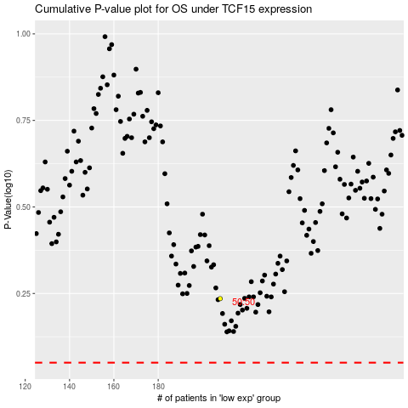

 |  |  |  |  |  | cases_OS | p_OS | rank | exp
 |  |  |  |  |  |  | cases_RFS | p_RFS | rank | exp

