TCF19 _multivariate
Reported by Tex Li-Hsing Chi. tex@gate.sinica.edu.tw 2019-08-15

Table 2. The clinicopathological features of HNSCC cohort and TCF19 expression. (Chi square test)
Cutoff at -0.291 (49.8%)
 |  | TCF19 expression |  | TCF19 expression |  | (Optimised)
 | Features | Low | (%) | High | (%) | Case no | P-value | Remark | Matthews
Gender | Female | 155 | 37.3 | 151 | 36.4 | 415 | 0.6768 | 0 | 0
2 | Male | 52 | 12.5 | 57 | 13.7
Age at diagnosis | <=65y | 133 | 32 | 141 | 34 | 415 | 0.5111 | 0 | 0
4 | >65y | 74 | 17.8 | 67 | 16.1
Clinical T Status | T1+T2 | 63 | 15.2 | 86 | 20.7 | 415 | 0.0268 | 1 | 0
6 | T3+T4 | 144 | 34.7 | 122 | 29.4
Clinical N Status | N0 | 115 | 27.7 | 101 | 24.3 | 415 | 0.184 | 1 | 0
8 | N1-3 | 92 | 22.2 | 107 | 25.8
Clinical M Status | M0 | 205 | 49.4 | 207 | 49.9 | 415 | 0.6232 | 0 | 0
10 | M1 | 2 | 0.5 | 1 | 0.2
Clinical Stage | Stage I+II | 46 | 11.1 | 56 | 13.5 | 415 | 0.3182 | 0 | 0
12 | Stage III+IV | 161 | 38.8 | 152 | 36.6
Surgical Margin status | Negative | 164 | 39.5 | 154 | 37.1 | 415 | 0.2462 | 0 | 0
14 | Positive | 43 | 10.4 | 54 | 13
Tobacco Exposure | Low | 78 | 18.8 | 83 | 20 | 415 | 0.6873 | 0 | 0
16 | High | 129 | 31.1 | 125 | 30.1

Table 3. Univariate/Multivariate Cox's proportional hazards regression analyses on OS time of TCF19 gene expression in HNSCC

 |  | Univariate |  |  |  | Multivariate
 | Features | HR | CI95%(L) | CI95%(H) | P-value | HR | CI95%(L) | CI95%(H) | P-value
1 | Female | 1 |  |  |  | 1
Gender | Male | 1.157 | 0.843 | 1.587 | 0.367 | 1.195 | 0.856 | 1.67 | 0.296
11 | <=65y | 1 |  |  |  | 1
Age at diagnosis | >65y | 1.329 | 0.99 | 1.784 | 0.058 | 1.387 | 1.021 | 1.886 | 0.037
12 | T1+T2 | 1 |  |  |  | 1
Clinical T Status | T3+T4 | 1.409 | 1.028 | 1.931 | 0.033 | 2.259 | 1.19 | 4.285 | 0.013
13 | N0 | 1 |  |  |  | 1
Clinical N Status | N1-3 | 1.185 | 0.89 | 1.577 | 0.246 | 1.237 | 0.866 | 1.765 | 0.242
14 | M0 | 1 |  |  |  | 1
Clinical M Status | M1 | 4.097 | 1.009 | 16.644 | 0.049 | 9.714 | 2.114 | 44.626 | 0.003
15 | Stage I+II | 1 |  |  |  | 1
Clinical Stage | Stage III+IV | 1.245 | 0.882 | 1.759 | 0.213 | 0.5 | 0.233 | 1.075 | 0.076
16 | Negative | 1 |  |  |  | 1
Surgical Margin status | Positive | 1.591 | 1.155 | 2.191 | 0.004 | 1.655 | 1.197 | 2.289 | 0.002
17 | Low | 1 |  |  |  | 1
Tobacco Exposure | High | 1.364 | 1.008 | 1.844 | 0.044 | 1.45 | 1.053 | 1.997 | 0.023
18 | Low | 1 |  |  |  | 1
RNAseq(z-score) | High | 1.108 | 0.832 | 1.475 | 0.483 | 1.124 | 0.84 | 1.503 | 0.433

Table 4. Univariate/Multivariate Cox's proportional hazards regression analyses on RFS time of TCF19 gene expression in HNSCC

 |  | Univariate |  |  |  | Multivariate
 | Features | HR | CI95%(L) | CI95%(H) | P-value | HR | CI95%(L) | CI95%(H) | P-value
1 | Female | 1 |  |  |  | 1
Gender | Male | 1.157 | 0.843 | 1.587 | 0.367 | 1.195 | 0.856 | 1.67 | 0.296
11 | <=65y | 1 |  |  |  | 1
Age at diagnosis | >65y | 1.329 | 0.99 | 1.784 | 0.058 | 1.387 | 1.021 | 1.886 | 0.037
12 | T1+T2 | 1 |  |  |  | 1
Clinical T Status | T3+T4 | 1.409 | 1.028 | 1.931 | 0.033 | 2.259 | 1.19 | 4.285 | 0.013
13 | N0 | 1 |  |  |  | 1
Clinical N Status | N1-3 | 1.185 | 0.89 | 1.577 | 0.246 | 1.237 | 0.866 | 1.765 | 0.242
14 | M0 | 1 |  |  |  | 1
Clinical M Status | M1 | 4.097 | 1.009 | 16.644 | 0.049 | 9.714 | 2.114 | 44.626 | 0.003
15 | Stage I+II | 1 |  |  |  | 1
Clinical Stage | Stage III+IV | 1.245 | 0.882 | 1.759 | 0.213 | 0.5 | 0.233 | 1.075 | 0.076
16 | Negative | 1 |  |  |  | 1
Surgical Margin status | Positive | 1.591 | 1.155 | 2.191 | 0.004 | 1.655 | 1.197 | 2.289 | 0.002
17 | Low | 1 |  |  |  | 1
Tobacco Exposure | High | 1.364 | 1.008 | 1.844 | 0.044 | 1.45 | 1.053 | 1.997 | 0.023
18 | Low | 1 |  |  |  | 1
RNAseq(z-score) | High | 1.108 | 0.832 | 1.475 | 0.483 | 1.124 | 0.84 | 1.503 | 0.433

Kaplan-Meier survival estimate: Cutoff at -0.291 (49.8%)



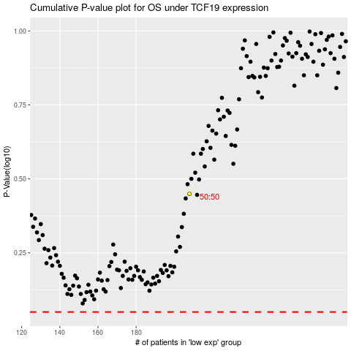

 |  |  |  |  |  | cases_OS | p_OS | rank | exp
 |  |  |  |  |  |  | cases_RFS | p_RFS | rank | exp

