TCF3 _multivariate
Reported by Tex Li-Hsing Chi. tex@gate.sinica.edu.tw 2019-08-15

Table 2. The clinicopathological features of HNSCC cohort and TCF3 expression. (Chi square test)
Cutoff at -0.072 (49.8%)
 |  | TCF3 expression |  | TCF3 expression |  | (Optimised)
 | Features | Low | (%) | High | (%) | Case no | P-value | Remark | Matthews
Gender | Female | 139 | 33.5 | 167 | 40.2 | 415 | 0.0034 | 1 | 0
2 | Male | 68 | 16.4 | 41 | 9.9
Age at diagnosis | <=65y | 131 | 31.6 | 143 | 34.5 | 415 | 0.2839 | 0 | 0
4 | >65y | 76 | 18.3 | 65 | 15.7
Clinical T Status | T1+T2 | 79 | 19 | 70 | 16.9 | 415 | 0.3924 | 0 | 0
6 | T3+T4 | 128 | 30.8 | 138 | 33.3
Clinical N Status | N0 | 109 | 26.3 | 107 | 25.8 | 415 | 0.8812 | 0 | 0
8 | N1-3 | 98 | 23.6 | 101 | 24.3
Clinical M Status | M0 | 204 | 49.2 | 208 | 50.1 | 415 | 0.1232 | 0 | 0
10 | M1 | 3 | 0.7 | 0 | 0
Clinical Stage | Stage I+II | 57 | 13.7 | 45 | 10.8 | 415 | 0.1998 | 0 | 0
12 | Stage III+IV | 150 | 36.1 | 163 | 39.3
Surgical Margin status | Negative | 156 | 37.6 | 162 | 39 | 415 | 0.5636 | 0 | 0
14 | Positive | 51 | 12.3 | 46 | 11.1
Tobacco Exposure | Low | 91 | 21.9 | 70 | 16.9 | 415 | 0.0346 | 1 | 0
16 | High | 116 | 28 | 138 | 33.3

Table 3. Univariate/Multivariate Cox's proportional hazards regression analyses on OS time of TCF3 gene expression in HNSCC

 |  | Univariate |  |  |  | Multivariate
 | Features | HR | CI95%(L) | CI95%(H) | P-value | HR | CI95%(L) | CI95%(H) | P-value
1 | Female | 1 |  |  |  | 1
Gender | Male | 1.157 | 0.843 | 1.587 | 0.367 | 1.148 | 0.816 | 1.616 | 0.429
11 | <=65y | 1 |  |  |  | 1
Age at diagnosis | >65y | 1.329 | 0.99 | 1.784 | 0.058 | 1.389 | 1.022 | 1.89 | 0.036
12 | T1+T2 | 1 |  |  |  | 1
Clinical T Status | T3+T4 | 1.409 | 1.028 | 1.931 | 0.033 | 2.185 | 1.155 | 4.135 | 0.016
13 | N0 | 1 |  |  |  | 1
Clinical N Status | N1-3 | 1.185 | 0.89 | 1.577 | 0.246 | 1.245 | 0.873 | 1.777 | 0.226
14 | M0 | 1 |  |  |  | 1
Clinical M Status | M1 | 4.097 | 1.009 | 16.644 | 0.049 | 8.402 | 1.813 | 38.925 | 0.007
15 | Stage I+II | 1 |  |  |  | 1
Clinical Stage | Stage III+IV | 1.245 | 0.882 | 1.759 | 0.213 | 0.514 | 0.239 | 1.105 | 0.088
16 | Negative | 1 |  |  |  | 1
Surgical Margin status | Positive | 1.591 | 1.155 | 2.191 | 0.004 | 1.662 | 1.202 | 2.297 | 0.002
17 | Low | 1 |  |  |  | 1
Tobacco Exposure | High | 1.364 | 1.008 | 1.844 | 0.044 | 1.456 | 1.057 | 2.006 | 0.022
18 | Low | 1 |  |  |  | 1
RNAseq(z-score) | High | 0.803 | 0.602 | 1.071 | 0.135 | 0.834 | 0.618 | 1.126 | 0.236

Table 4. Univariate/Multivariate Cox's proportional hazards regression analyses on RFS time of TCF3 gene expression in HNSCC

 |  | Univariate |  |  |  | Multivariate
 | Features | HR | CI95%(L) | CI95%(H) | P-value | HR | CI95%(L) | CI95%(H) | P-value
1 | Female | 1 |  |  |  | 1
Gender | Male | 1.157 | 0.843 | 1.587 | 0.367 | 1.148 | 0.816 | 1.616 | 0.429
11 | <=65y | 1 |  |  |  | 1
Age at diagnosis | >65y | 1.329 | 0.99 | 1.784 | 0.058 | 1.389 | 1.022 | 1.89 | 0.036
12 | T1+T2 | 1 |  |  |  | 1
Clinical T Status | T3+T4 | 1.409 | 1.028 | 1.931 | 0.033 | 2.185 | 1.155 | 4.135 | 0.016
13 | N0 | 1 |  |  |  | 1
Clinical N Status | N1-3 | 1.185 | 0.89 | 1.577 | 0.246 | 1.245 | 0.873 | 1.777 | 0.226
14 | M0 | 1 |  |  |  | 1
Clinical M Status | M1 | 4.097 | 1.009 | 16.644 | 0.049 | 8.402 | 1.813 | 38.925 | 0.007
15 | Stage I+II | 1 |  |  |  | 1
Clinical Stage | Stage III+IV | 1.245 | 0.882 | 1.759 | 0.213 | 0.514 | 0.239 | 1.105 | 0.088
16 | Negative | 1 |  |  |  | 1
Surgical Margin status | Positive | 1.591 | 1.155 | 2.191 | 0.004 | 1.662 | 1.202 | 2.297 | 0.002
17 | Low | 1 |  |  |  | 1
Tobacco Exposure | High | 1.364 | 1.008 | 1.844 | 0.044 | 1.456 | 1.057 | 2.006 | 0.022
18 | Low | 1 |  |  |  | 1
RNAseq(z-score) | High | 0.803 | 0.602 | 1.071 | 0.135 | 0.834 | 0.618 | 1.126 | 0.236

Kaplan-Meier survival estimate: Cutoff at -0.072 (49.8%)



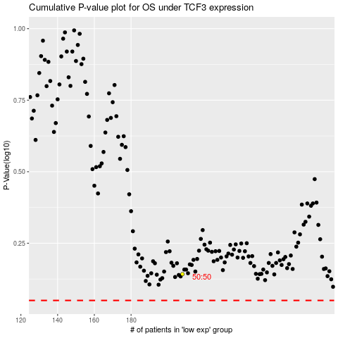

 |  |  |  |  |  | cases_OS | p_OS | rank | exp
 |  |  |  |  |  |  | cases_RFS | p_RFS | rank | exp

