TCF7L1 _multivariate
Reported by Tex Li-Hsing Chi. tex@gate.sinica.edu.tw 2019-08-15

Table 2. The clinicopathological features of HNSCC cohort and TCF7L1 expression. (Chi square test)
Cutoff at -0.266 (49.8%)
 |  | TCF7L1 expression |  | TCF7L1 expression |  | (Optimised)
 | Features | Low | (%) | High | (%) | Case no | P-value | Remark | Matthews
Gender | Female | 144 | 34.7 | 162 | 39 | 415 | 0.0697 | 0 | 0
2 | Male | 63 | 15.2 | 46 | 11.1
Age at diagnosis | <=65y | 129 | 31.1 | 145 | 34.9 | 415 | 0.1372 | 0 | 0
4 | >65y | 78 | 18.8 | 63 | 15.2
Clinical T Status | T1+T2 | 73 | 17.6 | 76 | 18.3 | 415 | 0.8666 | 0 | 0
6 | T3+T4 | 134 | 32.3 | 132 | 31.8
Clinical N Status | N0 | 113 | 27.2 | 103 | 24.8 | 415 | 0.3495 | 1 | 0
8 | N1-3 | 94 | 22.7 | 105 | 25.3
Clinical M Status | M0 | 205 | 49.4 | 207 | 49.9 | 415 | 0.6232 | 0 | 0
10 | M1 | 2 | 0.5 | 1 | 0.2
Clinical Stage | Stage I+II | 52 | 12.5 | 50 | 12 | 415 | 0.8871 | 0 | 0
12 | Stage III+IV | 155 | 37.3 | 158 | 38.1
Surgical Margin status | Negative | 154 | 37.1 | 164 | 39.5 | 415 | 0.2984 | 0 | 0
14 | Positive | 53 | 12.8 | 44 | 10.6
Tobacco Exposure | Low | 87 | 21 | 74 | 17.8 | 415 | 0.1911 | 0 | 0
16 | High | 120 | 28.9 | 134 | 32.3

Table 3. Univariate/Multivariate Cox's proportional hazards regression analyses on OS time of TCF7L1 gene expression in HNSCC

 |  | Univariate |  |  |  | Multivariate
 | Features | HR | CI95%(L) | CI95%(H) | P-value | HR | CI95%(L) | CI95%(H) | P-value
1 | Female | 1 |  |  |  | 1
Gender | Male | 1.157 | 0.843 | 1.587 | 0.367 | 1.228 | 0.878 | 1.717 | 0.231
11 | <=65y | 1 |  |  |  | 1
Age at diagnosis | >65y | 1.329 | 0.99 | 1.784 | 0.058 | 1.41 | 1.037 | 1.918 | 0.028
12 | T1+T2 | 1 |  |  |  | 1
Clinical T Status | T3+T4 | 1.409 | 1.028 | 1.931 | 0.033 | 2.259 | 1.193 | 4.278 | 0.012
13 | N0 | 1 |  |  |  | 1
Clinical N Status | N1-3 | 1.185 | 0.89 | 1.577 | 0.246 | 1.233 | 0.864 | 1.761 | 0.248
14 | M0 | 1 |  |  |  | 1
Clinical M Status | M1 | 4.097 | 1.009 | 16.644 | 0.049 | 9.962 | 2.165 | 45.83 | 0.003
15 | Stage I+II | 1 |  |  |  | 1
Clinical Stage | Stage III+IV | 1.245 | 0.882 | 1.759 | 0.213 | 0.49 | 0.228 | 1.054 | 0.068
16 | Negative | 1 |  |  |  | 1
Surgical Margin status | Positive | 1.591 | 1.155 | 2.191 | 0.004 | 1.7 | 1.228 | 2.353 | 0.001
17 | Low | 1 |  |  |  | 1
Tobacco Exposure | High | 1.364 | 1.008 | 1.844 | 0.044 | 1.437 | 1.043 | 1.979 | 0.027
18 | Low | 1 |  |  |  | 1
RNAseq(z-score) | High | 1.114 | 0.834 | 1.488 | 0.466 | 1.196 | 0.889 | 1.608 | 0.238

Table 4. Univariate/Multivariate Cox's proportional hazards regression analyses on RFS time of TCF7L1 gene expression in HNSCC

 |  | Univariate |  |  |  | Multivariate
 | Features | HR | CI95%(L) | CI95%(H) | P-value | HR | CI95%(L) | CI95%(H) | P-value
1 | Female | 1 |  |  |  | 1
Gender | Male | 1.157 | 0.843 | 1.587 | 0.367 | 1.228 | 0.878 | 1.717 | 0.231
11 | <=65y | 1 |  |  |  | 1
Age at diagnosis | >65y | 1.329 | 0.99 | 1.784 | 0.058 | 1.41 | 1.037 | 1.918 | 0.028
12 | T1+T2 | 1 |  |  |  | 1
Clinical T Status | T3+T4 | 1.409 | 1.028 | 1.931 | 0.033 | 2.259 | 1.193 | 4.278 | 0.012
13 | N0 | 1 |  |  |  | 1
Clinical N Status | N1-3 | 1.185 | 0.89 | 1.577 | 0.246 | 1.233 | 0.864 | 1.761 | 0.248
14 | M0 | 1 |  |  |  | 1
Clinical M Status | M1 | 4.097 | 1.009 | 16.644 | 0.049 | 9.962 | 2.165 | 45.83 | 0.003
15 | Stage I+II | 1 |  |  |  | 1
Clinical Stage | Stage III+IV | 1.245 | 0.882 | 1.759 | 0.213 | 0.49 | 0.228 | 1.054 | 0.068
16 | Negative | 1 |  |  |  | 1
Surgical Margin status | Positive | 1.591 | 1.155 | 2.191 | 0.004 | 1.7 | 1.228 | 2.353 | 0.001
17 | Low | 1 |  |  |  | 1
Tobacco Exposure | High | 1.364 | 1.008 | 1.844 | 0.044 | 1.437 | 1.043 | 1.979 | 0.027
18 | Low | 1 |  |  |  | 1
RNAseq(z-score) | High | 1.114 | 0.834 | 1.488 | 0.466 | 1.196 | 0.889 | 1.608 | 0.238

Kaplan-Meier survival estimate: Cutoff at -0.266 (49.8%)



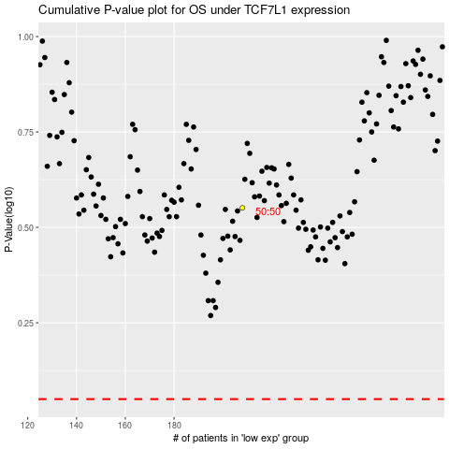

 |  |  |  |  |  | cases_OS | p_OS | rank | exp
 |  |  |  |  |  |  | cases_RFS | p_RFS | rank | exp

