TCF7L2 _multivariate
Reported by Tex Li-Hsing Chi. tex@gate.sinica.edu.tw 2019-08-15

Table 2. The clinicopathological features of HNSCC cohort and TCF7L2 expression. (Chi square test)
Cutoff at -0.171 (49.8%)
 |  | TCF7L2 expression |  | TCF7L2 expression |  | (Optimised)
 | Features | Low | (%) | High | (%) | Case no | P-value | Remark | Matthews
Gender | Female | 148 | 35.7 | 158 | 38.1 | 415 | 0.3567 | 0 | 0
2 | Male | 59 | 14.2 | 50 | 12
Age at diagnosis | <=65y | 137 | 33 | 137 | 33 | 415 | 1 | 0 | 0
4 | >65y | 70 | 16.9 | 71 | 17.1
Clinical T Status | T1+T2 | 78 | 18.8 | 71 | 17.1 | 415 | 0.5152 | 0 | 0
6 | T3+T4 | 129 | 31.1 | 137 | 33
Clinical N Status | N0 | 111 | 26.7 | 105 | 25.3 | 415 | 0.5875 | 0 | 0
8 | N1-3 | 96 | 23.1 | 103 | 24.8
Clinical M Status | M0 | 205 | 49.4 | 207 | 49.9 | 415 | 0.6232 | 0 | 0
10 | M1 | 2 | 0.5 | 1 | 0.2
Clinical Stage | Stage I+II | 52 | 12.5 | 50 | 12 | 415 | 0.8871 | 0 | 0
12 | Stage III+IV | 155 | 37.3 | 158 | 38.1
Surgical Margin status | Negative | 163 | 39.3 | 155 | 37.3 | 415 | 0.3537 | 0 | 0
14 | Positive | 44 | 10.6 | 53 | 12.8
Tobacco Exposure | Low | 84 | 20.2 | 77 | 18.6 | 415 | 0.4816 | 0 | 0
16 | High | 123 | 29.6 | 131 | 31.6

Table 3. Univariate/Multivariate Cox's proportional hazards regression analyses on OS time of TCF7L2 gene expression in HNSCC

 |  | Univariate |  |  |  | Multivariate
 | Features | HR | CI95%(L) | CI95%(H) | P-value | HR | CI95%(L) | CI95%(H) | P-value
1 | Female | 1 |  |  |  | 1
Gender | Male | 1.157 | 0.843 | 1.587 | 0.367 | 1.188 | 0.85 | 1.661 | 0.312
11 | <=65y | 1 |  |  |  | 1
Age at diagnosis | >65y | 1.329 | 0.99 | 1.784 | 0.058 | 1.375 | 1.012 | 1.869 | 0.042
12 | T1+T2 | 1 |  |  |  | 1
Clinical T Status | T3+T4 | 1.409 | 1.028 | 1.931 | 0.033 | 2.271 | 1.201 | 4.293 | 0.012
13 | N0 | 1 |  |  |  | 1
Clinical N Status | N1-3 | 1.185 | 0.89 | 1.577 | 0.246 | 1.263 | 0.885 | 1.8 | 0.198
14 | M0 | 1 |  |  |  | 1
Clinical M Status | M1 | 4.097 | 1.009 | 16.644 | 0.049 | 8.853 | 1.927 | 40.659 | 0.005
15 | Stage I+II | 1 |  |  |  | 1
Clinical Stage | Stage III+IV | 1.245 | 0.882 | 1.759 | 0.213 | 0.495 | 0.231 | 1.062 | 0.071
16 | Negative | 1 |  |  |  | 1
Surgical Margin status | Positive | 1.591 | 1.155 | 2.191 | 0.004 | 1.673 | 1.211 | 2.312 | 0.002
17 | Low | 1 |  |  |  | 1
Tobacco Exposure | High | 1.364 | 1.008 | 1.844 | 0.044 | 1.484 | 1.076 | 2.046 | 0.016
18 | Low | 1 |  |  |  | 1
RNAseq(z-score) | High | 0.823 | 0.617 | 1.097 | 0.184 | 0.785 | 0.586 | 1.052 | 0.105

Table 4. Univariate/Multivariate Cox's proportional hazards regression analyses on RFS time of TCF7L2 gene expression in HNSCC

 |  | Univariate |  |  |  | Multivariate
 | Features | HR | CI95%(L) | CI95%(H) | P-value | HR | CI95%(L) | CI95%(H) | P-value
1 | Female | 1 |  |  |  | 1
Gender | Male | 1.157 | 0.843 | 1.587 | 0.367 | 1.188 | 0.85 | 1.661 | 0.312
11 | <=65y | 1 |  |  |  | 1
Age at diagnosis | >65y | 1.329 | 0.99 | 1.784 | 0.058 | 1.375 | 1.012 | 1.869 | 0.042
12 | T1+T2 | 1 |  |  |  | 1
Clinical T Status | T3+T4 | 1.409 | 1.028 | 1.931 | 0.033 | 2.271 | 1.201 | 4.293 | 0.012
13 | N0 | 1 |  |  |  | 1
Clinical N Status | N1-3 | 1.185 | 0.89 | 1.577 | 0.246 | 1.263 | 0.885 | 1.8 | 0.198
14 | M0 | 1 |  |  |  | 1
Clinical M Status | M1 | 4.097 | 1.009 | 16.644 | 0.049 | 8.853 | 1.927 | 40.659 | 0.005
15 | Stage I+II | 1 |  |  |  | 1
Clinical Stage | Stage III+IV | 1.245 | 0.882 | 1.759 | 0.213 | 0.495 | 0.231 | 1.062 | 0.071
16 | Negative | 1 |  |  |  | 1
Surgical Margin status | Positive | 1.591 | 1.155 | 2.191 | 0.004 | 1.673 | 1.211 | 2.312 | 0.002
17 | Low | 1 |  |  |  | 1
Tobacco Exposure | High | 1.364 | 1.008 | 1.844 | 0.044 | 1.484 | 1.076 | 2.046 | 0.016
18 | Low | 1 |  |  |  | 1
RNAseq(z-score) | High | 0.823 | 0.617 | 1.097 | 0.184 | 0.785 | 0.586 | 1.052 | 0.105

Kaplan-Meier survival estimate: Cutoff at -0.171 (49.8%)



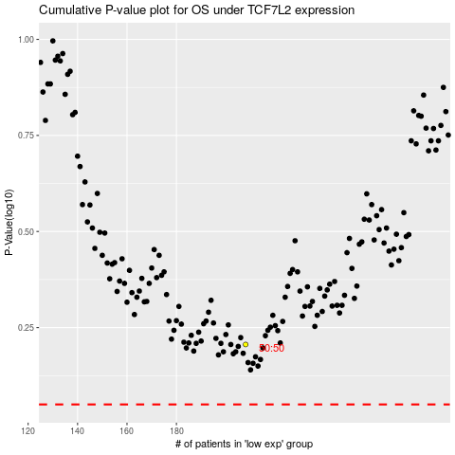

 |  |  |  |  |  | cases_OS | p_OS | rank | exp
 |  |  |  |  |  |  | cases_RFS | p_RFS | rank | exp

