TCFL5 _multivariate
Reported by Tex Li-Hsing Chi. tex@gate.sinica.edu.tw 2019-08-15

Table 2. The clinicopathological features of HNSCC cohort and TCFL5 expression. (Chi square test)
Cutoff at -0.132 (49.8%)
 |  | TCFL5 expression |  | TCFL5 expression |  | (Optimised)
 | Features | Low | (%) | High | (%) | Case no | P-value | Remark | Matthews
Gender | Female | 148 | 35.7 | 158 | 38.1 | 415 | 0.3567 | 0 | 0
2 | Male | 59 | 14.2 | 50 | 12
Age at diagnosis | <=65y | 131 | 31.6 | 143 | 34.5 | 415 | 0.2839 | 0 | 0
4 | >65y | 76 | 18.3 | 65 | 15.7
Clinical T Status | T1+T2 | 77 | 18.6 | 72 | 17.3 | 415 | 0.6556 | 0 | 0
6 | T3+T4 | 130 | 31.3 | 136 | 32.8
Clinical N Status | N0 | 103 | 24.8 | 113 | 27.2 | 415 | 0.4047 | 0 | 0
8 | N1-3 | 104 | 25.1 | 95 | 22.9
Clinical M Status | M0 | 207 | 49.9 | 205 | 49.4 | 415 | 0.2482 | 0 | 0
10 | M1 | 0 | 0 | 3 | 0.7
Clinical Stage | Stage I+II | 52 | 12.5 | 50 | 12 | 415 | 0.8871 | 0 | 0
12 | Stage III+IV | 155 | 37.3 | 158 | 38.1
Surgical Margin status | Negative | 163 | 39.3 | 155 | 37.3 | 415 | 0.3537 | 0 | 0
14 | Positive | 44 | 10.6 | 53 | 12.8
Tobacco Exposure | Low | 89 | 21.4 | 72 | 17.3 | 415 | 0.0872 | 0 | 0
16 | High | 118 | 28.4 | 136 | 32.8

Table 3. Univariate/Multivariate Cox's proportional hazards regression analyses on OS time of TCFL5 gene expression in HNSCC

 |  | Univariate |  |  |  | Multivariate
 | Features | HR | CI95%(L) | CI95%(H) | P-value | HR | CI95%(L) | CI95%(H) | P-value
1 | Female | 1 |  |  |  | 1
Gender | Male | 1.157 | 0.843 | 1.587 | 0.367 | 1.211 | 0.866 | 1.694 | 0.264
11 | <=65y | 1 |  |  |  | 1
Age at diagnosis | >65y | 1.329 | 0.99 | 1.784 | 0.058 | 1.407 | 1.035 | 1.913 | 0.029
12 | T1+T2 | 1 |  |  |  | 1
Clinical T Status | T3+T4 | 1.409 | 1.028 | 1.931 | 0.033 | 2.184 | 1.154 | 4.13 | 0.016
13 | N0 | 1 |  |  |  | 1
Clinical N Status | N1-3 | 1.185 | 0.89 | 1.577 | 0.246 | 1.259 | 0.881 | 1.799 | 0.205
14 | M0 | 1 |  |  |  | 1
Clinical M Status | M1 | 4.097 | 1.009 | 16.644 | 0.049 | 8.483 | 1.837 | 39.179 | 0.006
15 | Stage I+II | 1 |  |  |  | 1
Clinical Stage | Stage III+IV | 1.245 | 0.882 | 1.759 | 0.213 | 0.503 | 0.234 | 1.08 | 0.078
16 | Negative | 1 |  |  |  | 1
Surgical Margin status | Positive | 1.591 | 1.155 | 2.191 | 0.004 | 1.648 | 1.191 | 2.281 | 0.003
17 | Low | 1 |  |  |  | 1
Tobacco Exposure | High | 1.364 | 1.008 | 1.844 | 0.044 | 1.432 | 1.038 | 1.975 | 0.029
18 | Low | 1 |  |  |  | 1
RNAseq(z-score) | High | 1.255 | 0.941 | 1.672 | 0.122 | 1.212 | 0.905 | 1.623 | 0.197

Table 4. Univariate/Multivariate Cox's proportional hazards regression analyses on RFS time of TCFL5 gene expression in HNSCC

 |  | Univariate |  |  |  | Multivariate
 | Features | HR | CI95%(L) | CI95%(H) | P-value | HR | CI95%(L) | CI95%(H) | P-value
1 | Female | 1 |  |  |  | 1
Gender | Male | 1.157 | 0.843 | 1.587 | 0.367 | 1.211 | 0.866 | 1.694 | 0.264
11 | <=65y | 1 |  |  |  | 1
Age at diagnosis | >65y | 1.329 | 0.99 | 1.784 | 0.058 | 1.407 | 1.035 | 1.913 | 0.029
12 | T1+T2 | 1 |  |  |  | 1
Clinical T Status | T3+T4 | 1.409 | 1.028 | 1.931 | 0.033 | 2.184 | 1.154 | 4.13 | 0.016
13 | N0 | 1 |  |  |  | 1
Clinical N Status | N1-3 | 1.185 | 0.89 | 1.577 | 0.246 | 1.259 | 0.881 | 1.799 | 0.205
14 | M0 | 1 |  |  |  | 1
Clinical M Status | M1 | 4.097 | 1.009 | 16.644 | 0.049 | 8.483 | 1.837 | 39.179 | 0.006
15 | Stage I+II | 1 |  |  |  | 1
Clinical Stage | Stage III+IV | 1.245 | 0.882 | 1.759 | 0.213 | 0.503 | 0.234 | 1.08 | 0.078
16 | Negative | 1 |  |  |  | 1
Surgical Margin status | Positive | 1.591 | 1.155 | 2.191 | 0.004 | 1.648 | 1.191 | 2.281 | 0.003
17 | Low | 1 |  |  |  | 1
Tobacco Exposure | High | 1.364 | 1.008 | 1.844 | 0.044 | 1.432 | 1.038 | 1.975 | 0.029
18 | Low | 1 |  |  |  | 1
RNAseq(z-score) | High | 1.255 | 0.941 | 1.672 | 0.122 | 1.212 | 0.905 | 1.623 | 0.197

Kaplan-Meier survival estimate: Cutoff at -0.132 (49.8%)



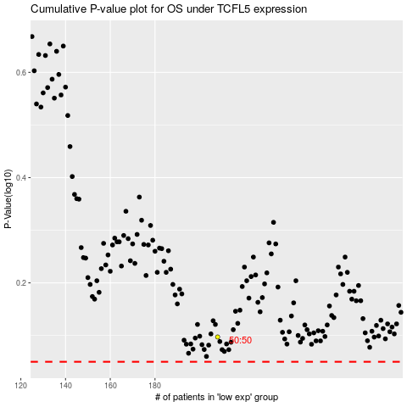

 |  |  |  |  |  | cases_OS | p_OS | rank | exp
 |  |  |  |  |  |  | cases_RFS | p_RFS | rank | exp

