TCHHL1 _multivariate
Reported by Tex Li-Hsing Chi. tex@gate.sinica.edu.tw 2019-08-15

Table 2. The clinicopathological features of HNSCC cohort and TCHHL1 expression. (Chi square test)
Cutoff at -0.102 (50.0%)
 |  | TCHHL1 expression |  | TCHHL1 expression |  | (Optimised)
 | Features | Low | (%) | High | (%) | Case no | P-value | Remark | Matthews
Gender | Female | 162 | 39 | 144 | 34.7 | 415 | 0.0479 | 1 | 0
2 | Male | 45 | 10.8 | 64 | 15.4
Age at diagnosis | <=65y | 138 | 33.3 | 136 | 32.8 | 415 | 0.8634 | 0 | 0
4 | >65y | 69 | 16.6 | 72 | 17.3
Clinical T Status | T1+T2 | 88 | 21.2 | 61 | 14.7 | 415 | 0.007 | 1 | 0
6 | T3+T4 | 119 | 28.7 | 147 | 35.4
Clinical N Status | N0 | 110 | 26.5 | 106 | 25.5 | 415 | 0.7294 | 0 | 0
8 | N1-3 | 97 | 23.4 | 102 | 24.6
Clinical M Status | M0 | 206 | 49.6 | 206 | 49.6 | 415 | 1 | 0 | 0
10 | M1 | 1 | 0.2 | 2 | 0.5
Clinical Stage | Stage I+II | 57 | 13.7 | 45 | 10.8 | 415 | 0.1998 | 0 | 0
12 | Stage III+IV | 150 | 36.1 | 163 | 39.3
Surgical Margin status | Negative | 148 | 35.7 | 170 | 41 | 415 | 0.015 | 1 | 0
14 | Positive | 59 | 14.2 | 38 | 9.2
Tobacco Exposure | Low | 69 | 16.6 | 92 | 22.2 | 415 | 0.0266 | 1 | 0
16 | High | 138 | 33.3 | 116 | 28

Table 3. Univariate/Multivariate Cox's proportional hazards regression analyses on OS time of TCHHL1 gene expression in HNSCC

 |  | Univariate |  |  |  | Multivariate
 | Features | HR | CI95%(L) | CI95%(H) | P-value | HR | CI95%(L) | CI95%(H) | P-value
1 | Female | 1 |  |  |  | 1
Gender | Male | 1.157 | 0.843 | 1.587 | 0.367 | 1.188 | 0.848 | 1.664 | 0.316
11 | <=65y | 1 |  |  |  | 1
Age at diagnosis | >65y | 1.329 | 0.99 | 1.784 | 0.058 | 1.396 | 1.026 | 1.898 | 0.034
12 | T1+T2 | 1 |  |  |  | 1
Clinical T Status | T3+T4 | 1.409 | 1.028 | 1.931 | 0.033 | 2.151 | 1.132 | 4.089 | 0.019
13 | N0 | 1 |  |  |  | 1
Clinical N Status | N1-3 | 1.185 | 0.89 | 1.577 | 0.246 | 1.233 | 0.864 | 1.762 | 0.249
14 | M0 | 1 |  |  |  | 1
Clinical M Status | M1 | 4.097 | 1.009 | 16.644 | 0.049 | 9.03 | 1.956 | 41.68 | 0.005
15 | Stage I+II | 1 |  |  |  | 1
Clinical Stage | Stage III+IV | 1.245 | 0.882 | 1.759 | 0.213 | 0.51 | 0.237 | 1.096 | 0.085
16 | Negative | 1 |  |  |  | 1
Surgical Margin status | Positive | 1.591 | 1.155 | 2.191 | 0.004 | 1.688 | 1.219 | 2.338 | 0.002
17 | Low | 1 |  |  |  | 1
Tobacco Exposure | High | 1.364 | 1.008 | 1.844 | 0.044 | 1.48 | 1.067 | 2.052 | 0.019
18 | Low | 1 |  |  |  | 1
RNAseq(z-score) | High | 1.076 | 0.806 | 1.435 | 0.62 | 1.088 | 0.803 | 1.475 | 0.586

Table 4. Univariate/Multivariate Cox's proportional hazards regression analyses on RFS time of TCHHL1 gene expression in HNSCC

 |  | Univariate |  |  |  | Multivariate
 | Features | HR | CI95%(L) | CI95%(H) | P-value | HR | CI95%(L) | CI95%(H) | P-value
1 | Female | 1 |  |  |  | 1
Gender | Male | 1.157 | 0.843 | 1.587 | 0.367 | 1.188 | 0.848 | 1.664 | 0.316
11 | <=65y | 1 |  |  |  | 1
Age at diagnosis | >65y | 1.329 | 0.99 | 1.784 | 0.058 | 1.396 | 1.026 | 1.898 | 0.034
12 | T1+T2 | 1 |  |  |  | 1
Clinical T Status | T3+T4 | 1.409 | 1.028 | 1.931 | 0.033 | 2.151 | 1.132 | 4.089 | 0.019
13 | N0 | 1 |  |  |  | 1
Clinical N Status | N1-3 | 1.185 | 0.89 | 1.577 | 0.246 | 1.233 | 0.864 | 1.762 | 0.249
14 | M0 | 1 |  |  |  | 1
Clinical M Status | M1 | 4.097 | 1.009 | 16.644 | 0.049 | 9.03 | 1.956 | 41.68 | 0.005
15 | Stage I+II | 1 |  |  |  | 1
Clinical Stage | Stage III+IV | 1.245 | 0.882 | 1.759 | 0.213 | 0.51 | 0.237 | 1.096 | 0.085
16 | Negative | 1 |  |  |  | 1
Surgical Margin status | Positive | 1.591 | 1.155 | 2.191 | 0.004 | 1.688 | 1.219 | 2.338 | 0.002
17 | Low | 1 |  |  |  | 1
Tobacco Exposure | High | 1.364 | 1.008 | 1.844 | 0.044 | 1.48 | 1.067 | 2.052 | 0.019
18 | Low | 1 |  |  |  | 1
RNAseq(z-score) | High | 1.076 | 0.806 | 1.435 | 0.62 | 1.088 | 0.803 | 1.475 | 0.586

Kaplan-Meier survival estimate: Cutoff at -0.102 (50.0%)



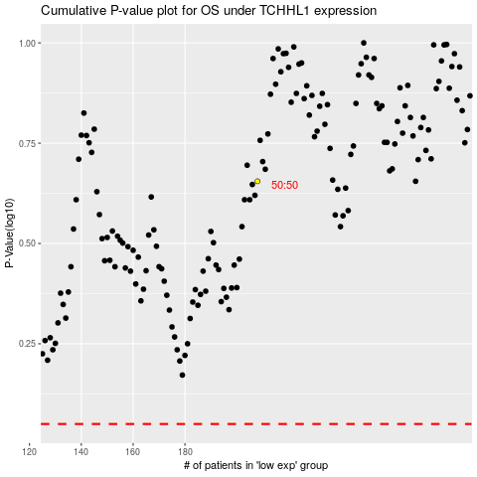

 |  |  |  |  |  | cases_OS | p_OS | rank | exp
 |  |  |  |  |  |  | cases_RFS | p_RFS | rank | exp

