TCN1 _multivariate
Reported by Tex Li-Hsing Chi. tex@gate.sinica.edu.tw 2019-08-15

Table 2. The clinicopathological features of HNSCC cohort and TCN1 expression. (Chi square test)
Cutoff at -0.217 (67.9%)
 |  | TCN1 expression |  | TCN1 expression |  | (Optimised)
 | Features | Low | (%) | High | (%) | Case no | P-value | Remark | Matthews
Gender | Female | 213 | 51.3 | 93 | 22.4 | 415 | 0.2749 | 0 | 0
2 | Male | 69 | 16.6 | 40 | 9.6
Age at diagnosis | <=65y | 188 | 45.3 | 86 | 20.7 | 415 | 0.7707 | 0 | 0
4 | >65y | 94 | 22.7 | 47 | 11.3
Clinical T Status | T1+T2 | 95 | 22.9 | 54 | 13 | 415 | 0.2075 | 0 | 0
6 | T3+T4 | 187 | 45.1 | 79 | 19
Clinical N Status | N0 | 139 | 33.5 | 77 | 18.6 | 415 | 0.1255 | 0 | 0
8 | N1-3 | 143 | 34.5 | 56 | 13.5
Clinical M Status | M0 | 281 | 67.7 | 131 | 31.6 | 415 | 0.2417 | 0 | 0
10 | M1 | 1 | 0.2 | 2 | 0.5
Clinical Stage | Stage I+II | 63 | 15.2 | 39 | 9.4 | 415 | 0.1557 | 0 | 0
12 | Stage III+IV | 219 | 52.8 | 94 | 22.7
Surgical Margin status | Negative | 217 | 52.3 | 101 | 24.3 | 415 | 0.8052 | 0 | 0
14 | Positive | 65 | 15.7 | 32 | 7.7
Tobacco Exposure | Low | 109 | 26.3 | 52 | 12.5 | 415 | 1 | 0 | 0
16 | High | 173 | 41.7 | 81 | 19.5

Table 3. Univariate/Multivariate Cox's proportional hazards regression analyses on OS time of TCN1 gene expression in HNSCC

 |  | Univariate |  |  |  | Multivariate
 | Features | HR | CI95%(L) | CI95%(H) | P-value | HR | CI95%(L) | CI95%(H) | P-value
1 | Female | 1 |  |  |  | 1
Gender | Male | 1.157 | 0.843 | 1.587 | 0.367 | 1.203 | 0.862 | 1.679 | 0.278
11 | <=65y | 1 |  |  |  | 1
Age at diagnosis | >65y | 1.329 | 0.99 | 1.784 | 0.058 | 1.425 | 1.046 | 1.942 | 0.025
12 | T1+T2 | 1 |  |  |  | 1
Clinical T Status | T3+T4 | 1.409 | 1.028 | 1.931 | 0.033 | 2.136 | 1.128 | 4.046 | 0.02
13 | N0 | 1 |  |  |  | 1
Clinical N Status | N1-3 | 1.185 | 0.89 | 1.577 | 0.246 | 1.209 | 0.847 | 1.727 | 0.295
14 | M0 | 1 |  |  |  | 1
Clinical M Status | M1 | 4.097 | 1.009 | 16.644 | 0.049 | 10.37 | 2.257 | 47.646 | 0.003
15 | Stage I+II | 1 |  |  |  | 1
Clinical Stage | Stage III+IV | 1.245 | 0.882 | 1.759 | 0.213 | 0.505 | 0.235 | 1.086 | 0.08
16 | Negative | 1 |  |  |  | 1
Surgical Margin status | Positive | 1.591 | 1.155 | 2.191 | 0.004 | 1.653 | 1.197 | 2.282 | 0.002
17 | Low | 1 |  |  |  | 1
Tobacco Exposure | High | 1.364 | 1.008 | 1.844 | 0.044 | 1.456 | 1.058 | 2.005 | 0.021
18 | Low | 1 |  |  |  | 1
RNAseq(z-score) | High | 0.695 | 0.5 | 0.964 | 0.03 | 0.703 | 0.504 | 0.981 | 0.038

Table 4. Univariate/Multivariate Cox's proportional hazards regression analyses on RFS time of TCN1 gene expression in HNSCC

 |  | Univariate |  |  |  | Multivariate
 | Features | HR | CI95%(L) | CI95%(H) | P-value | HR | CI95%(L) | CI95%(H) | P-value
1 | Female | 1 |  |  |  | 1
Gender | Male | 1.157 | 0.843 | 1.587 | 0.367 | 1.203 | 0.862 | 1.679 | 0.278
11 | <=65y | 1 |  |  |  | 1
Age at diagnosis | >65y | 1.329 | 0.99 | 1.784 | 0.058 | 1.425 | 1.046 | 1.942 | 0.025
12 | T1+T2 | 1 |  |  |  | 1
Clinical T Status | T3+T4 | 1.409 | 1.028 | 1.931 | 0.033 | 2.136 | 1.128 | 4.046 | 0.02
13 | N0 | 1 |  |  |  | 1
Clinical N Status | N1-3 | 1.185 | 0.89 | 1.577 | 0.246 | 1.209 | 0.847 | 1.727 | 0.295
14 | M0 | 1 |  |  |  | 1
Clinical M Status | M1 | 4.097 | 1.009 | 16.644 | 0.049 | 10.37 | 2.257 | 47.646 | 0.003
15 | Stage I+II | 1 |  |  |  | 1
Clinical Stage | Stage III+IV | 1.245 | 0.882 | 1.759 | 0.213 | 0.505 | 0.235 | 1.086 | 0.08
16 | Negative | 1 |  |  |  | 1
Surgical Margin status | Positive | 1.591 | 1.155 | 2.191 | 0.004 | 1.653 | 1.197 | 2.282 | 0.002
17 | Low | 1 |  |  |  | 1
Tobacco Exposure | High | 1.364 | 1.008 | 1.844 | 0.044 | 1.456 | 1.058 | 2.005 | 0.021
18 | Low | 1 |  |  |  | 1
RNAseq(z-score) | High | 0.695 | 0.5 | 0.964 | 0.03 | 0.703 | 0.504 | 0.981 | 0.038

Kaplan-Meier survival estimate: Cutoff at -0.217 (67.9%)

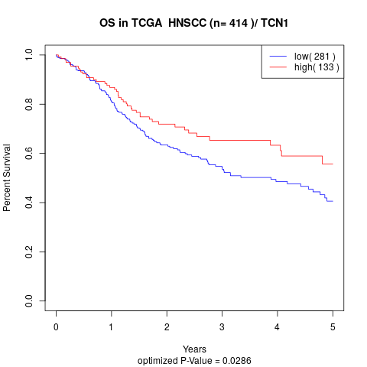

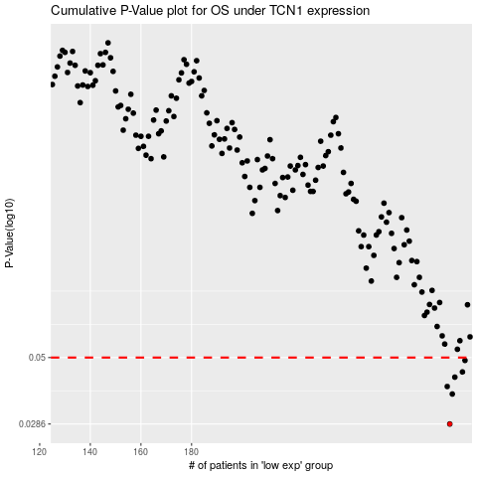

 |  |  |  |  |  | cases_OS | p_OS | rank | exp
 |  |  |  |  |  | 282 | 0.0286 | 106 | -0.21716124436
 |  |  |  |  |  | 283 | 0.0368 | 330 | -0.21704469613
 |  |  |  |  |  | 281 | 0.0392 | 97 | -0.21960093869
 |  |  |  |  |  | 284 | 0.0424 | 242 | -0.21639055938
 |  |  |  |  |  | 287 | 0.0443 | 352 | -0.21504622441
 |  |  |  |  |  | 288 | 0.0488 | 177 | -0.21421681076
 |  |  |  |  |  |  | cases_RFS | p_RFS | rank | exp
 |  |  |  |  |  |  | 281 | 0.0286 | 97 | -0.21960093869
 |  |  |  |  |  |  | 282 | 0.0368 | 106 | -0.21716124436
 |  |  |  |  |  |  | 280 | 0.0392 | 216 | -0.22059411381
 |  |  |  |  |  |  | 283 | 0.0424 | 330 | -0.21704469613
 |  |  |  |  |  |  | 286 | 0.0443 | 65 | -0.21551059908
 |  |  |  |  |  |  | 287 | 0.0488 | 352 | -0.21504622441

