TCP1 _multivariate
Reported by Tex Li-Hsing Chi. tex@gate.sinica.edu.tw 2019-08-15

Table 2. The clinicopathological features of HNSCC cohort and TCP1 expression. (Chi square test)
Cutoff at -0.248 (41.8%)
 |  | TCP1 expression |  | TCP1 expression |  | (Optimised)
 | Features | Low | (%) | High | (%) | Case no | P-value | Remark | Matthews
Gender | Female | 131 | 31.6 | 175 | 42.2 | 415 | 0.5062 | 0 | 0
2 | Male | 42 | 10.1 | 67 | 16.1
Age at diagnosis | <=65y | 115 | 27.7 | 159 | 38.3 | 415 | 0.9533 | 0 | 0
4 | >65y | 58 | 14 | 83 | 20
Clinical T Status | T1+T2 | 67 | 16.1 | 82 | 19.8 | 415 | 0.3626 | 0 | 0
6 | T3+T4 | 106 | 25.5 | 160 | 38.6
Clinical N Status | N0 | 93 | 22.4 | 123 | 29.6 | 415 | 0.6244 | 0 | 0
8 | N1-3 | 80 | 19.3 | 119 | 28.7
Clinical M Status | M0 | 173 | 41.7 | 239 | 57.6 | 415 | 0.269 | 0 | 0
10 | M1 | 0 | 0 | 3 | 0.7
Clinical Stage | Stage I+II | 44 | 10.6 | 58 | 14 | 415 | 0.8208 | 0 | 0
12 | Stage III+IV | 129 | 31.1 | 184 | 44.3
Surgical Margin status | Negative | 137 | 33 | 181 | 43.6 | 415 | 0.3468 | 0 | 0
14 | Positive | 36 | 8.7 | 61 | 14.7
Tobacco Exposure | Low | 79 | 19 | 82 | 19.8 | 415 | 0.0187 | 1 | 0
16 | High | 94 | 22.7 | 160 | 38.6

Table 3. Univariate/Multivariate Cox's proportional hazards regression analyses on OS time of TCP1 gene expression in HNSCC

 |  | Univariate |  |  |  | Multivariate
 | Features | HR | CI95%(L) | CI95%(H) | P-value | HR | CI95%(L) | CI95%(H) | P-value
1 | Female | 1 |  |  |  | 1
Gender | Male | 1.157 | 0.843 | 1.587 | 0.367 | 1.186 | 0.849 | 1.657 | 0.318
11 | <=65y | 1 |  |  |  | 1
Age at diagnosis | >65y | 1.329 | 0.99 | 1.784 | 0.058 | 1.379 | 1.014 | 1.876 | 0.041
12 | T1+T2 | 1 |  |  |  | 1
Clinical T Status | T3+T4 | 1.409 | 1.028 | 1.931 | 0.033 | 2.162 | 1.144 | 4.087 | 0.018
13 | N0 | 1 |  |  |  | 1
Clinical N Status | N1-3 | 1.185 | 0.89 | 1.577 | 0.246 | 1.223 | 0.856 | 1.747 | 0.268
14 | M0 | 1 |  |  |  | 1
Clinical M Status | M1 | 4.097 | 1.009 | 16.644 | 0.049 | 8.153 | 1.769 | 37.573 | 0.007
15 | Stage I+II | 1 |  |  |  | 1
Clinical Stage | Stage III+IV | 1.245 | 0.882 | 1.759 | 0.213 | 0.514 | 0.24 | 1.104 | 0.088
16 | Negative | 1 |  |  |  | 1
Surgical Margin status | Positive | 1.591 | 1.155 | 2.191 | 0.004 | 1.658 | 1.2 | 2.293 | 0.002
17 | Low | 1 |  |  |  | 1
Tobacco Exposure | High | 1.364 | 1.008 | 1.844 | 0.044 | 1.38 | 0.996 | 1.911 | 0.053
18 | Low | 1 |  |  |  | 1
RNAseq(z-score) | High | 1.507 | 1.119 | 2.029 | 0.007 | 1.388 | 1.025 | 1.879 | 0.034

Table 4. Univariate/Multivariate Cox's proportional hazards regression analyses on RFS time of TCP1 gene expression in HNSCC

 |  | Univariate |  |  |  | Multivariate
 | Features | HR | CI95%(L) | CI95%(H) | P-value | HR | CI95%(L) | CI95%(H) | P-value
1 | Female | 1 |  |  |  | 1
Gender | Male | 1.157 | 0.843 | 1.587 | 0.367 | 1.186 | 0.849 | 1.657 | 0.318
11 | <=65y | 1 |  |  |  | 1
Age at diagnosis | >65y | 1.329 | 0.99 | 1.784 | 0.058 | 1.379 | 1.014 | 1.876 | 0.041
12 | T1+T2 | 1 |  |  |  | 1
Clinical T Status | T3+T4 | 1.409 | 1.028 | 1.931 | 0.033 | 2.162 | 1.144 | 4.087 | 0.018
13 | N0 | 1 |  |  |  | 1
Clinical N Status | N1-3 | 1.185 | 0.89 | 1.577 | 0.246 | 1.223 | 0.856 | 1.747 | 0.268
14 | M0 | 1 |  |  |  | 1
Clinical M Status | M1 | 4.097 | 1.009 | 16.644 | 0.049 | 8.153 | 1.769 | 37.573 | 0.007
15 | Stage I+II | 1 |  |  |  | 1
Clinical Stage | Stage III+IV | 1.245 | 0.882 | 1.759 | 0.213 | 0.514 | 0.24 | 1.104 | 0.088
16 | Negative | 1 |  |  |  | 1
Surgical Margin status | Positive | 1.591 | 1.155 | 2.191 | 0.004 | 1.658 | 1.2 | 2.293 | 0.002
17 | Low | 1 |  |  |  | 1
Tobacco Exposure | High | 1.364 | 1.008 | 1.844 | 0.044 | 1.38 | 0.996 | 1.911 | 0.053
18 | Low | 1 |  |  |  | 1
RNAseq(z-score) | High | 1.507 | 1.119 | 2.029 | 0.007 | 1.388 | 1.025 | 1.879 | 0.034

Kaplan-Meier survival estimate: Cutoff at -0.248 (41.8%)

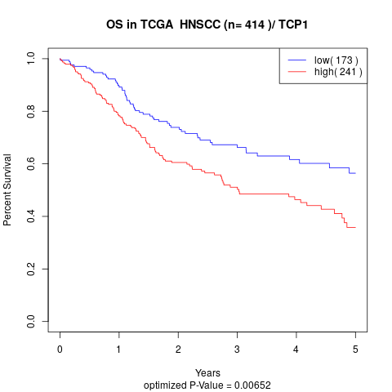

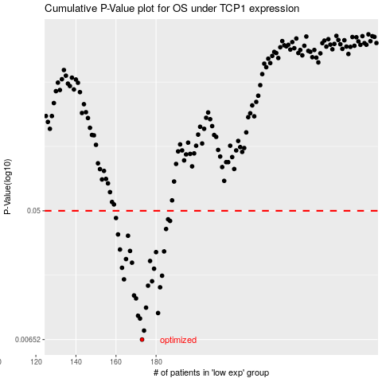

 |  |  |  |  |  | cases_OS | p_OS | rank | exp
 |  |  |  |  |  | 173 | 0.00652 | 226 | -0.24816322232
 |  |  |  |  |  | 174 | 0.00751 | 296 | -0.23375257641
 |  |  |  |  |  | 172 | 0.00909 | 255 | -0.26402178988
 |  |  |  |  |  | 171 | 0.0095 | 145 | -0.26681807456
 |  |  |  |  |  | 181 | 0.00992 | 216 | -0.20819437435
 |  |  |  |  |  | 175 | 0.0108 | 204 | -0.23260902883
 |  |  |  |  |  | 170 | 0.0125 | 242 | -0.26983108331
 |  |  |  |  |  | 169 | 0.0131 | 391 | -0.27067659529
 |  |  |  |  |  | 182 | 0.0149 | 251 | -0.19499187709
 |  |  |  |  |  | 176 | 0.0153 | 281 | -0.23168284556
 |  |  |  |  |  | 178 | 0.0164 | 82 | -0.21619767084
 |  |  |  |  |  | 164 | 0.0169 | 67 | -0.29080593948
 |  |  |  |  |  | 183 | 0.0179 | 297 | -0.1896799926
 |  |  |  |  |  | 179 | 0.02 | 86 | -0.21486921953
 |  |  |  |  |  | 163 | 0.0203 | 157 | -0.31031699585
 |  |  |  |  |  | 168 | 0.022 | 26 | -0.27220326748
 |  |  |  |  |  | 177 | 0.0226 | 111 | -0.21888024742
 |  |  |  |  |  | 165 | 0.0233 | 370 | -0.29033682952
 |  |  |  |  |  | 180 | 0.026 | 271 | -0.21236392773
 |  |  |  |  |  | 184 | 0.0263 | 394 | -0.1880177158
 |  |  |  |  |  | 167 | 0.0265 | 170 | -0.28108997865
 |  |  |  |  |  | 162 | 0.0271 | 51 | -0.31281703762
 |  |  |  |  |  | 166 | 0.0337 | 40 | -0.28277191107
 |  |  |  |  |  | 161 | 0.0344 | 105 | -0.31521681649
 |  |  |  |  |  | 185 | 0.0375 | 266 | -0.17831641666
 |  |  |  |  |  | 187 | 0.0426 | 115 | -0.16918263365
 |  |  |  |  |  | 186 | 0.0437 | 173 | -0.17059130808
 |  |  |  |  |  | 160 | 0.0446 | 122 | -0.32147101851
 |  |  |  |  |  |  | cases_RFS | p_RFS | rank | exp
 |  |  |  |  |  |  | 172 | 0.00652 | 255 | -0.26402178988
 |  |  |  |  |  |  | 173 | 0.00751 | 226 | -0.24816322232
 |  |  |  |  |  |  | 171 | 0.00909 | 145 | -0.26681807456
 |  |  |  |  |  |  | 170 | 0.0095 | 242 | -0.26983108331
 |  |  |  |  |  |  | 180 | 0.00992 | 271 | -0.21236392773
 |  |  |  |  |  |  | 174 | 0.0108 | 296 | -0.23375257641
 |  |  |  |  |  |  | 169 | 0.0125 | 391 | -0.27067659529
 |  |  |  |  |  |  | 168 | 0.0131 | 26 | -0.27220326748
 |  |  |  |  |  |  | 181 | 0.0149 | 216 | -0.20819437435
 |  |  |  |  |  |  | 175 | 0.0153 | 204 | -0.23260902883
 |  |  |  |  |  |  | 177 | 0.0164 | 111 | -0.21888024742
 |  |  |  |  |  |  | 163 | 0.0169 | 157 | -0.31031699585
 |  |  |  |  |  |  | 182 | 0.0179 | 251 | -0.19499187709
 |  |  |  |  |  |  | 178 | 0.02 | 82 | -0.21619767084
 |  |  |  |  |  |  | 162 | 0.0203 | 51 | -0.31281703762
 |  |  |  |  |  |  | 167 | 0.022 | 170 | -0.28108997865
 |  |  |  |  |  |  | 176 | 0.0226 | 281 | -0.23168284556
 |  |  |  |  |  |  | 164 | 0.0233 | 67 | -0.29080593948
 |  |  |  |  |  |  | 179 | 0.026 | 86 | -0.21486921953
 |  |  |  |  |  |  | 183 | 0.0263 | 297 | -0.1896799926
 |  |  |  |  |  |  | 166 | 0.0265 | 40 | -0.28277191107
 |  |  |  |  |  |  | 161 | 0.0271 | 105 | -0.31521681649
 |  |  |  |  |  |  | 165 | 0.0337 | 370 | -0.29033682952
 |  |  |  |  |  |  | 160 | 0.0344 | 122 | -0.32147101851
 |  |  |  |  |  |  | 184 | 0.0375 | 394 | -0.1880177158
 |  |  |  |  |  |  | 186 | 0.0426 | 173 | -0.17059130808
 |  |  |  |  |  |  | 185 | 0.0437 | 266 | -0.17831641666
 |  |  |  |  |  |  | 159 | 0.0446 | 151 | -0.32168012362

