TCTN1 _multivariate
Reported by Tex Li-Hsing Chi. tex@gate.sinica.edu.tw 2019-08-15

Table 2. The clinicopathological features of HNSCC cohort and TCTN1 expression. (Chi square test)
Cutoff at -0.046 (59.2%)
 |  | TCTN1 expression |  | TCTN1 expression |  | (Optimised)
 | Features | Low | (%) | High | (%) | Case no | P-value | Remark | Matthews
Gender | Female | 177 | 42.7 | 129 | 31.1 | 415 | 0.3774 | 0 | 0
2 | Male | 69 | 16.6 | 40 | 9.6
Age at diagnosis | <=65y | 165 | 39.8 | 109 | 26.3 | 415 | 0.6607 | 0 | 0
4 | >65y | 81 | 19.5 | 60 | 14.5
Clinical T Status | T1+T2 | 93 | 22.4 | 56 | 13.5 | 415 | 0.3843 | 0 | 0
6 | T3+T4 | 153 | 36.9 | 113 | 27.2
Clinical N Status | N0 | 133 | 32 | 83 | 20 | 415 | 0.3723 | 0 | 0
8 | N1-3 | 113 | 27.2 | 86 | 20.7
Clinical M Status | M0 | 244 | 58.8 | 168 | 40.5 | 415 | 1 | 0 | 0
10 | M1 | 2 | 0.5 | 1 | 0.2
Clinical Stage | Stage I+II | 65 | 15.7 | 37 | 8.9 | 415 | 0.3488 | 0 | 0
12 | Stage III+IV | 181 | 43.6 | 132 | 31.8
Surgical Margin status | Negative | 195 | 47 | 123 | 29.6 | 415 | 0.1271 | 0 | 0
14 | Positive | 51 | 12.3 | 46 | 11.1
Tobacco Exposure | Low | 105 | 25.3 | 56 | 13.5 | 415 | 0.0522 | 0 | 0
16 | High | 141 | 34 | 113 | 27.2

Table 3. Univariate/Multivariate Cox's proportional hazards regression analyses on OS time of TCTN1 gene expression in HNSCC

 |  | Univariate |  |  |  | Multivariate
 | Features | HR | CI95%(L) | CI95%(H) | P-value | HR | CI95%(L) | CI95%(H) | P-value
1 | Female | 1 |  |  |  | 1
Gender | Male | 1.157 | 0.843 | 1.587 | 0.367 | 1.246 | 0.89 | 1.745 | 0.2
11 | <=65y | 1 |  |  |  | 1
Age at diagnosis | >65y | 1.329 | 0.99 | 1.784 | 0.058 | 1.361 | 1.001 | 1.852 | 0.05
12 | T1+T2 | 1 |  |  |  | 1
Clinical T Status | T3+T4 | 1.409 | 1.028 | 1.931 | 0.033 | 2.16 | 1.142 | 4.086 | 0.018
13 | N0 | 1 |  |  |  | 1
Clinical N Status | N1-3 | 1.185 | 0.89 | 1.577 | 0.246 | 1.217 | 0.852 | 1.737 | 0.28
14 | M0 | 1 |  |  |  | 1
Clinical M Status | M1 | 4.097 | 1.009 | 16.644 | 0.049 | 9.843 | 2.145 | 45.169 | 0.003
15 | Stage I+II | 1 |  |  |  | 1
Clinical Stage | Stage III+IV | 1.245 | 0.882 | 1.759 | 0.213 | 0.519 | 0.242 | 1.113 | 0.092
16 | Negative | 1 |  |  |  | 1
Surgical Margin status | Positive | 1.591 | 1.155 | 2.191 | 0.004 | 1.632 | 1.179 | 2.258 | 0.003
17 | Low | 1 |  |  |  | 1
Tobacco Exposure | High | 1.364 | 1.008 | 1.844 | 0.044 | 1.432 | 1.039 | 1.974 | 0.028
18 | Low | 1 |  |  |  | 1
RNAseq(z-score) | High | 1.345 | 1.007 | 1.797 | 0.045 | 1.269 | 0.943 | 1.706 | 0.116

Table 4. Univariate/Multivariate Cox's proportional hazards regression analyses on RFS time of TCTN1 gene expression in HNSCC

 |  | Univariate |  |  |  | Multivariate
 | Features | HR | CI95%(L) | CI95%(H) | P-value | HR | CI95%(L) | CI95%(H) | P-value
1 | Female | 1 |  |  |  | 1
Gender | Male | 1.157 | 0.843 | 1.587 | 0.367 | 1.246 | 0.89 | 1.745 | 0.2
11 | <=65y | 1 |  |  |  | 1
Age at diagnosis | >65y | 1.329 | 0.99 | 1.784 | 0.058 | 1.361 | 1.001 | 1.852 | 0.05
12 | T1+T2 | 1 |  |  |  | 1
Clinical T Status | T3+T4 | 1.409 | 1.028 | 1.931 | 0.033 | 2.16 | 1.142 | 4.086 | 0.018
13 | N0 | 1 |  |  |  | 1
Clinical N Status | N1-3 | 1.185 | 0.89 | 1.577 | 0.246 | 1.217 | 0.852 | 1.737 | 0.28
14 | M0 | 1 |  |  |  | 1
Clinical M Status | M1 | 4.097 | 1.009 | 16.644 | 0.049 | 9.843 | 2.145 | 45.169 | 0.003
15 | Stage I+II | 1 |  |  |  | 1
Clinical Stage | Stage III+IV | 1.245 | 0.882 | 1.759 | 0.213 | 0.519 | 0.242 | 1.113 | 0.092
16 | Negative | 1 |  |  |  | 1
Surgical Margin status | Positive | 1.591 | 1.155 | 2.191 | 0.004 | 1.632 | 1.179 | 2.258 | 0.003
17 | Low | 1 |  |  |  | 1
Tobacco Exposure | High | 1.364 | 1.008 | 1.844 | 0.044 | 1.432 | 1.039 | 1.974 | 0.028
18 | Low | 1 |  |  |  | 1
RNAseq(z-score) | High | 1.345 | 1.007 | 1.797 | 0.045 | 1.269 | 0.943 | 1.706 | 0.116

Kaplan-Meier survival estimate: Cutoff at -0.046 (59.2%)



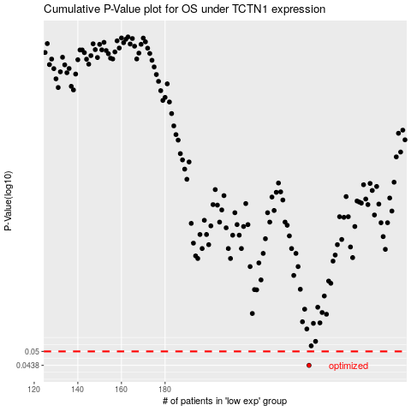

 |  |  |  |  |  | cases_OS | p_OS | rank | exp
 |  |  |  |  |  | 246 | 0.0438 | 56 | -0.045746697905
 |  |  |  |  |  |  | cases_RFS | p_RFS | rank | exp
 |  |  |  |  |  |  | 245 | 0.0438 | 362 | -0.046283014763

