TDRD3 _multivariate
Reported by Tex Li-Hsing Chi. tex@gate.sinica.edu.tw 2019-08-15

Table 2. The clinicopathological features of HNSCC cohort and TDRD3 expression. (Chi square test)
Cutoff at -0.224 (49.8%)
 |  | TDRD3 expression |  | TDRD3 expression |  | (Optimised)
 | Features | Low | (%) | High | (%) | Case no | P-value | Remark | Matthews
Gender | Female | 159 | 38.3 | 147 | 35.4 | 415 | 0.1905 | 0 | 0
2 | Male | 48 | 11.6 | 61 | 14.7
Age at diagnosis | <=65y | 146 | 35.2 | 128 | 30.8 | 415 | 0.0672 | 0 | 0
4 | >65y | 61 | 14.7 | 80 | 19.3
Clinical T Status | T1+T2 | 67 | 16.1 | 82 | 19.8 | 415 | 0.1628 | 0 | 0
6 | T3+T4 | 140 | 33.7 | 126 | 30.4
Clinical N Status | N0 | 94 | 22.7 | 122 | 29.4 | 415 | 0.0093 | 1 | 0
8 | N1-3 | 113 | 27.2 | 86 | 20.7
Clinical M Status | M0 | 205 | 49.4 | 207 | 49.9 | 415 | 0.6232 | 0 | 0
10 | M1 | 2 | 0.5 | 1 | 0.2
Clinical Stage | Stage I+II | 42 | 10.1 | 60 | 14.5 | 415 | 0.0561 | 0 | 0
12 | Stage III+IV | 165 | 39.8 | 148 | 35.7
Surgical Margin status | Negative | 160 | 38.6 | 158 | 38.1 | 415 | 0.8167 | 0 | 0
14 | Positive | 47 | 11.3 | 50 | 12
Tobacco Exposure | Low | 68 | 16.4 | 93 | 22.4 | 415 | 0.0156 | 1 | 0
16 | High | 139 | 33.5 | 115 | 27.7

Table 3. Univariate/Multivariate Cox's proportional hazards regression analyses on OS time of TDRD3 gene expression in HNSCC

 |  | Univariate |  |  |  | Multivariate
 | Features | HR | CI95%(L) | CI95%(H) | P-value | HR | CI95%(L) | CI95%(H) | P-value
1 | Female | 1 |  |  |  | 1
Gender | Male | 1.157 | 0.843 | 1.587 | 0.367 | 1.193 | 0.853 | 1.667 | 0.302
11 | <=65y | 1 |  |  |  | 1
Age at diagnosis | >65y | 1.329 | 0.99 | 1.784 | 0.058 | 1.381 | 1.015 | 1.879 | 0.04
12 | T1+T2 | 1 |  |  |  | 1
Clinical T Status | T3+T4 | 1.409 | 1.028 | 1.931 | 0.033 | 2.228 | 1.178 | 4.216 | 0.014
13 | N0 | 1 |  |  |  | 1
Clinical N Status | N1-3 | 1.185 | 0.89 | 1.577 | 0.246 | 1.243 | 0.871 | 1.774 | 0.23
14 | M0 | 1 |  |  |  | 1
Clinical M Status | M1 | 4.097 | 1.009 | 16.644 | 0.049 | 9.569 | 2.086 | 43.895 | 0.004
15 | Stage I+II | 1 |  |  |  | 1
Clinical Stage | Stage III+IV | 1.245 | 0.882 | 1.759 | 0.213 | 0.507 | 0.236 | 1.089 | 0.081
16 | Negative | 1 |  |  |  | 1
Surgical Margin status | Positive | 1.591 | 1.155 | 2.191 | 0.004 | 1.65 | 1.193 | 2.283 | 0.002
17 | Low | 1 |  |  |  | 1
Tobacco Exposure | High | 1.364 | 1.008 | 1.844 | 0.044 | 1.468 | 1.065 | 2.024 | 0.019
18 | Low | 1 |  |  |  | 1
RNAseq(z-score) | High | 1.121 | 0.842 | 1.493 | 0.434 | 1.137 | 0.848 | 1.525 | 0.39

Table 4. Univariate/Multivariate Cox's proportional hazards regression analyses on RFS time of TDRD3 gene expression in HNSCC

 |  | Univariate |  |  |  | Multivariate
 | Features | HR | CI95%(L) | CI95%(H) | P-value | HR | CI95%(L) | CI95%(H) | P-value
1 | Female | 1 |  |  |  | 1
Gender | Male | 1.157 | 0.843 | 1.587 | 0.367 | 1.193 | 0.853 | 1.667 | 0.302
11 | <=65y | 1 |  |  |  | 1
Age at diagnosis | >65y | 1.329 | 0.99 | 1.784 | 0.058 | 1.381 | 1.015 | 1.879 | 0.04
12 | T1+T2 | 1 |  |  |  | 1
Clinical T Status | T3+T4 | 1.409 | 1.028 | 1.931 | 0.033 | 2.228 | 1.178 | 4.216 | 0.014
13 | N0 | 1 |  |  |  | 1
Clinical N Status | N1-3 | 1.185 | 0.89 | 1.577 | 0.246 | 1.243 | 0.871 | 1.774 | 0.23
14 | M0 | 1 |  |  |  | 1
Clinical M Status | M1 | 4.097 | 1.009 | 16.644 | 0.049 | 9.569 | 2.086 | 43.895 | 0.004
15 | Stage I+II | 1 |  |  |  | 1
Clinical Stage | Stage III+IV | 1.245 | 0.882 | 1.759 | 0.213 | 0.507 | 0.236 | 1.089 | 0.081
16 | Negative | 1 |  |  |  | 1
Surgical Margin status | Positive | 1.591 | 1.155 | 2.191 | 0.004 | 1.65 | 1.193 | 2.283 | 0.002
17 | Low | 1 |  |  |  | 1
Tobacco Exposure | High | 1.364 | 1.008 | 1.844 | 0.044 | 1.468 | 1.065 | 2.024 | 0.019
18 | Low | 1 |  |  |  | 1
RNAseq(z-score) | High | 1.121 | 0.842 | 1.493 | 0.434 | 1.137 | 0.848 | 1.525 | 0.39

Kaplan-Meier survival estimate: Cutoff at -0.224 (49.8%)



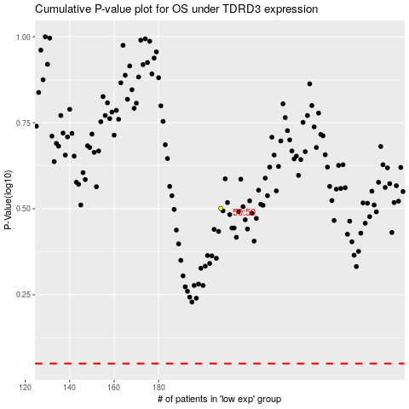

 |  |  |  |  |  | cases_OS | p_OS | rank | exp
 |  |  |  |  |  |  | cases_RFS | p_RFS | rank | exp

