TDRD5 _multivariate
Reported by Tex Li-Hsing Chi. tex@gate.sinica.edu.tw 2019-08-15

Table 2. The clinicopathological features of HNSCC cohort and TDRD5 expression. (Chi square test)
Cutoff at -0.025 (69.6%)
 |  | TDRD5 expression |  | TDRD5 expression |  | (Optimised)
 | Features | Low | (%) | High | (%) | Case no | P-value | Remark | Matthews
Gender | Female | 213 | 51.3 | 93 | 22.4 | 415 | 1 | 0 | 0
2 | Male | 76 | 18.3 | 33 | 8
Age at diagnosis | <=65y | 188 | 45.3 | 86 | 20.7 | 415 | 0.6027 | 0 | 0
4 | >65y | 101 | 24.3 | 40 | 9.6
Clinical T Status | T1+T2 | 112 | 27 | 37 | 8.9 | 415 | 0.085 | 0 | 0
6 | T3+T4 | 177 | 42.7 | 89 | 21.4
Clinical N Status | N0 | 159 | 38.3 | 57 | 13.7 | 415 | 0.0842 | 0 | 0
8 | N1-3 | 130 | 31.3 | 69 | 16.6
Clinical M Status | M0 | 286 | 68.9 | 126 | 30.4 | 415 | 0.5566 | 0 | 0
10 | M1 | 3 | 0.7 | 0 | 0
Clinical Stage | Stage I+II | 80 | 19.3 | 22 | 5.3 | 415 | 0.0357 | 1 | 0
12 | Stage III+IV | 209 | 50.4 | 104 | 25.1
Surgical Margin status | Negative | 225 | 54.2 | 93 | 22.4 | 415 | 0.3793 | 0 | 0
14 | Positive | 64 | 15.4 | 33 | 8
Tobacco Exposure | Low | 117 | 28.2 | 44 | 10.6 | 415 | 0.3244 | 0 | 0
16 | High | 172 | 41.4 | 82 | 19.8

Table 3. Univariate/Multivariate Cox's proportional hazards regression analyses on OS time of TDRD5 gene expression in HNSCC

 |  | Univariate |  |  |  | Multivariate
 | Features | HR | CI95%(L) | CI95%(H) | P-value | HR | CI95%(L) | CI95%(H) | P-value
1 | Female | 1 |  |  |  | 1
Gender | Male | 1.157 | 0.843 | 1.587 | 0.367 | 1.204 | 0.864 | 1.679 | 0.273
11 | <=65y | 1 |  |  |  | 1
Age at diagnosis | >65y | 1.329 | 0.99 | 1.784 | 0.058 | 1.405 | 1.034 | 1.909 | 0.03
12 | T1+T2 | 1 |  |  |  | 1
Clinical T Status | T3+T4 | 1.409 | 1.028 | 1.931 | 0.033 | 2.173 | 1.15 | 4.106 | 0.017
13 | N0 | 1 |  |  |  | 1
Clinical N Status | N1-3 | 1.185 | 0.89 | 1.577 | 0.246 | 1.201 | 0.84 | 1.718 | 0.315
14 | M0 | 1 |  |  |  | 1
Clinical M Status | M1 | 4.097 | 1.009 | 16.644 | 0.049 | 10.348 | 2.246 | 47.678 | 0.003
15 | Stage I+II | 1 |  |  |  | 1
Clinical Stage | Stage III+IV | 1.245 | 0.882 | 1.759 | 0.213 | 0.498 | 0.232 | 1.067 | 0.073
16 | Negative | 1 |  |  |  | 1
Surgical Margin status | Positive | 1.591 | 1.155 | 2.191 | 0.004 | 1.632 | 1.179 | 2.259 | 0.003
17 | Low | 1 |  |  |  | 1
Tobacco Exposure | High | 1.364 | 1.008 | 1.844 | 0.044 | 1.433 | 1.04 | 1.973 | 0.028
18 | Low | 1 |  |  |  | 1
RNAseq(z-score) | High | 1.364 | 1.011 | 1.839 | 0.042 | 1.301 | 0.956 | 1.771 | 0.095

Table 4. Univariate/Multivariate Cox's proportional hazards regression analyses on RFS time of TDRD5 gene expression in HNSCC

 |  | Univariate |  |  |  | Multivariate
 | Features | HR | CI95%(L) | CI95%(H) | P-value | HR | CI95%(L) | CI95%(H) | P-value
1 | Female | 1 |  |  |  | 1
Gender | Male | 1.157 | 0.843 | 1.587 | 0.367 | 1.204 | 0.864 | 1.679 | 0.273
11 | <=65y | 1 |  |  |  | 1
Age at diagnosis | >65y | 1.329 | 0.99 | 1.784 | 0.058 | 1.405 | 1.034 | 1.909 | 0.03
12 | T1+T2 | 1 |  |  |  | 1
Clinical T Status | T3+T4 | 1.409 | 1.028 | 1.931 | 0.033 | 2.173 | 1.15 | 4.106 | 0.017
13 | N0 | 1 |  |  |  | 1
Clinical N Status | N1-3 | 1.185 | 0.89 | 1.577 | 0.246 | 1.201 | 0.84 | 1.718 | 0.315
14 | M0 | 1 |  |  |  | 1
Clinical M Status | M1 | 4.097 | 1.009 | 16.644 | 0.049 | 10.348 | 2.246 | 47.678 | 0.003
15 | Stage I+II | 1 |  |  |  | 1
Clinical Stage | Stage III+IV | 1.245 | 0.882 | 1.759 | 0.213 | 0.498 | 0.232 | 1.067 | 0.073
16 | Negative | 1 |  |  |  | 1
Surgical Margin status | Positive | 1.591 | 1.155 | 2.191 | 0.004 | 1.632 | 1.179 | 2.259 | 0.003
17 | Low | 1 |  |  |  | 1
Tobacco Exposure | High | 1.364 | 1.008 | 1.844 | 0.044 | 1.433 | 1.04 | 1.973 | 0.028
18 | Low | 1 |  |  |  | 1
RNAseq(z-score) | High | 1.364 | 1.011 | 1.839 | 0.042 | 1.301 | 0.956 | 1.771 | 0.095

Kaplan-Meier survival estimate: Cutoff at -0.025 (69.6%)



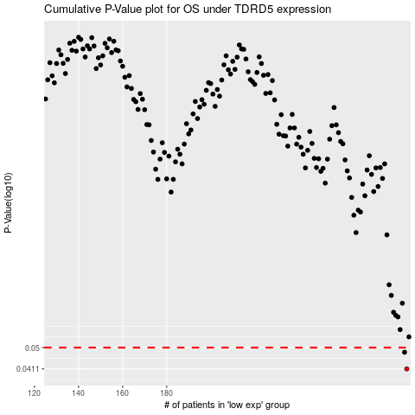

 |  |  |  |  |  | cases_OS | p_OS | rank | exp
 |  |  |  |  |  | 289 | 0.0411 | 12 | -0.024527390087
 |  |  |  |  |  | 288 | 0.0479 | 101 | -0.055470033879
 |  |  |  |  |  |  | cases_RFS | p_RFS | rank | exp
 |  |  |  |  |  |  | 288 | 0.0411 | 101 | -0.055470033879
 |  |  |  |  |  |  | 287 | 0.0479 | 184 | -0.059044812278

