TDRD6 _multivariate
Reported by Tex Li-Hsing Chi. tex@gate.sinica.edu.tw 2019-08-15

Table 2. The clinicopathological features of HNSCC cohort and TDRD6 expression. (Chi square test)
Cutoff at -0.239 (49.8%)
 |  | TDRD6 expression |  | TDRD6 expression |  | (Optimised)
 | Features | Low | (%) | High | (%) | Case no | P-value | Remark | Matthews
Gender | Female | 158 | 38.1 | 148 | 35.7 | 415 | 0.2774 | 0 | 0
2 | Male | 49 | 11.8 | 60 | 14.5
Age at diagnosis | <=65y | 140 | 33.7 | 134 | 32.3 | 415 | 0.5574 | 0 | 0
4 | >65y | 67 | 16.1 | 74 | 17.8
Clinical T Status | T1+T2 | 63 | 15.2 | 86 | 20.7 | 415 | 0.0268 | 1 | 0
6 | T3+T4 | 144 | 34.7 | 122 | 29.4
Clinical N Status | N0 | 112 | 27 | 104 | 25.1 | 415 | 0.4599 | 0 | 0
8 | N1-3 | 95 | 22.9 | 104 | 25.1
Clinical M Status | M0 | 205 | 49.4 | 207 | 49.9 | 415 | 0.6232 | 0 | 0
10 | M1 | 2 | 0.5 | 1 | 0.2
Clinical Stage | Stage I+II | 45 | 10.8 | 57 | 13.7 | 415 | 0.2202 | 0 | 0
12 | Stage III+IV | 162 | 39 | 151 | 36.4
Surgical Margin status | Negative | 160 | 38.6 | 158 | 38.1 | 415 | 0.8167 | 0 | 0
14 | Positive | 47 | 11.3 | 50 | 12
Tobacco Exposure | Low | 73 | 17.6 | 88 | 21.2 | 415 | 0.1587 | 0 | 0
16 | High | 134 | 32.3 | 120 | 28.9

Table 3. Univariate/Multivariate Cox's proportional hazards regression analyses on OS time of TDRD6 gene expression in HNSCC

 |  | Univariate |  |  |  | Multivariate
 | Features | HR | CI95%(L) | CI95%(H) | P-value | HR | CI95%(L) | CI95%(H) | P-value
1 | Female | 1 |  |  |  | 1
Gender | Male | 1.157 | 0.843 | 1.587 | 0.367 | 1.198 | 0.857 | 1.676 | 0.29
11 | <=65y | 1 |  |  |  | 1
Age at diagnosis | >65y | 1.329 | 0.99 | 1.784 | 0.058 | 1.422 | 1.045 | 1.934 | 0.025
12 | T1+T2 | 1 |  |  |  | 1
Clinical T Status | T3+T4 | 1.409 | 1.028 | 1.931 | 0.033 | 2.174 | 1.149 | 4.113 | 0.017
13 | N0 | 1 |  |  |  | 1
Clinical N Status | N1-3 | 1.185 | 0.89 | 1.577 | 0.246 | 1.285 | 0.898 | 1.837 | 0.17
14 | M0 | 1 |  |  |  | 1
Clinical M Status | M1 | 4.097 | 1.009 | 16.644 | 0.049 | 8.637 | 1.877 | 39.742 | 0.006
15 | Stage I+II | 1 |  |  |  | 1
Clinical Stage | Stage III+IV | 1.245 | 0.882 | 1.759 | 0.213 | 0.491 | 0.228 | 1.056 | 0.069
16 | Negative | 1 |  |  |  | 1
Surgical Margin status | Positive | 1.591 | 1.155 | 2.191 | 0.004 | 1.696 | 1.227 | 2.345 | 0.001
17 | Low | 1 |  |  |  | 1
Tobacco Exposure | High | 1.364 | 1.008 | 1.844 | 0.044 | 1.419 | 1.028 | 1.959 | 0.033
18 | Low | 1 |  |  |  | 1
RNAseq(z-score) | High | 0.783 | 0.587 | 1.044 | 0.096 | 0.789 | 0.587 | 1.061 | 0.117

Table 4. Univariate/Multivariate Cox's proportional hazards regression analyses on RFS time of TDRD6 gene expression in HNSCC

 |  | Univariate |  |  |  | Multivariate
 | Features | HR | CI95%(L) | CI95%(H) | P-value | HR | CI95%(L) | CI95%(H) | P-value
1 | Female | 1 |  |  |  | 1
Gender | Male | 1.157 | 0.843 | 1.587 | 0.367 | 1.198 | 0.857 | 1.676 | 0.29
11 | <=65y | 1 |  |  |  | 1
Age at diagnosis | >65y | 1.329 | 0.99 | 1.784 | 0.058 | 1.422 | 1.045 | 1.934 | 0.025
12 | T1+T2 | 1 |  |  |  | 1
Clinical T Status | T3+T4 | 1.409 | 1.028 | 1.931 | 0.033 | 2.174 | 1.149 | 4.113 | 0.017
13 | N0 | 1 |  |  |  | 1
Clinical N Status | N1-3 | 1.185 | 0.89 | 1.577 | 0.246 | 1.285 | 0.898 | 1.837 | 0.17
14 | M0 | 1 |  |  |  | 1
Clinical M Status | M1 | 4.097 | 1.009 | 16.644 | 0.049 | 8.637 | 1.877 | 39.742 | 0.006
15 | Stage I+II | 1 |  |  |  | 1
Clinical Stage | Stage III+IV | 1.245 | 0.882 | 1.759 | 0.213 | 0.491 | 0.228 | 1.056 | 0.069
16 | Negative | 1 |  |  |  | 1
Surgical Margin status | Positive | 1.591 | 1.155 | 2.191 | 0.004 | 1.696 | 1.227 | 2.345 | 0.001
17 | Low | 1 |  |  |  | 1
Tobacco Exposure | High | 1.364 | 1.008 | 1.844 | 0.044 | 1.419 | 1.028 | 1.959 | 0.033
18 | Low | 1 |  |  |  | 1
RNAseq(z-score) | High | 0.783 | 0.587 | 1.044 | 0.096 | 0.789 | 0.587 | 1.061 | 0.117

Kaplan-Meier survival estimate: Cutoff at -0.239 (49.8%)



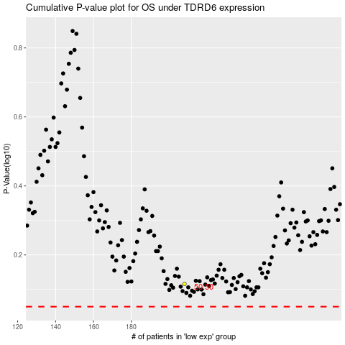

 |  |  |  |  |  | cases_OS | p_OS | rank | exp
 |  |  |  |  |  |  | cases_RFS | p_RFS | rank | exp

