TDRKH _multivariate
Reported by Tex Li-Hsing Chi. tex@gate.sinica.edu.tw 2019-08-15

Table 2. The clinicopathological features of HNSCC cohort and TDRKH expression. (Chi square test)
Cutoff at -0.204 (49.8%)
 |  | TDRKH expression |  | TDRKH expression |  | (Optimised)
 | Features | Low | (%) | High | (%) | Case no | P-value | Remark | Matthews
Gender | Female | 153 | 36.9 | 153 | 36.9 | 415 | 1 | 0 | 0
2 | Male | 54 | 13 | 55 | 13.3
Age at diagnosis | <=65y | 132 | 31.8 | 142 | 34.2 | 415 | 0.3874 | 0 | 0
4 | >65y | 75 | 18.1 | 66 | 15.9
Clinical T Status | T1+T2 | 68 | 16.4 | 81 | 19.5 | 415 | 0.2336 | 0 | 0
6 | T3+T4 | 139 | 33.5 | 127 | 30.6
Clinical N Status | N0 | 115 | 27.7 | 101 | 24.3 | 415 | 0.184 | 1 | 0
8 | N1-3 | 92 | 22.2 | 107 | 25.8
Clinical M Status | M0 | 206 | 49.6 | 206 | 49.6 | 415 | 1 | 0 | 0
10 | M1 | 1 | 0.2 | 2 | 0.5
Clinical Stage | Stage I+II | 52 | 12.5 | 50 | 12 | 415 | 0.8871 | 0 | 0
12 | Stage III+IV | 155 | 37.3 | 158 | 38.1
Surgical Margin status | Negative | 163 | 39.3 | 155 | 37.3 | 415 | 0.3537 | 0 | 0
14 | Positive | 44 | 10.6 | 53 | 12.8
Tobacco Exposure | Low | 76 | 18.3 | 85 | 20.5 | 415 | 0.4207 | 0 | 0
16 | High | 131 | 31.6 | 123 | 29.6

Table 3. Univariate/Multivariate Cox's proportional hazards regression analyses on OS time of TDRKH gene expression in HNSCC

 |  | Univariate |  |  |  | Multivariate
 | Features | HR | CI95%(L) | CI95%(H) | P-value | HR | CI95%(L) | CI95%(H) | P-value
1 | Female | 1 |  |  |  | 1
Gender | Male | 1.157 | 0.843 | 1.587 | 0.367 | 1.194 | 0.856 | 1.666 | 0.297
11 | <=65y | 1 |  |  |  | 1
Age at diagnosis | >65y | 1.329 | 0.99 | 1.784 | 0.058 | 1.413 | 1.038 | 1.923 | 0.028
12 | T1+T2 | 1 |  |  |  | 1
Clinical T Status | T3+T4 | 1.409 | 1.028 | 1.931 | 0.033 | 2.314 | 1.22 | 4.388 | 0.01
13 | N0 | 1 |  |  |  | 1
Clinical N Status | N1-3 | 1.185 | 0.89 | 1.577 | 0.246 | 1.252 | 0.877 | 1.786 | 0.216
14 | M0 | 1 |  |  |  | 1
Clinical M Status | M1 | 4.097 | 1.009 | 16.644 | 0.049 | 9.221 | 2.01 | 42.307 | 0.004
15 | Stage I+II | 1 |  |  |  | 1
Clinical Stage | Stage III+IV | 1.245 | 0.882 | 1.759 | 0.213 | 0.477 | 0.222 | 1.028 | 0.059
16 | Negative | 1 |  |  |  | 1
Surgical Margin status | Positive | 1.591 | 1.155 | 2.191 | 0.004 | 1.657 | 1.198 | 2.29 | 0.002
17 | Low | 1 |  |  |  | 1
Tobacco Exposure | High | 1.364 | 1.008 | 1.844 | 0.044 | 1.482 | 1.075 | 2.045 | 0.016
18 | Low | 1 |  |  |  | 1
RNAseq(z-score) | High | 1.193 | 0.894 | 1.592 | 0.231 | 1.257 | 0.937 | 1.685 | 0.127

Table 4. Univariate/Multivariate Cox's proportional hazards regression analyses on RFS time of TDRKH gene expression in HNSCC

 |  | Univariate |  |  |  | Multivariate
 | Features | HR | CI95%(L) | CI95%(H) | P-value | HR | CI95%(L) | CI95%(H) | P-value
1 | Female | 1 |  |  |  | 1
Gender | Male | 1.157 | 0.843 | 1.587 | 0.367 | 1.194 | 0.856 | 1.666 | 0.297
11 | <=65y | 1 |  |  |  | 1
Age at diagnosis | >65y | 1.329 | 0.99 | 1.784 | 0.058 | 1.413 | 1.038 | 1.923 | 0.028
12 | T1+T2 | 1 |  |  |  | 1
Clinical T Status | T3+T4 | 1.409 | 1.028 | 1.931 | 0.033 | 2.314 | 1.22 | 4.388 | 0.01
13 | N0 | 1 |  |  |  | 1
Clinical N Status | N1-3 | 1.185 | 0.89 | 1.577 | 0.246 | 1.252 | 0.877 | 1.786 | 0.216
14 | M0 | 1 |  |  |  | 1
Clinical M Status | M1 | 4.097 | 1.009 | 16.644 | 0.049 | 9.221 | 2.01 | 42.307 | 0.004
15 | Stage I+II | 1 |  |  |  | 1
Clinical Stage | Stage III+IV | 1.245 | 0.882 | 1.759 | 0.213 | 0.477 | 0.222 | 1.028 | 0.059
16 | Negative | 1 |  |  |  | 1
Surgical Margin status | Positive | 1.591 | 1.155 | 2.191 | 0.004 | 1.657 | 1.198 | 2.29 | 0.002
17 | Low | 1 |  |  |  | 1
Tobacco Exposure | High | 1.364 | 1.008 | 1.844 | 0.044 | 1.482 | 1.075 | 2.045 | 0.016
18 | Low | 1 |  |  |  | 1
RNAseq(z-score) | High | 1.193 | 0.894 | 1.592 | 0.231 | 1.257 | 0.937 | 1.685 | 0.127

Kaplan-Meier survival estimate: Cutoff at -0.204 (49.8%)



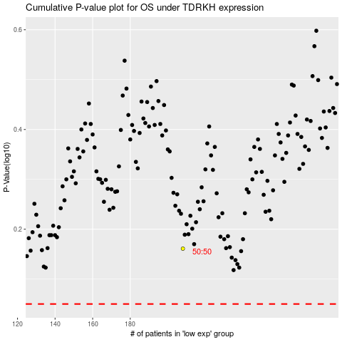

 |  |  |  |  |  | cases_OS | p_OS | rank | exp
 |  |  |  |  |  |  | cases_RFS | p_RFS | rank | exp

