TEAD3 _multivariate
Reported by Tex Li-Hsing Chi. tex@gate.sinica.edu.tw 2019-08-15

Table 2. The clinicopathological features of HNSCC cohort and TEAD3 expression. (Chi square test)
Cutoff at -0.465 (36.2%)
 |  | TEAD3 expression |  | TEAD3 expression |  | (Optimised)
 | Features | Low | (%) | High | (%) | Case no | P-value | Remark | Matthews
Gender | Female | 113 | 27.2 | 193 | 46.5 | 415 | 0.6595 | 0 | 0
2 | Male | 37 | 8.9 | 72 | 17.3
Age at diagnosis | <=65y | 100 | 24.1 | 174 | 41.9 | 415 | 0.9203 | 0 | 0
4 | >65y | 50 | 12 | 91 | 21.9
Clinical T Status | T1+T2 | 61 | 14.7 | 88 | 21.2 | 415 | 0.157 | 0 | 0
6 | T3+T4 | 89 | 21.4 | 177 | 42.7
Clinical N Status | N0 | 72 | 17.3 | 144 | 34.7 | 415 | 0.2544 | 0 | 0
8 | N1-3 | 78 | 18.8 | 121 | 29.2
Clinical M Status | M0 | 149 | 35.9 | 263 | 63.4 | 415 | 1 | 0 | 0
10 | M1 | 1 | 0.2 | 2 | 0.5
Clinical Stage | Stage I+II | 39 | 9.4 | 63 | 15.2 | 415 | 0.6984 | 0 | 0
12 | Stage III+IV | 111 | 26.7 | 202 | 48.7
Surgical Margin status | Negative | 112 | 27 | 206 | 49.6 | 415 | 0.4722 | 0 | 0
14 | Positive | 38 | 9.2 | 59 | 14.2
Tobacco Exposure | Low | 57 | 13.7 | 104 | 25.1 | 415 | 0.8344 | 0 | 0
16 | High | 93 | 22.4 | 161 | 38.8

Table 3. Univariate/Multivariate Cox's proportional hazards regression analyses on OS time of TEAD3 gene expression in HNSCC

 |  | Univariate |  |  |  | Multivariate
 | Features | HR | CI95%(L) | CI95%(H) | P-value | HR | CI95%(L) | CI95%(H) | P-value
1 | Female | 1 |  |  |  | 1
Gender | Male | 1.157 | 0.843 | 1.587 | 0.367 | 1.207 | 0.863 | 1.688 | 0.271
11 | <=65y | 1 |  |  |  | 1
Age at diagnosis | >65y | 1.329 | 0.99 | 1.784 | 0.058 | 1.372 | 1.01 | 1.863 | 0.043
12 | T1+T2 | 1 |  |  |  | 1
Clinical T Status | T3+T4 | 1.409 | 1.028 | 1.931 | 0.033 | 2.244 | 1.188 | 4.238 | 0.013
13 | N0 | 1 |  |  |  | 1
Clinical N Status | N1-3 | 1.185 | 0.89 | 1.577 | 0.246 | 1.209 | 0.847 | 1.724 | 0.296
14 | M0 | 1 |  |  |  | 1
Clinical M Status | M1 | 4.097 | 1.009 | 16.644 | 0.049 | 10.113 | 2.205 | 46.384 | 0.003
15 | Stage I+II | 1 |  |  |  | 1
Clinical Stage | Stage III+IV | 1.245 | 0.882 | 1.759 | 0.213 | 0.522 | 0.244 | 1.12 | 0.095
16 | Negative | 1 |  |  |  | 1
Surgical Margin status | Positive | 1.591 | 1.155 | 2.191 | 0.004 | 1.658 | 1.202 | 2.288 | 0.002
17 | Low | 1 |  |  |  | 1
Tobacco Exposure | High | 1.364 | 1.008 | 1.844 | 0.044 | 1.428 | 1.037 | 1.967 | 0.029
18 | Low | 1 |  |  |  | 1
RNAseq(z-score) | High | 0.714 | 0.533 | 0.957 | 0.024 | 0.707 | 0.526 | 0.95 | 0.021

Table 4. Univariate/Multivariate Cox's proportional hazards regression analyses on RFS time of TEAD3 gene expression in HNSCC

 |  | Univariate |  |  |  | Multivariate
 | Features | HR | CI95%(L) | CI95%(H) | P-value | HR | CI95%(L) | CI95%(H) | P-value
1 | Female | 1 |  |  |  | 1
Gender | Male | 1.157 | 0.843 | 1.587 | 0.367 | 1.207 | 0.863 | 1.688 | 0.271
11 | <=65y | 1 |  |  |  | 1
Age at diagnosis | >65y | 1.329 | 0.99 | 1.784 | 0.058 | 1.372 | 1.01 | 1.863 | 0.043
12 | T1+T2 | 1 |  |  |  | 1
Clinical T Status | T3+T4 | 1.409 | 1.028 | 1.931 | 0.033 | 2.244 | 1.188 | 4.238 | 0.013
13 | N0 | 1 |  |  |  | 1
Clinical N Status | N1-3 | 1.185 | 0.89 | 1.577 | 0.246 | 1.209 | 0.847 | 1.724 | 0.296
14 | M0 | 1 |  |  |  | 1
Clinical M Status | M1 | 4.097 | 1.009 | 16.644 | 0.049 | 10.113 | 2.205 | 46.384 | 0.003
15 | Stage I+II | 1 |  |  |  | 1
Clinical Stage | Stage III+IV | 1.245 | 0.882 | 1.759 | 0.213 | 0.522 | 0.244 | 1.12 | 0.095
16 | Negative | 1 |  |  |  | 1
Surgical Margin status | Positive | 1.591 | 1.155 | 2.191 | 0.004 | 1.658 | 1.202 | 2.288 | 0.002
17 | Low | 1 |  |  |  | 1
Tobacco Exposure | High | 1.364 | 1.008 | 1.844 | 0.044 | 1.428 | 1.037 | 1.967 | 0.029
18 | Low | 1 |  |  |  | 1
RNAseq(z-score) | High | 0.714 | 0.533 | 0.957 | 0.024 | 0.707 | 0.526 | 0.95 | 0.021

Kaplan-Meier survival estimate: Cutoff at -0.465 (36.2%)

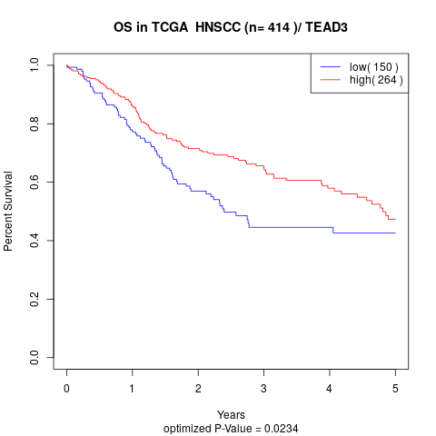

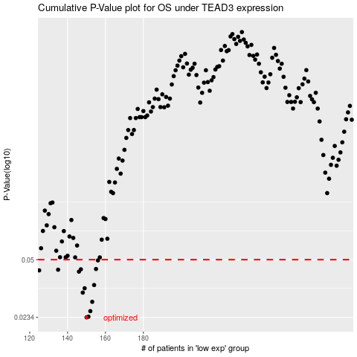

 |  |  |  |  |  | cases_OS | p_OS | rank | exp
 |  |  |  |  |  | 150 | 0.0234 | 228 | -0.4654222742
 |  |  |  |  |  | 151 | 0.0236 | 19 | -0.45794210994
 |  |  |  |  |  | 152 | 0.0254 | 307 | -0.43640726351
 |  |  |  |  |  | 153 | 0.0287 | 89 | -0.43350831972
 |  |  |  |  |  | 148 | 0.0324 | 304 | -0.47498143939
 |  |  |  |  |  | 149 | 0.0343 | 413 | -0.47430387493
 |  |  |  |  |  | 154 | 0.0358 | 31 | -0.42701835338
 |  |  |  |  |  | 146 | 0.0427 | 25 | -0.48279727568
 |  |  |  |  |  | 125 | 0.0434 | 41 | -0.62068498516
 |  |  |  |  |  | 135 | 0.0438 | 295 | -0.57648501984
 |  |  |  |  |  | 147 | 0.044 | 67 | -0.47989188109
 |  |  |  |  |  | 155 | 0.0442 | 238 | -0.42025929649
 |  |  |  |  |  | 156 | 0.0495 | 94 | -0.41446762933
 |  |  |  |  |  |  | cases_RFS | p_RFS | rank | exp
 |  |  |  |  |  |  | 149 | 0.0234 | 413 | -0.47430387493
 |  |  |  |  |  |  | 150 | 0.0236 | 228 | -0.4654222742
 |  |  |  |  |  |  | 151 | 0.0254 | 19 | -0.45794210994
 |  |  |  |  |  |  | 152 | 0.0287 | 307 | -0.43640726351
 |  |  |  |  |  |  | 147 | 0.0324 | 67 | -0.47989188109
 |  |  |  |  |  |  | 148 | 0.0343 | 304 | -0.47498143939
 |  |  |  |  |  |  | 153 | 0.0358 | 89 | -0.43350831972
 |  |  |  |  |  |  | 145 | 0.0427 | 124 | -0.49004728459
 |  |  |  |  |  |  |  | 0.0434 | 48 | -0.62779906647
 |  |  |  |  |  |  | 134 | 0.0438 | 176 | -0.58042369448
 |  |  |  |  |  |  | 146 | 0.044 | 25 | -0.48279727568
 |  |  |  |  |  |  | 154 | 0.0442 | 31 | -0.42701835338
 |  |  |  |  |  |  | 155 | 0.0495 | 238 | -0.42025929649

