TEP1 _multivariate
Reported by Tex Li-Hsing Chi. tex@gate.sinica.edu.tw 2019-08-15

Table 2. The clinicopathological features of HNSCC cohort and TEP1 expression. (Chi square test)
Cutoff at 0.109 (59.4%)
 |  | TEP1 expression |  | TEP1 expression |  | (Optimised)
 | Features | Low | (%) | High | (%) | Case no | P-value | Remark | Matthews
Gender | Female | 183 | 44.1 | 123 | 29.6 | 415 | 0.9321 | 0 | 0
2 | Male | 64 | 15.4 | 45 | 10.8
Age at diagnosis | <=65y | 165 | 39.8 | 109 | 26.3 | 415 | 0.7642 | 0 | 0
4 | >65y | 82 | 19.8 | 59 | 14.2
Clinical T Status | T1+T2 | 87 | 21 | 62 | 14.9 | 415 | 0.8054 | 0 | 0
6 | T3+T4 | 160 | 38.6 | 106 | 25.5
Clinical N Status | N0 | 123 | 29.6 | 93 | 22.4 | 415 | 0.3112 | 0 | 0
8 | N1-3 | 124 | 29.9 | 75 | 18.1
Clinical M Status | M0 | 245 | 59 | 167 | 40.2 | 415 | 1 | 0 | 0
10 | M1 | 2 | 0.5 | 1 | 0.2
Clinical Stage | Stage I+II | 59 | 14.2 | 43 | 10.4 | 415 | 0.779 | 0 | 0
12 | Stage III+IV | 188 | 45.3 | 125 | 30.1
Surgical Margin status | Negative | 189 | 45.5 | 129 | 31.1 | 415 | 1 | 0 | 0
14 | Positive | 58 | 14 | 39 | 9.4
Tobacco Exposure | Low | 94 | 22.7 | 67 | 16.1 | 415 | 0.7584 | 0 | 0
16 | High | 153 | 36.9 | 101 | 24.3

Table 3. Univariate/Multivariate Cox's proportional hazards regression analyses on OS time of TEP1 gene expression in HNSCC

 |  | Univariate |  |  |  | Multivariate
 | Features | HR | CI95%(L) | CI95%(H) | P-value | HR | CI95%(L) | CI95%(H) | P-value
1 | Female | 1 |  |  |  | 1
Gender | Male | 1.157 | 0.843 | 1.587 | 0.367 | 1.21 | 0.864 | 1.693 | 0.267
11 | <=65y | 1 |  |  |  | 1
Age at diagnosis | >65y | 1.329 | 0.99 | 1.784 | 0.058 | 1.372 | 1.008 | 1.868 | 0.045
12 | T1+T2 | 1 |  |  |  | 1
Clinical T Status | T3+T4 | 1.409 | 1.028 | 1.931 | 0.033 | 2.232 | 1.18 | 4.221 | 0.014
13 | N0 | 1 |  |  |  | 1
Clinical N Status | N1-3 | 1.185 | 0.89 | 1.577 | 0.246 | 1.288 | 0.901 | 1.84 | 0.166
14 | M0 | 1 |  |  |  | 1
Clinical M Status | M1 | 4.097 | 1.009 | 16.644 | 0.049 | 10.085 | 2.196 | 46.31 | 0.003
15 | Stage I+II | 1 |  |  |  | 1
Clinical Stage | Stage III+IV | 1.245 | 0.882 | 1.759 | 0.213 | 0.497 | 0.231 | 1.067 | 0.073
16 | Negative | 1 |  |  |  | 1
Surgical Margin status | Positive | 1.591 | 1.155 | 2.191 | 0.004 | 1.654 | 1.196 | 2.286 | 0.002
17 | Low | 1 |  |  |  | 1
Tobacco Exposure | High | 1.364 | 1.008 | 1.844 | 0.044 | 1.49 | 1.078 | 2.059 | 0.016
18 | Low | 1 |  |  |  | 1
RNAseq(z-score) | High | 1.35 | 1.013 | 1.8 | 0.041 | 1.414 | 1.057 | 1.893 | 0.02

Table 4. Univariate/Multivariate Cox's proportional hazards regression analyses on RFS time of TEP1 gene expression in HNSCC

 |  | Univariate |  |  |  | Multivariate
 | Features | HR | CI95%(L) | CI95%(H) | P-value | HR | CI95%(L) | CI95%(H) | P-value
1 | Female | 1 |  |  |  | 1
Gender | Male | 1.157 | 0.843 | 1.587 | 0.367 | 1.21 | 0.864 | 1.693 | 0.267
11 | <=65y | 1 |  |  |  | 1
Age at diagnosis | >65y | 1.329 | 0.99 | 1.784 | 0.058 | 1.372 | 1.008 | 1.868 | 0.045
12 | T1+T2 | 1 |  |  |  | 1
Clinical T Status | T3+T4 | 1.409 | 1.028 | 1.931 | 0.033 | 2.232 | 1.18 | 4.221 | 0.014
13 | N0 | 1 |  |  |  | 1
Clinical N Status | N1-3 | 1.185 | 0.89 | 1.577 | 0.246 | 1.288 | 0.901 | 1.84 | 0.166
14 | M0 | 1 |  |  |  | 1
Clinical M Status | M1 | 4.097 | 1.009 | 16.644 | 0.049 | 10.085 | 2.196 | 46.31 | 0.003
15 | Stage I+II | 1 |  |  |  | 1
Clinical Stage | Stage III+IV | 1.245 | 0.882 | 1.759 | 0.213 | 0.497 | 0.231 | 1.067 | 0.073
16 | Negative | 1 |  |  |  | 1
Surgical Margin status | Positive | 1.591 | 1.155 | 2.191 | 0.004 | 1.654 | 1.196 | 2.286 | 0.002
17 | Low | 1 |  |  |  | 1
Tobacco Exposure | High | 1.364 | 1.008 | 1.844 | 0.044 | 1.49 | 1.078 | 2.059 | 0.016
18 | Low | 1 |  |  |  | 1
RNAseq(z-score) | High | 1.35 | 1.013 | 1.8 | 0.041 | 1.414 | 1.057 | 1.893 | 0.02

Kaplan-Meier survival estimate: Cutoff at 0.109 (59.4%)



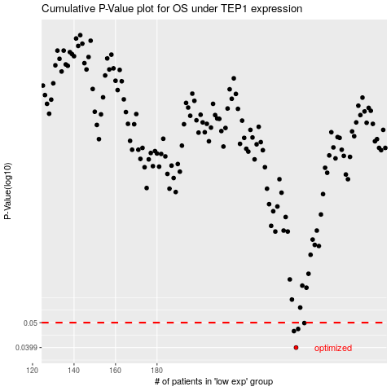

 |  |  |  |  |  | cases_OS | p_OS | rank | exp
 |  |  |  |  |  | 247 | 0.0399 | 118 | 0.10871181073
 |  |  |  |  |  | 246 | 0.0463 | 330 | 0.10330716066
 |  |  |  |  |  | 248 | 0.0472 | 90 | 0.11222449257
 |  |  |  |  |  | 251 | 0.0498 | 239 | 0.11417490504
 |  |  |  |  |  |  | cases_RFS | p_RFS | rank | exp
 |  |  |  |  |  |  | 246 | 0.0399 | 330 | 0.10330716066
 |  |  |  |  |  |  | 245 | 0.0463 | 321 | 0.10238856409
 |  |  |  |  |  |  | 247 | 0.0472 | 118 | 0.10871181073
 |  |  |  |  |  |  | 250 | 0.0498 | 362 | 0.11383157793

