TERF1 _multivariate
Reported by Tex Li-Hsing Chi. tex@gate.sinica.edu.tw 2019-08-15

Table 2. The clinicopathological features of HNSCC cohort and TERF1 expression. (Chi square test)
Cutoff at -0.118 (49.8%)
 |  | TERF1 expression |  | TERF1 expression |  | (Optimised)
 | Features | Low | (%) | High | (%) | Case no | P-value | Remark | Matthews
Gender | Female | 150 | 36.1 | 156 | 37.6 | 415 | 0.6344 | 0 | 0
2 | Male | 57 | 13.7 | 52 | 12.5
Age at diagnosis | <=65y | 125 | 30.1 | 149 | 35.9 | 415 | 0.0206 | 1 | 0
4 | >65y | 82 | 19.8 | 59 | 14.2
Clinical T Status | T1+T2 | 72 | 17.3 | 77 | 18.6 | 415 | 0.7095 | 0 | 0
6 | T3+T4 | 135 | 32.5 | 131 | 31.6
Clinical N Status | N0 | 112 | 27 | 104 | 25.1 | 415 | 0.4599 | 0 | 0
8 | N1-3 | 95 | 22.9 | 104 | 25.1
Clinical M Status | M0 | 205 | 49.4 | 207 | 49.9 | 415 | 0.6232 | 0 | 0
10 | M1 | 2 | 0.5 | 1 | 0.2
Clinical Stage | Stage I+II | 53 | 12.8 | 49 | 11.8 | 415 | 0.7113 | 0 | 0
12 | Stage III+IV | 154 | 37.1 | 159 | 38.3
Surgical Margin status | Negative | 154 | 37.1 | 164 | 39.5 | 415 | 0.2984 | 0 | 0
14 | Positive | 53 | 12.8 | 44 | 10.6
Tobacco Exposure | Low | 88 | 21.2 | 73 | 17.6 | 415 | 0.1314 | 0 | 0
16 | High | 119 | 28.7 | 135 | 32.5

Table 3. Univariate/Multivariate Cox's proportional hazards regression analyses on OS time of TERF1 gene expression in HNSCC

 |  | Univariate |  |  |  | Multivariate
 | Features | HR | CI95%(L) | CI95%(H) | P-value | HR | CI95%(L) | CI95%(H) | P-value
1 | Female | 1 |  |  |  | 1
Gender | Male | 1.157 | 0.843 | 1.587 | 0.367 | 1.202 | 0.86 | 1.68 | 0.281
11 | <=65y | 1 |  |  |  | 1
Age at diagnosis | >65y | 1.329 | 0.99 | 1.784 | 0.058 | 1.415 | 1.038 | 1.93 | 0.028
12 | T1+T2 | 1 |  |  |  | 1
Clinical T Status | T3+T4 | 1.409 | 1.028 | 1.931 | 0.033 | 2.212 | 1.17 | 4.183 | 0.015
13 | N0 | 1 |  |  |  | 1
Clinical N Status | N1-3 | 1.185 | 0.89 | 1.577 | 0.246 | 1.235 | 0.865 | 1.762 | 0.246
14 | M0 | 1 |  |  |  | 1
Clinical M Status | M1 | 4.097 | 1.009 | 16.644 | 0.049 | 9.795 | 2.13 | 45.052 | 0.003
15 | Stage I+II | 1 |  |  |  | 1
Clinical Stage | Stage III+IV | 1.245 | 0.882 | 1.759 | 0.213 | 0.506 | 0.236 | 1.086 | 0.08
16 | Negative | 1 |  |  |  | 1
Surgical Margin status | Positive | 1.591 | 1.155 | 2.191 | 0.004 | 1.675 | 1.212 | 2.314 | 0.002
17 | Low | 1 |  |  |  | 1
Tobacco Exposure | High | 1.364 | 1.008 | 1.844 | 0.044 | 1.439 | 1.044 | 1.984 | 0.026
18 | Low | 1 |  |  |  | 1
RNAseq(z-score) | High | 1.068 | 0.802 | 1.422 | 0.654 | 1.12 | 0.836 | 1.5 | 0.449

Table 4. Univariate/Multivariate Cox's proportional hazards regression analyses on RFS time of TERF1 gene expression in HNSCC

 |  | Univariate |  |  |  | Multivariate
 | Features | HR | CI95%(L) | CI95%(H) | P-value | HR | CI95%(L) | CI95%(H) | P-value
1 | Female | 1 |  |  |  | 1
Gender | Male | 1.157 | 0.843 | 1.587 | 0.367 | 1.202 | 0.86 | 1.68 | 0.281
11 | <=65y | 1 |  |  |  | 1
Age at diagnosis | >65y | 1.329 | 0.99 | 1.784 | 0.058 | 1.415 | 1.038 | 1.93 | 0.028
12 | T1+T2 | 1 |  |  |  | 1
Clinical T Status | T3+T4 | 1.409 | 1.028 | 1.931 | 0.033 | 2.212 | 1.17 | 4.183 | 0.015
13 | N0 | 1 |  |  |  | 1
Clinical N Status | N1-3 | 1.185 | 0.89 | 1.577 | 0.246 | 1.235 | 0.865 | 1.762 | 0.246
14 | M0 | 1 |  |  |  | 1
Clinical M Status | M1 | 4.097 | 1.009 | 16.644 | 0.049 | 9.795 | 2.13 | 45.052 | 0.003
15 | Stage I+II | 1 |  |  |  | 1
Clinical Stage | Stage III+IV | 1.245 | 0.882 | 1.759 | 0.213 | 0.506 | 0.236 | 1.086 | 0.08
16 | Negative | 1 |  |  |  | 1
Surgical Margin status | Positive | 1.591 | 1.155 | 2.191 | 0.004 | 1.675 | 1.212 | 2.314 | 0.002
17 | Low | 1 |  |  |  | 1
Tobacco Exposure | High | 1.364 | 1.008 | 1.844 | 0.044 | 1.439 | 1.044 | 1.984 | 0.026
18 | Low | 1 |  |  |  | 1
RNAseq(z-score) | High | 1.068 | 0.802 | 1.422 | 0.654 | 1.12 | 0.836 | 1.5 | 0.449

Kaplan-Meier survival estimate: Cutoff at -0.118 (49.8%)



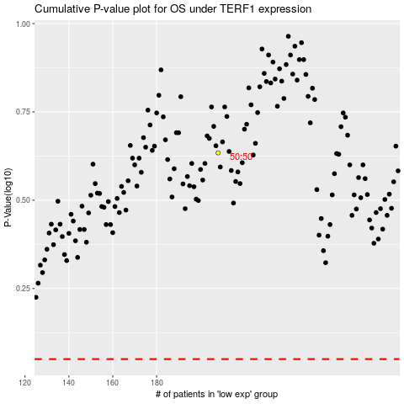

 |  |  |  |  |  | cases_OS | p_OS | rank | exp
 |  |  |  |  |  |  | cases_RFS | p_RFS | rank | exp

