TERF2IP _multivariate
Reported by Tex Li-Hsing Chi. tex@gate.sinica.edu.tw 2019-08-15

Table 2. The clinicopathological features of HNSCC cohort and TERF2IP expression. (Chi square test)
Cutoff at -0.206 (50.0%)
 |  | TERF2IP expression |  | TERF2IP expression |  | (Optimised)
 | Features | Low | (%) | High | (%) | Case no | P-value | Remark | Matthews
Gender | Female | 142 | 34.2 | 164 | 39.5 | 415 | 0.0238 | 1 | 0
2 | Male | 65 | 15.7 | 44 | 10.6
Age at diagnosis | <=65y | 127 | 30.6 | 147 | 35.4 | 415 | 0.0573 | 0 | 0
4 | >65y | 80 | 19.3 | 61 | 14.7
Clinical T Status | T1+T2 | 79 | 19 | 70 | 16.9 | 415 | 0.3924 | 0 | 0
6 | T3+T4 | 128 | 30.8 | 138 | 33.3
Clinical N Status | N0 | 110 | 26.5 | 106 | 25.5 | 415 | 0.7294 | 0 | 0
8 | N1-3 | 97 | 23.4 | 102 | 24.6
Clinical M Status | M0 | 206 | 49.6 | 206 | 49.6 | 415 | 1 | 0 | 0
10 | M1 | 1 | 0.2 | 2 | 0.5
Clinical Stage | Stage I+II | 53 | 12.8 | 49 | 11.8 | 415 | 0.7113 | 0 | 0
12 | Stage III+IV | 154 | 37.1 | 159 | 38.3
Surgical Margin status | Negative | 163 | 39.3 | 155 | 37.3 | 415 | 0.3537 | 0 | 0
14 | Positive | 44 | 10.6 | 53 | 12.8
Tobacco Exposure | Low | 90 | 21.7 | 71 | 17.1 | 415 | 0.0559 | 0 | 0
16 | High | 117 | 28.2 | 137 | 33

Table 3. Univariate/Multivariate Cox's proportional hazards regression analyses on OS time of TERF2IP gene expression in HNSCC

 |  | Univariate |  |  |  | Multivariate
 | Features | HR | CI95%(L) | CI95%(H) | P-value | HR | CI95%(L) | CI95%(H) | P-value
1 | Female | 1 |  |  |  | 1
Gender | Male | 1.157 | 0.843 | 1.587 | 0.367 | 1.205 | 0.863 | 1.683 | 0.273
11 | <=65y | 1 |  |  |  | 1
Age at diagnosis | >65y | 1.329 | 0.99 | 1.784 | 0.058 | 1.405 | 1.032 | 1.914 | 0.031
12 | T1+T2 | 1 |  |  |  | 1
Clinical T Status | T3+T4 | 1.409 | 1.028 | 1.931 | 0.033 | 2.171 | 1.145 | 4.113 | 0.017
13 | N0 | 1 |  |  |  | 1
Clinical N Status | N1-3 | 1.185 | 0.89 | 1.577 | 0.246 | 1.239 | 0.868 | 1.767 | 0.238
14 | M0 | 1 |  |  |  | 1
Clinical M Status | M1 | 4.097 | 1.009 | 16.644 | 0.049 | 9.09 | 1.973 | 41.87 | 0.005
15 | Stage I+II | 1 |  |  |  | 1
Clinical Stage | Stage III+IV | 1.245 | 0.882 | 1.759 | 0.213 | 0.512 | 0.238 | 1.1 | 0.086
16 | Negative | 1 |  |  |  | 1
Surgical Margin status | Positive | 1.591 | 1.155 | 2.191 | 0.004 | 1.657 | 1.197 | 2.293 | 0.002
17 | Low | 1 |  |  |  | 1
Tobacco Exposure | High | 1.364 | 1.008 | 1.844 | 0.044 | 1.442 | 1.046 | 1.989 | 0.026
18 | Low | 1 |  |  |  | 1
RNAseq(z-score) | High | 1.131 | 0.848 | 1.507 | 0.402 | 1.084 | 0.807 | 1.455 | 0.593

Table 4. Univariate/Multivariate Cox's proportional hazards regression analyses on RFS time of TERF2IP gene expression in HNSCC

 |  | Univariate |  |  |  | Multivariate
 | Features | HR | CI95%(L) | CI95%(H) | P-value | HR | CI95%(L) | CI95%(H) | P-value
1 | Female | 1 |  |  |  | 1
Gender | Male | 1.157 | 0.843 | 1.587 | 0.367 | 1.205 | 0.863 | 1.683 | 0.273
11 | <=65y | 1 |  |  |  | 1
Age at diagnosis | >65y | 1.329 | 0.99 | 1.784 | 0.058 | 1.405 | 1.032 | 1.914 | 0.031
12 | T1+T2 | 1 |  |  |  | 1
Clinical T Status | T3+T4 | 1.409 | 1.028 | 1.931 | 0.033 | 2.171 | 1.145 | 4.113 | 0.017
13 | N0 | 1 |  |  |  | 1
Clinical N Status | N1-3 | 1.185 | 0.89 | 1.577 | 0.246 | 1.239 | 0.868 | 1.767 | 0.238
14 | M0 | 1 |  |  |  | 1
Clinical M Status | M1 | 4.097 | 1.009 | 16.644 | 0.049 | 9.09 | 1.973 | 41.87 | 0.005
15 | Stage I+II | 1 |  |  |  | 1
Clinical Stage | Stage III+IV | 1.245 | 0.882 | 1.759 | 0.213 | 0.512 | 0.238 | 1.1 | 0.086
16 | Negative | 1 |  |  |  | 1
Surgical Margin status | Positive | 1.591 | 1.155 | 2.191 | 0.004 | 1.657 | 1.197 | 2.293 | 0.002
17 | Low | 1 |  |  |  | 1
Tobacco Exposure | High | 1.364 | 1.008 | 1.844 | 0.044 | 1.442 | 1.046 | 1.989 | 0.026
18 | Low | 1 |  |  |  | 1
RNAseq(z-score) | High | 1.131 | 0.848 | 1.507 | 0.402 | 1.084 | 0.807 | 1.455 | 0.593

Kaplan-Meier survival estimate: Cutoff at -0.206 (50.0%)



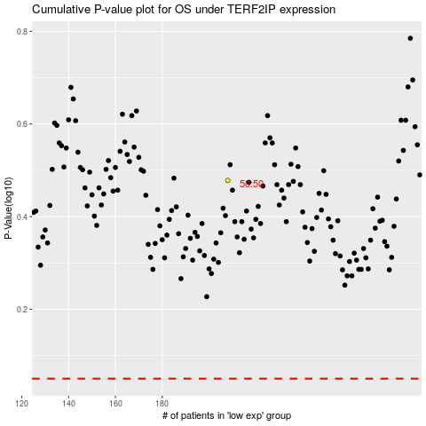

 |  |  |  |  |  | cases_OS | p_OS | rank | exp
 |  |  |  |  |  |  | cases_RFS | p_RFS | rank | exp

