TESK1 _multivariate
Reported by Tex Li-Hsing Chi. tex@gate.sinica.edu.tw 2019-08-15

Table 2. The clinicopathological features of HNSCC cohort and TESK1 expression. (Chi square test)
Cutoff at -0.122 (49.8%)
 |  | TESK1 expression |  | TESK1 expression |  | (Optimised)
 | Features | Low | (%) | High | (%) | Case no | P-value | Remark | Matthews
Gender | Female | 159 | 38.3 | 147 | 35.4 | 415 | 0.1905 | 0 | 0
2 | Male | 48 | 11.6 | 61 | 14.7
Age at diagnosis | <=65y | 146 | 35.2 | 128 | 30.8 | 415 | 0.0672 | 0 | 0
4 | >65y | 61 | 14.7 | 80 | 19.3
Clinical T Status | T1+T2 | 68 | 16.4 | 81 | 19.5 | 415 | 0.2336 | 0 | 0
6 | T3+T4 | 139 | 33.5 | 127 | 30.6
Clinical N Status | N0 | 103 | 24.8 | 113 | 27.2 | 415 | 0.4047 | 0 | 0
8 | N1-3 | 104 | 25.1 | 95 | 22.9
Clinical M Status | M0 | 207 | 49.9 | 205 | 49.4 | 415 | 0.2482 | 0 | 0
10 | M1 | 0 | 0 | 3 | 0.7
Clinical Stage | Stage I+II | 42 | 10.1 | 60 | 14.5 | 415 | 0.0561 | 0 | 0
12 | Stage III+IV | 165 | 39.8 | 148 | 35.7
Surgical Margin status | Negative | 153 | 36.9 | 165 | 39.8 | 415 | 0.2036 | 0 | 0
14 | Positive | 54 | 13 | 43 | 10.4
Tobacco Exposure | Low | 73 | 17.6 | 88 | 21.2 | 415 | 0.1587 | 0 | 0
16 | High | 134 | 32.3 | 120 | 28.9

Table 3. Univariate/Multivariate Cox's proportional hazards regression analyses on OS time of TESK1 gene expression in HNSCC

 |  | Univariate |  |  |  | Multivariate
 | Features | HR | CI95%(L) | CI95%(H) | P-value | HR | CI95%(L) | CI95%(H) | P-value
1 | Female | 1 |  |  |  | 1
Gender | Male | 1.157 | 0.843 | 1.587 | 0.367 | 1.204 | 0.862 | 1.682 | 0.276
11 | <=65y | 1 |  |  |  | 1
Age at diagnosis | >65y | 1.329 | 0.99 | 1.784 | 0.058 | 1.372 | 1.007 | 1.868 | 0.045
12 | T1+T2 | 1 |  |  |  | 1
Clinical T Status | T3+T4 | 1.409 | 1.028 | 1.931 | 0.033 | 2.176 | 1.15 | 4.116 | 0.017
13 | N0 | 1 |  |  |  | 1
Clinical N Status | N1-3 | 1.185 | 0.89 | 1.577 | 0.246 | 1.234 | 0.865 | 1.76 | 0.247
14 | M0 | 1 |  |  |  | 1
Clinical M Status | M1 | 4.097 | 1.009 | 16.644 | 0.049 | 8.499 | 1.838 | 39.297 | 0.006
15 | Stage I+II | 1 |  |  |  | 1
Clinical Stage | Stage III+IV | 1.245 | 0.882 | 1.759 | 0.213 | 0.523 | 0.243 | 1.124 | 0.097
16 | Negative | 1 |  |  |  | 1
Surgical Margin status | Positive | 1.591 | 1.155 | 2.191 | 0.004 | 1.68 | 1.216 | 2.322 | 0.002
17 | Low | 1 |  |  |  | 1
Tobacco Exposure | High | 1.364 | 1.008 | 1.844 | 0.044 | 1.465 | 1.063 | 2.021 | 0.02
18 | Low | 1 |  |  |  | 1
RNAseq(z-score) | High | 1.224 | 0.916 | 1.635 | 0.172 | 1.197 | 0.891 | 1.607 | 0.232

Table 4. Univariate/Multivariate Cox's proportional hazards regression analyses on RFS time of TESK1 gene expression in HNSCC

 |  | Univariate |  |  |  | Multivariate
 | Features | HR | CI95%(L) | CI95%(H) | P-value | HR | CI95%(L) | CI95%(H) | P-value
1 | Female | 1 |  |  |  | 1
Gender | Male | 1.157 | 0.843 | 1.587 | 0.367 | 1.204 | 0.862 | 1.682 | 0.276
11 | <=65y | 1 |  |  |  | 1
Age at diagnosis | >65y | 1.329 | 0.99 | 1.784 | 0.058 | 1.372 | 1.007 | 1.868 | 0.045
12 | T1+T2 | 1 |  |  |  | 1
Clinical T Status | T3+T4 | 1.409 | 1.028 | 1.931 | 0.033 | 2.176 | 1.15 | 4.116 | 0.017
13 | N0 | 1 |  |  |  | 1
Clinical N Status | N1-3 | 1.185 | 0.89 | 1.577 | 0.246 | 1.234 | 0.865 | 1.76 | 0.247
14 | M0 | 1 |  |  |  | 1
Clinical M Status | M1 | 4.097 | 1.009 | 16.644 | 0.049 | 8.499 | 1.838 | 39.297 | 0.006
15 | Stage I+II | 1 |  |  |  | 1
Clinical Stage | Stage III+IV | 1.245 | 0.882 | 1.759 | 0.213 | 0.523 | 0.243 | 1.124 | 0.097
16 | Negative | 1 |  |  |  | 1
Surgical Margin status | Positive | 1.591 | 1.155 | 2.191 | 0.004 | 1.68 | 1.216 | 2.322 | 0.002
17 | Low | 1 |  |  |  | 1
Tobacco Exposure | High | 1.364 | 1.008 | 1.844 | 0.044 | 1.465 | 1.063 | 2.021 | 0.02
18 | Low | 1 |  |  |  | 1
RNAseq(z-score) | High | 1.224 | 0.916 | 1.635 | 0.172 | 1.197 | 0.891 | 1.607 | 0.232

Kaplan-Meier survival estimate: Cutoff at -0.122 (49.8%)



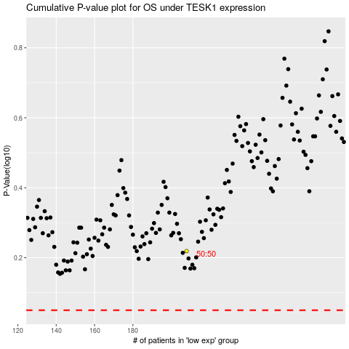

 |  |  |  |  |  | cases_OS | p_OS | rank | exp
 |  |  |  |  |  |  | cases_RFS | p_RFS | rank | exp

