TET2 _multivariate
Reported by Tex Li-Hsing Chi. tex@gate.sinica.edu.tw 2019-08-15

Table 2. The clinicopathological features of HNSCC cohort and TET2 expression. (Chi square test)
Cutoff at 0.23 (69.8%)
 |  | TET2 expression |  | TET2 expression |  | (Optimised)
 | Features | Low | (%) | High | (%) | Case no | P-value | Remark | Matthews
Gender | Female | 216 | 52 | 90 | 21.7 | 415 | 0.685 | 0 | 0
2 | Male | 74 | 17.8 | 35 | 8.4
Age at diagnosis | <=65y | 191 | 46 | 83 | 20 | 415 | 1 | 0 | 0
4 | >65y | 99 | 23.9 | 42 | 10.1
Clinical T Status | T1+T2 | 107 | 25.8 | 42 | 10.1 | 415 | 0.5956 | 0 | 0
6 | T3+T4 | 183 | 44.1 | 83 | 20
Clinical N Status | N0 | 148 | 35.7 | 68 | 16.4 | 415 | 0.6013 | 0 | 0
8 | N1-3 | 142 | 34.2 | 57 | 13.7
Clinical M Status | M0 | 287 | 69.2 | 125 | 30.1 | 415 | 0.5571 | 0 | 0
10 | M1 | 3 | 0.7 | 0 | 0
Clinical Stage | Stage I+II | 77 | 18.6 | 25 | 6 | 415 | 0.1943 | 0 | 0
12 | Stage III+IV | 213 | 51.3 | 100 | 24.1
Surgical Margin status | Negative | 222 | 53.5 | 96 | 23.1 | 415 | 1 | 0 | 0
14 | Positive | 68 | 16.4 | 29 | 7
Tobacco Exposure | Low | 110 | 26.5 | 51 | 12.3 | 415 | 0.585 | 0 | 0
16 | High | 180 | 43.4 | 74 | 17.8

Table 3. Univariate/Multivariate Cox's proportional hazards regression analyses on OS time of TET2 gene expression in HNSCC

 |  | Univariate |  |  |  | Multivariate
 | Features | HR | CI95%(L) | CI95%(H) | P-value | HR | CI95%(L) | CI95%(H) | P-value
1 | Female | 1 |  |  |  | 1
Gender | Male | 1.157 | 0.843 | 1.587 | 0.367 | 1.199 | 0.856 | 1.68 | 0.291
11 | <=65y | 1 |  |  |  | 1
Age at diagnosis | >65y | 1.329 | 0.99 | 1.784 | 0.058 | 1.397 | 1.028 | 1.898 | 0.032
12 | T1+T2 | 1 |  |  |  | 1
Clinical T Status | T3+T4 | 1.409 | 1.028 | 1.931 | 0.033 | 2.122 | 1.121 | 4.017 | 0.021
13 | N0 | 1 |  |  |  | 1
Clinical N Status | N1-3 | 1.185 | 0.89 | 1.577 | 0.246 | 1.173 | 0.819 | 1.68 | 0.383
14 | M0 | 1 |  |  |  | 1
Clinical M Status | M1 | 4.097 | 1.009 | 16.644 | 0.049 | 8.423 | 1.832 | 38.724 | 0.006
15 | Stage I+II | 1 |  |  |  | 1
Clinical Stage | Stage III+IV | 1.245 | 0.882 | 1.759 | 0.213 | 0.561 | 0.259 | 1.213 | 0.142
16 | Negative | 1 |  |  |  | 1
Surgical Margin status | Positive | 1.591 | 1.155 | 2.191 | 0.004 | 1.686 | 1.221 | 2.329 | 0.002
17 | Low | 1 |  |  |  | 1
Tobacco Exposure | High | 1.364 | 1.008 | 1.844 | 0.044 | 1.435 | 1.04 | 1.979 | 0.028
18 | Low | 1 |  |  |  | 1
RNAseq(z-score) | High | 0.71 | 0.508 | 0.992 | 0.045 | 0.717 | 0.509 | 1.01 | 0.057

Table 4. Univariate/Multivariate Cox's proportional hazards regression analyses on RFS time of TET2 gene expression in HNSCC

 |  | Univariate |  |  |  | Multivariate
 | Features | HR | CI95%(L) | CI95%(H) | P-value | HR | CI95%(L) | CI95%(H) | P-value
1 | Female | 1 |  |  |  | 1
Gender | Male | 1.157 | 0.843 | 1.587 | 0.367 | 1.199 | 0.856 | 1.68 | 0.291
11 | <=65y | 1 |  |  |  | 1
Age at diagnosis | >65y | 1.329 | 0.99 | 1.784 | 0.058 | 1.397 | 1.028 | 1.898 | 0.032
12 | T1+T2 | 1 |  |  |  | 1
Clinical T Status | T3+T4 | 1.409 | 1.028 | 1.931 | 0.033 | 2.122 | 1.121 | 4.017 | 0.021
13 | N0 | 1 |  |  |  | 1
Clinical N Status | N1-3 | 1.185 | 0.89 | 1.577 | 0.246 | 1.173 | 0.819 | 1.68 | 0.383
14 | M0 | 1 |  |  |  | 1
Clinical M Status | M1 | 4.097 | 1.009 | 16.644 | 0.049 | 8.423 | 1.832 | 38.724 | 0.006
15 | Stage I+II | 1 |  |  |  | 1
Clinical Stage | Stage III+IV | 1.245 | 0.882 | 1.759 | 0.213 | 0.561 | 0.259 | 1.213 | 0.142
16 | Negative | 1 |  |  |  | 1
Surgical Margin status | Positive | 1.591 | 1.155 | 2.191 | 0.004 | 1.686 | 1.221 | 2.329 | 0.002
17 | Low | 1 |  |  |  | 1
Tobacco Exposure | High | 1.364 | 1.008 | 1.844 | 0.044 | 1.435 | 1.04 | 1.979 | 0.028
18 | Low | 1 |  |  |  | 1
RNAseq(z-score) | High | 0.71 | 0.508 | 0.992 | 0.045 | 0.717 | 0.509 | 1.01 | 0.057

Kaplan-Meier survival estimate: Cutoff at 0.23 (69.8%)

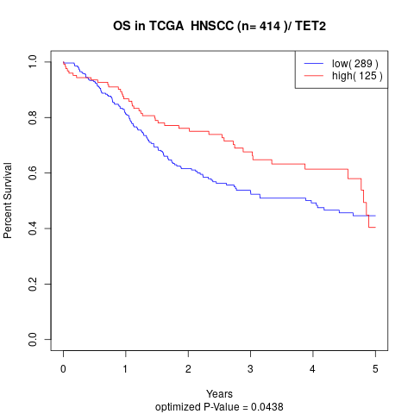

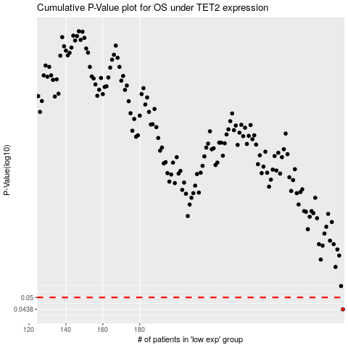

 |  |  |  |  |  | cases_OS | p_OS | rank | exp
 |  |  |  |  |  | 290 | 0.0438 | 73 | 0.23023618033
 |  |  |  |  |  |  | cases_RFS | p_RFS | rank | exp
 |  |  |  |  |  |  | 289 | 0.0438 | 176 | 0.22607404545

