TEX11 _multivariate
Reported by Tex Li-Hsing Chi. tex@gate.sinica.edu.tw 2019-08-15

Table 2. The clinicopathological features of HNSCC cohort and TEX11 expression. (Chi square test)
Cutoff at -0.127 (49.8%)
 |  | TEX11 expression |  | TEX11 expression |  | (Optimised)
 | Features | Low | (%) | High | (%) | Case no | P-value | Remark | Matthews
Gender | Female | 153 | 36.9 | 153 | 36.9 | 415 | 1 | 0 | 0
2 | Male | 54 | 13 | 55 | 13.3
Age at diagnosis | <=65y | 137 | 33 | 137 | 33 | 415 | 1 | 0 | 0
4 | >65y | 70 | 16.9 | 71 | 17.1
Clinical T Status | T1+T2 | 79 | 19 | 70 | 16.9 | 415 | 0.3924 | 0 | 0
6 | T3+T4 | 128 | 30.8 | 138 | 33.3
Clinical N Status | N0 | 108 | 26 | 108 | 26 | 415 | 1 | 0 | 0
8 | N1-3 | 99 | 23.9 | 100 | 24.1
Clinical M Status | M0 | 204 | 49.2 | 208 | 50.1 | 415 | 0.1232 | 0 | 0
10 | M1 | 3 | 0.7 | 0 | 0
Clinical Stage | Stage I+II | 57 | 13.7 | 45 | 10.8 | 415 | 0.1998 | 0 | 0
12 | Stage III+IV | 150 | 36.1 | 163 | 39.3
Surgical Margin status | Negative | 163 | 39.3 | 155 | 37.3 | 415 | 0.3537 | 0 | 0
14 | Positive | 44 | 10.6 | 53 | 12.8
Tobacco Exposure | Low | 92 | 22.2 | 69 | 16.6 | 415 | 0.0206 | 1 | 0
16 | High | 115 | 27.7 | 139 | 33.5

Table 3. Univariate/Multivariate Cox's proportional hazards regression analyses on OS time of TEX11 gene expression in HNSCC

 |  | Univariate |  |  |  | Multivariate
 | Features | HR | CI95%(L) | CI95%(H) | P-value | HR | CI95%(L) | CI95%(H) | P-value
1 | Female | 1 |  |  |  | 1
Gender | Male | 1.157 | 0.843 | 1.587 | 0.367 | 1.229 | 0.879 | 1.719 | 0.228
11 | <=65y | 1 |  |  |  | 1
Age at diagnosis | >65y | 1.329 | 0.99 | 1.784 | 0.058 | 1.39 | 1.022 | 1.888 | 0.036
12 | T1+T2 | 1 |  |  |  | 1
Clinical T Status | T3+T4 | 1.409 | 1.028 | 1.931 | 0.033 | 2.165 | 1.146 | 4.091 | 0.017
13 | N0 | 1 |  |  |  | 1
Clinical N Status | N1-3 | 1.185 | 0.89 | 1.577 | 0.246 | 1.193 | 0.834 | 1.707 | 0.334
14 | M0 | 1 |  |  |  | 1
Clinical M Status | M1 | 4.097 | 1.009 | 16.644 | 0.049 | 8.206 | 1.781 | 37.816 | 0.007
15 | Stage I+II | 1 |  |  |  | 1
Clinical Stage | Stage III+IV | 1.245 | 0.882 | 1.759 | 0.213 | 0.528 | 0.246 | 1.133 | 0.101
16 | Negative | 1 |  |  |  | 1
Surgical Margin status | Positive | 1.591 | 1.155 | 2.191 | 0.004 | 1.704 | 1.232 | 2.358 | 0.001
17 | Low | 1 |  |  |  | 1
Tobacco Exposure | High | 1.364 | 1.008 | 1.844 | 0.044 | 1.478 | 1.071 | 2.04 | 0.017
18 | Low | 1 |  |  |  | 1
RNAseq(z-score) | High | 0.766 | 0.573 | 1.023 | 0.071 | 0.743 | 0.553 | 0.996 | 0.047

Table 4. Univariate/Multivariate Cox's proportional hazards regression analyses on RFS time of TEX11 gene expression in HNSCC

 |  | Univariate |  |  |  | Multivariate
 | Features | HR | CI95%(L) | CI95%(H) | P-value | HR | CI95%(L) | CI95%(H) | P-value
1 | Female | 1 |  |  |  | 1
Gender | Male | 1.157 | 0.843 | 1.587 | 0.367 | 1.229 | 0.879 | 1.719 | 0.228
11 | <=65y | 1 |  |  |  | 1
Age at diagnosis | >65y | 1.329 | 0.99 | 1.784 | 0.058 | 1.39 | 1.022 | 1.888 | 0.036
12 | T1+T2 | 1 |  |  |  | 1
Clinical T Status | T3+T4 | 1.409 | 1.028 | 1.931 | 0.033 | 2.165 | 1.146 | 4.091 | 0.017
13 | N0 | 1 |  |  |  | 1
Clinical N Status | N1-3 | 1.185 | 0.89 | 1.577 | 0.246 | 1.193 | 0.834 | 1.707 | 0.334
14 | M0 | 1 |  |  |  | 1
Clinical M Status | M1 | 4.097 | 1.009 | 16.644 | 0.049 | 8.206 | 1.781 | 37.816 | 0.007
15 | Stage I+II | 1 |  |  |  | 1
Clinical Stage | Stage III+IV | 1.245 | 0.882 | 1.759 | 0.213 | 0.528 | 0.246 | 1.133 | 0.101
16 | Negative | 1 |  |  |  | 1
Surgical Margin status | Positive | 1.591 | 1.155 | 2.191 | 0.004 | 1.704 | 1.232 | 2.358 | 0.001
17 | Low | 1 |  |  |  | 1
Tobacco Exposure | High | 1.364 | 1.008 | 1.844 | 0.044 | 1.478 | 1.071 | 2.04 | 0.017
18 | Low | 1 |  |  |  | 1
RNAseq(z-score) | High | 0.766 | 0.573 | 1.023 | 0.071 | 0.743 | 0.553 | 0.996 | 0.047

Kaplan-Meier survival estimate: Cutoff at -0.127 (49.8%)



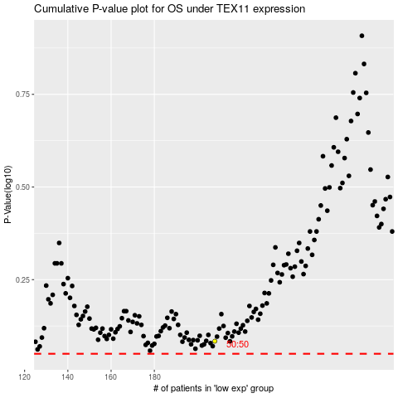

 |  |  |  |  |  | cases_OS | p_OS | rank | exp
 |  |  |  |  |  |  | cases_RFS | p_RFS | rank | exp

