TEX19 _multivariate
Reported by Tex Li-Hsing Chi. tex@gate.sinica.edu.tw 2019-08-15

Table 2. The clinicopathological features of HNSCC cohort and TEX19 expression. (Chi square test)
Cutoff at -0.4 (36.0%)
 |  | TEX19 expression |  | TEX19 expression |  | (Optimised)
 | Features | Low | (%) | High | (%) | Case no | P-value | Remark | Matthews
Gender | Female | 104 | 25.1 | 202 | 48.7 | 415 | 0.2122 | 0 | 0
2 | Male | 45 | 10.8 | 64 | 15.4
Age at diagnosis | <=65y | 93 | 22.4 | 181 | 43.6 | 415 | 0.2921 | 0 | 0
4 | >65y | 56 | 13.5 | 85 | 20.5
Clinical T Status | T1+T2 | 50 | 12 | 99 | 23.9 | 415 | 0.5227 | 0 | 0
6 | T3+T4 | 99 | 23.9 | 167 | 40.2
Clinical N Status | N0 | 81 | 19.5 | 135 | 32.5 | 415 | 0.5459 | 0 | 0
8 | N1-3 | 68 | 16.4 | 131 | 31.6
Clinical M Status | M0 | 149 | 35.9 | 263 | 63.4 | 415 | 0.5559 | 0 | 0
10 | M1 | 0 | 0 | 3 | 0.7
Clinical Stage | Stage I+II | 37 | 8.9 | 65 | 15.7 | 415 | 1 | 0 | 0
12 | Stage III+IV | 112 | 27 | 201 | 48.4
Surgical Margin status | Negative | 124 | 29.9 | 194 | 46.7 | 415 | 0.0213 | 1 | 0
14 | Positive | 25 | 6 | 72 | 17.3
Tobacco Exposure | Low | 69 | 16.6 | 92 | 22.2 | 415 | 0.021 | 1 | 0
16 | High | 80 | 19.3 | 174 | 41.9

Table 3. Univariate/Multivariate Cox's proportional hazards regression analyses on OS time of TEX19 gene expression in HNSCC

 |  | Univariate |  |  |  | Multivariate
 | Features | HR | CI95%(L) | CI95%(H) | P-value | HR | CI95%(L) | CI95%(H) | P-value
1 | Female | 1 |  |  |  | 1
Gender | Male | 1.157 | 0.843 | 1.587 | 0.367 | 1.221 | 0.873 | 1.707 | 0.243
11 | <=65y | 1 |  |  |  | 1
Age at diagnosis | >65y | 1.329 | 0.99 | 1.784 | 0.058 | 1.397 | 1.028 | 1.899 | 0.033
12 | T1+T2 | 1 |  |  |  | 1
Clinical T Status | T3+T4 | 1.409 | 1.028 | 1.931 | 0.033 | 2.239 | 1.185 | 4.231 | 0.013
13 | N0 | 1 |  |  |  | 1
Clinical N Status | N1-3 | 1.185 | 0.89 | 1.577 | 0.246 | 1.227 | 0.86 | 1.752 | 0.259
14 | M0 | 1 |  |  |  | 1
Clinical M Status | M1 | 4.097 | 1.009 | 16.644 | 0.049 | 8.774 | 1.91 | 40.302 | 0.005
15 | Stage I+II | 1 |  |  |  | 1
Clinical Stage | Stage III+IV | 1.245 | 0.882 | 1.759 | 0.213 | 0.502 | 0.234 | 1.077 | 0.077
16 | Negative | 1 |  |  |  | 1
Surgical Margin status | Positive | 1.591 | 1.155 | 2.191 | 0.004 | 1.603 | 1.156 | 2.224 | 0.005
17 | Low | 1 |  |  |  | 1
Tobacco Exposure | High | 1.364 | 1.008 | 1.844 | 0.044 | 1.412 | 1.025 | 1.946 | 0.035
18 | Low | 1 |  |  |  | 1
RNAseq(z-score) | High | 1.374 | 1.008 | 1.872 | 0.044 | 1.291 | 0.94 | 1.774 | 0.115

Table 4. Univariate/Multivariate Cox's proportional hazards regression analyses on RFS time of TEX19 gene expression in HNSCC

 |  | Univariate |  |  |  | Multivariate
 | Features | HR | CI95%(L) | CI95%(H) | P-value | HR | CI95%(L) | CI95%(H) | P-value
1 | Female | 1 |  |  |  | 1
Gender | Male | 1.157 | 0.843 | 1.587 | 0.367 | 1.221 | 0.873 | 1.707 | 0.243
11 | <=65y | 1 |  |  |  | 1
Age at diagnosis | >65y | 1.329 | 0.99 | 1.784 | 0.058 | 1.397 | 1.028 | 1.899 | 0.033
12 | T1+T2 | 1 |  |  |  | 1
Clinical T Status | T3+T4 | 1.409 | 1.028 | 1.931 | 0.033 | 2.239 | 1.185 | 4.231 | 0.013
13 | N0 | 1 |  |  |  | 1
Clinical N Status | N1-3 | 1.185 | 0.89 | 1.577 | 0.246 | 1.227 | 0.86 | 1.752 | 0.259
14 | M0 | 1 |  |  |  | 1
Clinical M Status | M1 | 4.097 | 1.009 | 16.644 | 0.049 | 8.774 | 1.91 | 40.302 | 0.005
15 | Stage I+II | 1 |  |  |  | 1
Clinical Stage | Stage III+IV | 1.245 | 0.882 | 1.759 | 0.213 | 0.502 | 0.234 | 1.077 | 0.077
16 | Negative | 1 |  |  |  | 1
Surgical Margin status | Positive | 1.591 | 1.155 | 2.191 | 0.004 | 1.603 | 1.156 | 2.224 | 0.005
17 | Low | 1 |  |  |  | 1
Tobacco Exposure | High | 1.364 | 1.008 | 1.844 | 0.044 | 1.412 | 1.025 | 1.946 | 0.035
18 | Low | 1 |  |  |  | 1
RNAseq(z-score) | High | 1.374 | 1.008 | 1.872 | 0.044 | 1.291 | 0.94 | 1.774 | 0.115

Kaplan-Meier survival estimate: Cutoff at -0.4 (36.0%)



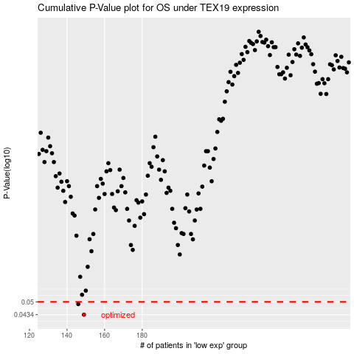

 |  |  |  |  |  | cases_OS | p_OS | rank | exp
 |  |  |  |  |  | 149 | 0.0434 | 137 | -0.39998624656
 |  |  |  |  |  | 146 | 0.0488 | 148 | -0.40586365175
 |  |  |  |  |  |  | cases_RFS | p_RFS | rank | exp
 |  |  |  |  |  |  | 148 | 0.0434 | 400 | -0.40293262201
 |  |  |  |  |  |  | 145 | 0.0488 | 245 | -0.40675370267

