TEX9 _multivariate
Reported by Tex Li-Hsing Chi. tex@gate.sinica.edu.tw 2019-08-15

Table 2. The clinicopathological features of HNSCC cohort and TEX9 expression. (Chi square test)
Cutoff at 0.078 (69.6%)
 |  | TEX9 expression |  | TEX9 expression |  | (Optimised)
 | Features | Low | (%) | High | (%) | Case no | P-value | Remark | Matthews
Gender | Female | 214 | 51.6 | 92 | 22.2 | 415 | 0.9215 | 0 | 0
2 | Male | 75 | 18.1 | 34 | 8.2
Age at diagnosis | <=65y | 194 | 46.7 | 80 | 19.3 | 415 | 0.5442 | 0 | 0
4 | >65y | 95 | 22.9 | 46 | 11.1
Clinical T Status | T1+T2 | 88 | 21.2 | 61 | 14.7 | 415 | 7e-04 | 1 | 0
6 | T3+T4 | 201 | 48.4 | 65 | 15.7
Clinical N Status | N0 | 150 | 36.1 | 66 | 15.9 | 415 | 1 | 0 | 0
8 | N1-3 | 139 | 33.5 | 60 | 14.5
Clinical M Status | M0 | 287 | 69.2 | 125 | 30.1 | 415 | 1 | 0 | 0
10 | M1 | 2 | 0.5 | 1 | 0.2
Clinical Stage | Stage I+II | 66 | 15.9 | 36 | 8.7 | 415 | 0.2612 | 0 | 0
12 | Stage III+IV | 223 | 53.7 | 90 | 21.7
Surgical Margin status | Negative | 229 | 55.2 | 89 | 21.4 | 415 | 0.0598 | 0 | 0
14 | Positive | 60 | 14.5 | 37 | 8.9
Tobacco Exposure | Low | 103 | 24.8 | 58 | 14 | 415 | 0.0492 | 1 | 0
16 | High | 186 | 44.8 | 68 | 16.4

Table 3. Univariate/Multivariate Cox's proportional hazards regression analyses on OS time of TEX9 gene expression in HNSCC

 |  | Univariate |  |  |  | Multivariate
 | Features | HR | CI95%(L) | CI95%(H) | P-value | HR | CI95%(L) | CI95%(H) | P-value
1 | Female | 1 |  |  |  | 1
Gender | Male | 1.157 | 0.843 | 1.587 | 0.367 | 1.212 | 0.865 | 1.696 | 0.264
11 | <=65y | 1 |  |  |  | 1
Age at diagnosis | >65y | 1.329 | 0.99 | 1.784 | 0.058 | 1.402 | 1.031 | 1.906 | 0.031
12 | T1+T2 | 1 |  |  |  | 1
Clinical T Status | T3+T4 | 1.409 | 1.028 | 1.931 | 0.033 | 2.016 | 1.062 | 3.829 | 0.032
13 | N0 | 1 |  |  |  | 1
Clinical N Status | N1-3 | 1.185 | 0.89 | 1.577 | 0.246 | 1.255 | 0.879 | 1.791 | 0.211
14 | M0 | 1 |  |  |  | 1
Clinical M Status | M1 | 4.097 | 1.009 | 16.644 | 0.049 | 8.493 | 1.847 | 39.063 | 0.006
15 | Stage I+II | 1 |  |  |  | 1
Clinical Stage | Stage III+IV | 1.245 | 0.882 | 1.759 | 0.213 | 0.537 | 0.25 | 1.155 | 0.112
16 | Negative | 1 |  |  |  | 1
Surgical Margin status | Positive | 1.591 | 1.155 | 2.191 | 0.004 | 1.725 | 1.247 | 2.385 | 0.001
17 | Low | 1 |  |  |  | 1
Tobacco Exposure | High | 1.364 | 1.008 | 1.844 | 0.044 | 1.44 | 1.044 | 1.986 | 0.026
18 | Low | 1 |  |  |  | 1
RNAseq(z-score) | High | 0.693 | 0.498 | 0.965 | 0.03 | 0.717 | 0.512 | 1.005 | 0.054

Table 4. Univariate/Multivariate Cox's proportional hazards regression analyses on RFS time of TEX9 gene expression in HNSCC

 |  | Univariate |  |  |  | Multivariate
 | Features | HR | CI95%(L) | CI95%(H) | P-value | HR | CI95%(L) | CI95%(H) | P-value
1 | Female | 1 |  |  |  | 1
Gender | Male | 1.157 | 0.843 | 1.587 | 0.367 | 1.212 | 0.865 | 1.696 | 0.264
11 | <=65y | 1 |  |  |  | 1
Age at diagnosis | >65y | 1.329 | 0.99 | 1.784 | 0.058 | 1.402 | 1.031 | 1.906 | 0.031
12 | T1+T2 | 1 |  |  |  | 1
Clinical T Status | T3+T4 | 1.409 | 1.028 | 1.931 | 0.033 | 2.016 | 1.062 | 3.829 | 0.032
13 | N0 | 1 |  |  |  | 1
Clinical N Status | N1-3 | 1.185 | 0.89 | 1.577 | 0.246 | 1.255 | 0.879 | 1.791 | 0.211
14 | M0 | 1 |  |  |  | 1
Clinical M Status | M1 | 4.097 | 1.009 | 16.644 | 0.049 | 8.493 | 1.847 | 39.063 | 0.006
15 | Stage I+II | 1 |  |  |  | 1
Clinical Stage | Stage III+IV | 1.245 | 0.882 | 1.759 | 0.213 | 0.537 | 0.25 | 1.155 | 0.112
16 | Negative | 1 |  |  |  | 1
Surgical Margin status | Positive | 1.591 | 1.155 | 2.191 | 0.004 | 1.725 | 1.247 | 2.385 | 0.001
17 | Low | 1 |  |  |  | 1
Tobacco Exposure | High | 1.364 | 1.008 | 1.844 | 0.044 | 1.44 | 1.044 | 1.986 | 0.026
18 | Low | 1 |  |  |  | 1
RNAseq(z-score) | High | 0.693 | 0.498 | 0.965 | 0.03 | 0.717 | 0.512 | 1.005 | 0.054

Kaplan-Meier survival estimate: Cutoff at 0.078 (69.6%)



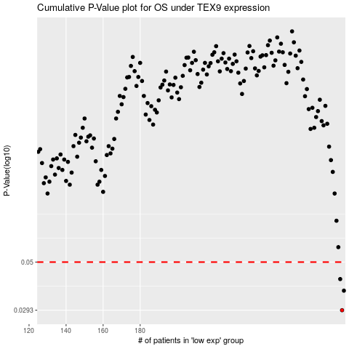

 |  |  |  |  |  | cases_OS | p_OS | rank | exp
 |  |  |  |  |  | 289 | 0.0293 | 34 | 0.077933414533
 |  |  |  |  |  | 290 | 0.0364 | 389 | 0.078097754581
 |  |  |  |  |  | 288 | 0.0414 | 222 | 0.075796993914
 |  |  |  |  |  |  | cases_RFS | p_RFS | rank | exp
 |  |  |  |  |  |  | 288 | 0.0293 | 222 | 0.075796993914
 |  |  |  |  |  |  | 289 | 0.0364 | 34 | 0.077933414533
 |  |  |  |  |  |  | 287 | 0.0414 | 413 | 0.073061905979

