TFAM _multivariate
Reported by Tex Li-Hsing Chi. tex@gate.sinica.edu.tw 2019-08-15

Table 2. The clinicopathological features of HNSCC cohort and TFAM expression. (Chi square test)
Cutoff at -0.201 (49.8%)
 |  | TFAM expression |  | TFAM expression |  | (Optimised)
 | Features | Low | (%) | High | (%) | Case no | P-value | Remark | Matthews
Gender | Female | 149 | 35.9 | 157 | 37.8 | 415 | 0.4848 | 0 | 0
2 | Male | 58 | 14 | 51 | 12.3
Age at diagnosis | <=65y | 135 | 32.5 | 139 | 33.5 | 415 | 0.8084 | 0 | 0
4 | >65y | 72 | 17.3 | 69 | 16.6
Clinical T Status | T1+T2 | 73 | 17.6 | 76 | 18.3 | 415 | 0.8666 | 0 | 0
6 | T3+T4 | 134 | 32.3 | 132 | 31.8
Clinical N Status | N0 | 115 | 27.7 | 101 | 24.3 | 415 | 0.184 | 1 | 0
8 | N1-3 | 92 | 22.2 | 107 | 25.8
Clinical M Status | M0 | 205 | 49.4 | 207 | 49.9 | 415 | 0.6232 | 0 | 0
10 | M1 | 2 | 0.5 | 1 | 0.2
Clinical Stage | Stage I+II | 48 | 11.6 | 54 | 13 | 415 | 0.5878 | 0 | 0
12 | Stage III+IV | 159 | 38.3 | 154 | 37.1
Surgical Margin status | Negative | 163 | 39.3 | 155 | 37.3 | 415 | 0.3537 | 0 | 0
14 | Positive | 44 | 10.6 | 53 | 12.8
Tobacco Exposure | Low | 84 | 20.2 | 77 | 18.6 | 415 | 0.4816 | 0 | 0
16 | High | 123 | 29.6 | 131 | 31.6

Table 3. Univariate/Multivariate Cox's proportional hazards regression analyses on OS time of TFAM gene expression in HNSCC

 |  | Univariate |  |  |  | Multivariate
 | Features | HR | CI95%(L) | CI95%(H) | P-value | HR | CI95%(L) | CI95%(H) | P-value
1 | Female | 1 |  |  |  | 1
Gender | Male | 1.157 | 0.843 | 1.587 | 0.367 | 1.204 | 0.861 | 1.682 | 0.278
11 | <=65y | 1 |  |  |  | 1
Age at diagnosis | >65y | 1.329 | 0.99 | 1.784 | 0.058 | 1.403 | 1.032 | 1.909 | 0.031
12 | T1+T2 | 1 |  |  |  | 1
Clinical T Status | T3+T4 | 1.409 | 1.028 | 1.931 | 0.033 | 2.179 | 1.152 | 4.123 | 0.017
13 | N0 | 1 |  |  |  | 1
Clinical N Status | N1-3 | 1.185 | 0.89 | 1.577 | 0.246 | 1.231 | 0.862 | 1.758 | 0.253
14 | M0 | 1 |  |  |  | 1
Clinical M Status | M1 | 4.097 | 1.009 | 16.644 | 0.049 | 9.679 | 2.109 | 44.425 | 0.004
15 | Stage I+II | 1 |  |  |  | 1
Clinical Stage | Stage III+IV | 1.245 | 0.882 | 1.759 | 0.213 | 0.517 | 0.24 | 1.112 | 0.091
16 | Negative | 1 |  |  |  | 1
Surgical Margin status | Positive | 1.591 | 1.155 | 2.191 | 0.004 | 1.66 | 1.201 | 2.295 | 0.002
17 | Low | 1 |  |  |  | 1
Tobacco Exposure | High | 1.364 | 1.008 | 1.844 | 0.044 | 1.452 | 1.054 | 2.001 | 0.023
18 | Low | 1 |  |  |  | 1
RNAseq(z-score) | High | 1.118 | 0.84 | 1.489 | 0.444 | 1.129 | 0.845 | 1.508 | 0.413

Table 4. Univariate/Multivariate Cox's proportional hazards regression analyses on RFS time of TFAM gene expression in HNSCC

 |  | Univariate |  |  |  | Multivariate
 | Features | HR | CI95%(L) | CI95%(H) | P-value | HR | CI95%(L) | CI95%(H) | P-value
1 | Female | 1 |  |  |  | 1
Gender | Male | 1.157 | 0.843 | 1.587 | 0.367 | 1.204 | 0.861 | 1.682 | 0.278
11 | <=65y | 1 |  |  |  | 1
Age at diagnosis | >65y | 1.329 | 0.99 | 1.784 | 0.058 | 1.403 | 1.032 | 1.909 | 0.031
12 | T1+T2 | 1 |  |  |  | 1
Clinical T Status | T3+T4 | 1.409 | 1.028 | 1.931 | 0.033 | 2.179 | 1.152 | 4.123 | 0.017
13 | N0 | 1 |  |  |  | 1
Clinical N Status | N1-3 | 1.185 | 0.89 | 1.577 | 0.246 | 1.231 | 0.862 | 1.758 | 0.253
14 | M0 | 1 |  |  |  | 1
Clinical M Status | M1 | 4.097 | 1.009 | 16.644 | 0.049 | 9.679 | 2.109 | 44.425 | 0.004
15 | Stage I+II | 1 |  |  |  | 1
Clinical Stage | Stage III+IV | 1.245 | 0.882 | 1.759 | 0.213 | 0.517 | 0.24 | 1.112 | 0.091
16 | Negative | 1 |  |  |  | 1
Surgical Margin status | Positive | 1.591 | 1.155 | 2.191 | 0.004 | 1.66 | 1.201 | 2.295 | 0.002
17 | Low | 1 |  |  |  | 1
Tobacco Exposure | High | 1.364 | 1.008 | 1.844 | 0.044 | 1.452 | 1.054 | 2.001 | 0.023
18 | Low | 1 |  |  |  | 1
RNAseq(z-score) | High | 1.118 | 0.84 | 1.489 | 0.444 | 1.129 | 0.845 | 1.508 | 0.413

Kaplan-Meier survival estimate: Cutoff at -0.201 (49.8%)



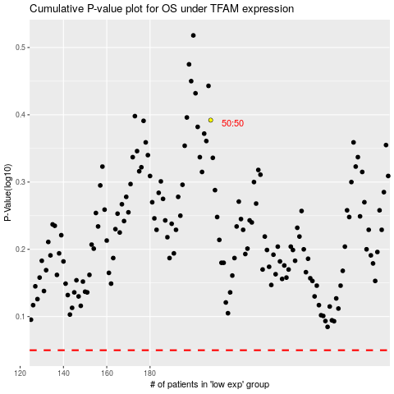

 |  |  |  |  |  | cases_OS | p_OS | rank | exp
 |  |  |  |  |  |  | cases_RFS | p_RFS | rank | exp

