TFAP2A _multivariate
Reported by Tex Li-Hsing Chi. tex@gate.sinica.edu.tw 2019-08-15

Table 2. The clinicopathological features of HNSCC cohort and TFAP2A expression. (Chi square test)
Cutoff at -0.054 (50.0%)
 |  | TFAP2A expression |  | TFAP2A expression |  | (Optimised)
 | Features | Low | (%) | High | (%) | Case no | P-value | Remark | Matthews
Gender | Female | 166 | 40 | 140 | 33.7 | 415 | 0.0041 | 1 | 0
2 | Male | 41 | 9.9 | 68 | 16.4
Age at diagnosis | <=65y | 136 | 32.8 | 138 | 33.3 | 415 | 0.9719 | 0 | 0
4 | >65y | 71 | 17.1 | 70 | 16.9
Clinical T Status | T1+T2 | 75 | 18.1 | 74 | 17.8 | 415 | 0.9707 | 0 | 0
6 | T3+T4 | 132 | 31.8 | 134 | 32.3
Clinical N Status | N0 | 101 | 24.3 | 115 | 27.7 | 415 | 0.2201 | 0 | 0
8 | N1-3 | 106 | 25.5 | 93 | 22.4
Clinical M Status | M0 | 206 | 49.6 | 206 | 49.6 | 415 | 1 | 0 | 0
10 | M1 | 1 | 0.2 | 2 | 0.5
Clinical Stage | Stage I+II | 46 | 11.1 | 56 | 13.5 | 415 | 0.3182 | 0 | 0
12 | Stage III+IV | 161 | 38.8 | 152 | 36.6
Surgical Margin status | Negative | 154 | 37.1 | 164 | 39.5 | 415 | 0.2984 | 0 | 0
14 | Positive | 53 | 12.8 | 44 | 10.6
Tobacco Exposure | Low | 66 | 15.9 | 95 | 22.9 | 415 | 0.0048 | 1 | 0
16 | High | 141 | 34 | 113 | 27.2

Table 3. Univariate/Multivariate Cox's proportional hazards regression analyses on OS time of TFAP2A gene expression in HNSCC

 |  | Univariate |  |  |  | Multivariate
 | Features | HR | CI95%(L) | CI95%(H) | P-value | HR | CI95%(L) | CI95%(H) | P-value
1 | Female | 1 |  |  |  | 1
Gender | Male | 1.157 | 0.843 | 1.587 | 0.367 | 1.181 | 0.844 | 1.653 | 0.332
11 | <=65y | 1 |  |  |  | 1
Age at diagnosis | >65y | 1.329 | 0.99 | 1.784 | 0.058 | 1.411 | 1.036 | 1.921 | 0.029
12 | T1+T2 | 1 |  |  |  | 1
Clinical T Status | T3+T4 | 1.409 | 1.028 | 1.931 | 0.033 | 2.189 | 1.158 | 4.14 | 0.016
13 | N0 | 1 |  |  |  | 1
Clinical N Status | N1-3 | 1.185 | 0.89 | 1.577 | 0.246 | 1.258 | 0.881 | 1.797 | 0.207
14 | M0 | 1 |  |  |  | 1
Clinical M Status | M1 | 4.097 | 1.009 | 16.644 | 0.049 | 8.922 | 1.937 | 41.097 | 0.005
15 | Stage I+II | 1 |  |  |  | 1
Clinical Stage | Stage III+IV | 1.245 | 0.882 | 1.759 | 0.213 | 0.511 | 0.238 | 1.099 | 0.086
16 | Negative | 1 |  |  |  | 1
Surgical Margin status | Positive | 1.591 | 1.155 | 2.191 | 0.004 | 1.672 | 1.21 | 2.31 | 0.002
17 | Low | 1 |  |  |  | 1
Tobacco Exposure | High | 1.364 | 1.008 | 1.844 | 0.044 | 1.476 | 1.068 | 2.038 | 0.018
18 | Low | 1 |  |  |  | 1
RNAseq(z-score) | High | 1.081 | 0.811 | 1.442 | 0.594 | 1.136 | 0.844 | 1.529 | 0.401

Table 4. Univariate/Multivariate Cox's proportional hazards regression analyses on RFS time of TFAP2A gene expression in HNSCC

 |  | Univariate |  |  |  | Multivariate
 | Features | HR | CI95%(L) | CI95%(H) | P-value | HR | CI95%(L) | CI95%(H) | P-value
1 | Female | 1 |  |  |  | 1
Gender | Male | 1.157 | 0.843 | 1.587 | 0.367 | 1.181 | 0.844 | 1.653 | 0.332
11 | <=65y | 1 |  |  |  | 1
Age at diagnosis | >65y | 1.329 | 0.99 | 1.784 | 0.058 | 1.411 | 1.036 | 1.921 | 0.029
12 | T1+T2 | 1 |  |  |  | 1
Clinical T Status | T3+T4 | 1.409 | 1.028 | 1.931 | 0.033 | 2.189 | 1.158 | 4.14 | 0.016
13 | N0 | 1 |  |  |  | 1
Clinical N Status | N1-3 | 1.185 | 0.89 | 1.577 | 0.246 | 1.258 | 0.881 | 1.797 | 0.207
14 | M0 | 1 |  |  |  | 1
Clinical M Status | M1 | 4.097 | 1.009 | 16.644 | 0.049 | 8.922 | 1.937 | 41.097 | 0.005
15 | Stage I+II | 1 |  |  |  | 1
Clinical Stage | Stage III+IV | 1.245 | 0.882 | 1.759 | 0.213 | 0.511 | 0.238 | 1.099 | 0.086
16 | Negative | 1 |  |  |  | 1
Surgical Margin status | Positive | 1.591 | 1.155 | 2.191 | 0.004 | 1.672 | 1.21 | 2.31 | 0.002
17 | Low | 1 |  |  |  | 1
Tobacco Exposure | High | 1.364 | 1.008 | 1.844 | 0.044 | 1.476 | 1.068 | 2.038 | 0.018
18 | Low | 1 |  |  |  | 1
RNAseq(z-score) | High | 1.081 | 0.811 | 1.442 | 0.594 | 1.136 | 0.844 | 1.529 | 0.401

Kaplan-Meier survival estimate: Cutoff at -0.054 (50.0%)



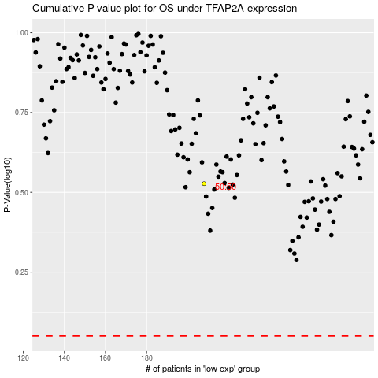

 |  |  |  |  |  | cases_OS | p_OS | rank | exp
 |  |  |  |  |  |  | cases_RFS | p_RFS | rank | exp

