TFB1M _multivariate
Reported by Tex Li-Hsing Chi. tex@gate.sinica.edu.tw 2019-08-15

Table 2. The clinicopathological features of HNSCC cohort and TFB1M expression. (Chi square test)
Cutoff at -0.252 (50.0%)
 |  | TFB1M expression |  | TFB1M expression |  | (Optimised)
 | Features | Low | (%) | High | (%) | Case no | P-value | Remark | Matthews
Gender | Female | 143 | 34.5 | 163 | 39.3 | 415 | 0.0416 | 1 | 0
2 | Male | 64 | 15.4 | 45 | 10.8
Age at diagnosis | <=65y | 127 | 30.6 | 147 | 35.4 | 415 | 0.0573 | 0 | 0
4 | >65y | 80 | 19.3 | 61 | 14.7
Clinical T Status | T1+T2 | 74 | 17.8 | 75 | 18.1 | 415 | 1 | 0 | 0
6 | T3+T4 | 133 | 32 | 133 | 32
Clinical N Status | N0 | 117 | 28.2 | 99 | 23.9 | 415 | 0.0852 | 1 | 0
8 | N1-3 | 90 | 21.7 | 109 | 26.3
Clinical M Status | M0 | 207 | 49.9 | 205 | 49.4 | 415 | 0.2482 | 0 | 0
10 | M1 | 0 | 0 | 3 | 0.7
Clinical Stage | Stage I+II | 58 | 14 | 44 | 10.6 | 415 | 0.131 | 0 | 0
12 | Stage III+IV | 149 | 35.9 | 164 | 39.5
Surgical Margin status | Negative | 160 | 38.6 | 158 | 38.1 | 415 | 0.8167 | 0 | 0
14 | Positive | 47 | 11.3 | 50 | 12
Tobacco Exposure | Low | 88 | 21.2 | 73 | 17.6 | 415 | 0.1314 | 0 | 0
16 | High | 119 | 28.7 | 135 | 32.5

Table 3. Univariate/Multivariate Cox's proportional hazards regression analyses on OS time of TFB1M gene expression in HNSCC

 |  | Univariate |  |  |  | Multivariate
 | Features | HR | CI95%(L) | CI95%(H) | P-value | HR | CI95%(L) | CI95%(H) | P-value
1 | Female | 1 |  |  |  | 1
Gender | Male | 1.157 | 0.843 | 1.587 | 0.367 | 1.196 | 0.856 | 1.67 | 0.295
11 | <=65y | 1 |  |  |  | 1
Age at diagnosis | >65y | 1.329 | 0.99 | 1.784 | 0.058 | 1.377 | 1.012 | 1.874 | 0.042
12 | T1+T2 | 1 |  |  |  | 1
Clinical T Status | T3+T4 | 1.409 | 1.028 | 1.931 | 0.033 | 2.172 | 1.148 | 4.108 | 0.017
13 | N0 | 1 |  |  |  | 1
Clinical N Status | N1-3 | 1.185 | 0.89 | 1.577 | 0.246 | 1.26 | 0.882 | 1.8 | 0.205
14 | M0 | 1 |  |  |  | 1
Clinical M Status | M1 | 4.097 | 1.009 | 16.644 | 0.049 | 9.842 | 2.139 | 45.278 | 0.003
15 | Stage I+II | 1 |  |  |  | 1
Clinical Stage | Stage III+IV | 1.245 | 0.882 | 1.759 | 0.213 | 0.513 | 0.239 | 1.102 | 0.087
16 | Negative | 1 |  |  |  | 1
Surgical Margin status | Positive | 1.591 | 1.155 | 2.191 | 0.004 | 1.65 | 1.193 | 2.282 | 0.002
17 | Low | 1 |  |  |  | 1
Tobacco Exposure | High | 1.364 | 1.008 | 1.844 | 0.044 | 1.47 | 1.066 | 2.027 | 0.019
18 | Low | 1 |  |  |  | 1
RNAseq(z-score) | High | 0.872 | 0.654 | 1.162 | 0.35 | 0.875 | 0.651 | 1.178 | 0.379

Table 4. Univariate/Multivariate Cox's proportional hazards regression analyses on RFS time of TFB1M gene expression in HNSCC

 |  | Univariate |  |  |  | Multivariate
 | Features | HR | CI95%(L) | CI95%(H) | P-value | HR | CI95%(L) | CI95%(H) | P-value
1 | Female | 1 |  |  |  | 1
Gender | Male | 1.157 | 0.843 | 1.587 | 0.367 | 1.196 | 0.856 | 1.67 | 0.295
11 | <=65y | 1 |  |  |  | 1
Age at diagnosis | >65y | 1.329 | 0.99 | 1.784 | 0.058 | 1.377 | 1.012 | 1.874 | 0.042
12 | T1+T2 | 1 |  |  |  | 1
Clinical T Status | T3+T4 | 1.409 | 1.028 | 1.931 | 0.033 | 2.172 | 1.148 | 4.108 | 0.017
13 | N0 | 1 |  |  |  | 1
Clinical N Status | N1-3 | 1.185 | 0.89 | 1.577 | 0.246 | 1.26 | 0.882 | 1.8 | 0.205
14 | M0 | 1 |  |  |  | 1
Clinical M Status | M1 | 4.097 | 1.009 | 16.644 | 0.049 | 9.842 | 2.139 | 45.278 | 0.003
15 | Stage I+II | 1 |  |  |  | 1
Clinical Stage | Stage III+IV | 1.245 | 0.882 | 1.759 | 0.213 | 0.513 | 0.239 | 1.102 | 0.087
16 | Negative | 1 |  |  |  | 1
Surgical Margin status | Positive | 1.591 | 1.155 | 2.191 | 0.004 | 1.65 | 1.193 | 2.282 | 0.002
17 | Low | 1 |  |  |  | 1
Tobacco Exposure | High | 1.364 | 1.008 | 1.844 | 0.044 | 1.47 | 1.066 | 2.027 | 0.019
18 | Low | 1 |  |  |  | 1
RNAseq(z-score) | High | 0.872 | 0.654 | 1.162 | 0.35 | 0.875 | 0.651 | 1.178 | 0.379

Kaplan-Meier survival estimate: Cutoff at -0.252 (50.0%)



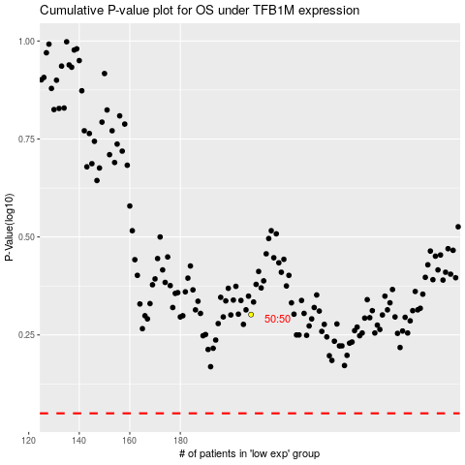

 |  |  |  |  |  | cases_OS | p_OS | rank | exp
 |  |  |  |  |  |  | cases_RFS | p_RFS | rank | exp

