TFB2M _multivariate
Reported by Tex Li-Hsing Chi. tex@gate.sinica.edu.tw 2019-08-15

Table 2. The clinicopathological features of HNSCC cohort and TFB2M expression. (Chi square test)
Cutoff at -0.196 (49.8%)
 |  | TFB2M expression |  | TFB2M expression |  | (Optimised)
 | Features | Low | (%) | High | (%) | Case no | P-value | Remark | Matthews
Gender | Female | 152 | 36.6 | 154 | 37.1 | 415 | 0.9766 | 0 | 0
2 | Male | 55 | 13.3 | 54 | 13
Age at diagnosis | <=65y | 136 | 32.8 | 138 | 33.3 | 415 | 0.9719 | 0 | 0
4 | >65y | 71 | 17.1 | 70 | 16.9
Clinical T Status | T1+T2 | 86 | 20.7 | 63 | 15.2 | 415 | 0.0221 | 1 | 0
6 | T3+T4 | 121 | 29.2 | 145 | 34.9
Clinical N Status | N0 | 109 | 26.3 | 107 | 25.8 | 415 | 0.8812 | 0 | 0
8 | N1-3 | 98 | 23.6 | 101 | 24.3
Clinical M Status | M0 | 206 | 49.6 | 206 | 49.6 | 415 | 1 | 0 | 0
10 | M1 | 1 | 0.2 | 2 | 0.5
Clinical Stage | Stage I+II | 60 | 14.5 | 42 | 10.1 | 415 | 0.0493 | 1 | 0
12 | Stage III+IV | 147 | 35.4 | 166 | 40
Surgical Margin status | Negative | 166 | 40 | 152 | 36.6 | 415 | 0.1042 | 0 | 0
14 | Positive | 41 | 9.9 | 56 | 13.5
Tobacco Exposure | Low | 100 | 24.1 | 61 | 14.7 | 415 | 1e-04 | 1 | 0
16 | High | 107 | 25.8 | 147 | 35.4

Table 3. Univariate/Multivariate Cox's proportional hazards regression analyses on OS time of TFB2M gene expression in HNSCC

 |  | Univariate |  |  |  | Multivariate
 | Features | HR | CI95%(L) | CI95%(H) | P-value | HR | CI95%(L) | CI95%(H) | P-value
1 | Female | 1 |  |  |  | 1
Gender | Male | 1.157 | 0.843 | 1.587 | 0.367 | 1.195 | 0.855 | 1.671 | 0.296
11 | <=65y | 1 |  |  |  | 1
Age at diagnosis | >65y | 1.329 | 0.99 | 1.784 | 0.058 | 1.399 | 1.029 | 1.903 | 0.032
12 | T1+T2 | 1 |  |  |  | 1
Clinical T Status | T3+T4 | 1.409 | 1.028 | 1.931 | 0.033 | 2.181 | 1.152 | 4.128 | 0.017
13 | N0 | 1 |  |  |  | 1
Clinical N Status | N1-3 | 1.185 | 0.89 | 1.577 | 0.246 | 1.251 | 0.875 | 1.787 | 0.219
14 | M0 | 1 |  |  |  | 1
Clinical M Status | M1 | 4.097 | 1.009 | 16.644 | 0.049 | 9.213 | 2.006 | 42.308 | 0.004
15 | Stage I+II | 1 |  |  |  | 1
Clinical Stage | Stage III+IV | 1.245 | 0.882 | 1.759 | 0.213 | 0.503 | 0.234 | 1.08 | 0.078
16 | Negative | 1 |  |  |  | 1
Surgical Margin status | Positive | 1.591 | 1.155 | 2.191 | 0.004 | 1.656 | 1.196 | 2.292 | 0.002
17 | Low | 1 |  |  |  | 1
Tobacco Exposure | High | 1.364 | 1.008 | 1.844 | 0.044 | 1.431 | 1.034 | 1.979 | 0.03
18 | Low | 1 |  |  |  | 1
RNAseq(z-score) | High | 1.23 | 0.921 | 1.642 | 0.16 | 1.087 | 0.807 | 1.465 | 0.582

Table 4. Univariate/Multivariate Cox's proportional hazards regression analyses on RFS time of TFB2M gene expression in HNSCC

 |  | Univariate |  |  |  | Multivariate
 | Features | HR | CI95%(L) | CI95%(H) | P-value | HR | CI95%(L) | CI95%(H) | P-value
1 | Female | 1 |  |  |  | 1
Gender | Male | 1.157 | 0.843 | 1.587 | 0.367 | 1.195 | 0.855 | 1.671 | 0.296
11 | <=65y | 1 |  |  |  | 1
Age at diagnosis | >65y | 1.329 | 0.99 | 1.784 | 0.058 | 1.399 | 1.029 | 1.903 | 0.032
12 | T1+T2 | 1 |  |  |  | 1
Clinical T Status | T3+T4 | 1.409 | 1.028 | 1.931 | 0.033 | 2.181 | 1.152 | 4.128 | 0.017
13 | N0 | 1 |  |  |  | 1
Clinical N Status | N1-3 | 1.185 | 0.89 | 1.577 | 0.246 | 1.251 | 0.875 | 1.787 | 0.219
14 | M0 | 1 |  |  |  | 1
Clinical M Status | M1 | 4.097 | 1.009 | 16.644 | 0.049 | 9.213 | 2.006 | 42.308 | 0.004
15 | Stage I+II | 1 |  |  |  | 1
Clinical Stage | Stage III+IV | 1.245 | 0.882 | 1.759 | 0.213 | 0.503 | 0.234 | 1.08 | 0.078
16 | Negative | 1 |  |  |  | 1
Surgical Margin status | Positive | 1.591 | 1.155 | 2.191 | 0.004 | 1.656 | 1.196 | 2.292 | 0.002
17 | Low | 1 |  |  |  | 1
Tobacco Exposure | High | 1.364 | 1.008 | 1.844 | 0.044 | 1.431 | 1.034 | 1.979 | 0.03
18 | Low | 1 |  |  |  | 1
RNAseq(z-score) | High | 1.23 | 0.921 | 1.642 | 0.16 | 1.087 | 0.807 | 1.465 | 0.582

Kaplan-Meier survival estimate: Cutoff at -0.196 (49.8%)



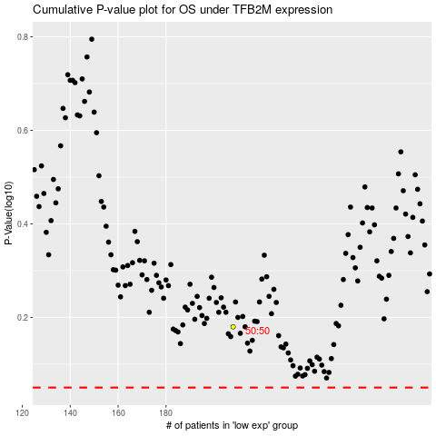

 |  |  |  |  |  | cases_OS | p_OS | rank | exp
 |  |  |  |  |  |  | cases_RFS | p_RFS | rank | exp

