TFCP2 _multivariate
Reported by Tex Li-Hsing Chi. tex@gate.sinica.edu.tw 2019-08-15

Table 2. The clinicopathological features of HNSCC cohort and TFCP2 expression. (Chi square test)
Cutoff at -0.065 (49.8%)
 |  | TFCP2 expression |  | TFCP2 expression |  | (Optimised)
 | Features | Low | (%) | High | (%) | Case no | P-value | Remark | Matthews
Gender | Female | 155 | 37.3 | 151 | 36.4 | 415 | 0.6768 | 0 | 0
2 | Male | 52 | 12.5 | 57 | 13.7
Age at diagnosis | <=65y | 143 | 34.5 | 131 | 31.6 | 415 | 0.2269 | 0 | 0
4 | >65y | 64 | 15.4 | 77 | 18.6
Clinical T Status | T1+T2 | 63 | 15.2 | 86 | 20.7 | 415 | 0.0268 | 1 | 0
6 | T3+T4 | 144 | 34.7 | 122 | 29.4
Clinical N Status | N0 | 98 | 23.6 | 118 | 28.4 | 415 | 0.0694 | 0 | 0
8 | N1-3 | 109 | 26.3 | 90 | 21.7
Clinical M Status | M0 | 207 | 49.9 | 205 | 49.4 | 415 | 0.2482 | 0 | 0
10 | M1 | 0 | 0 | 3 | 0.7
Clinical Stage | Stage I+II | 42 | 10.1 | 60 | 14.5 | 415 | 0.0561 | 0 | 0
12 | Stage III+IV | 165 | 39.8 | 148 | 35.7
Surgical Margin status | Negative | 159 | 38.3 | 159 | 38.3 | 415 | 1 | 0 | 0
14 | Positive | 48 | 11.6 | 49 | 11.8
Tobacco Exposure | Low | 73 | 17.6 | 88 | 21.2 | 415 | 0.1587 | 0 | 0
16 | High | 134 | 32.3 | 120 | 28.9

Table 3. Univariate/Multivariate Cox's proportional hazards regression analyses on OS time of TFCP2 gene expression in HNSCC

 |  | Univariate |  |  |  | Multivariate
 | Features | HR | CI95%(L) | CI95%(H) | P-value | HR | CI95%(L) | CI95%(H) | P-value
1 | Female | 1 |  |  |  | 1
Gender | Male | 1.157 | 0.843 | 1.587 | 0.367 | 1.213 | 0.868 | 1.694 | 0.259
11 | <=65y | 1 |  |  |  | 1
Age at diagnosis | >65y | 1.329 | 0.99 | 1.784 | 0.058 | 1.379 | 1.015 | 1.875 | 0.04
12 | T1+T2 | 1 |  |  |  | 1
Clinical T Status | T3+T4 | 1.409 | 1.028 | 1.931 | 0.033 | 2.318 | 1.222 | 4.397 | 0.01
13 | N0 | 1 |  |  |  | 1
Clinical N Status | N1-3 | 1.185 | 0.89 | 1.577 | 0.246 | 1.259 | 0.882 | 1.798 | 0.205
14 | M0 | 1 |  |  |  | 1
Clinical M Status | M1 | 4.097 | 1.009 | 16.644 | 0.049 | 8.788 | 1.912 | 40.395 | 0.005
15 | Stage I+II | 1 |  |  |  | 1
Clinical Stage | Stage III+IV | 1.245 | 0.882 | 1.759 | 0.213 | 0.49 | 0.228 | 1.054 | 0.068
16 | Negative | 1 |  |  |  | 1
Surgical Margin status | Positive | 1.591 | 1.155 | 2.191 | 0.004 | 1.67 | 1.209 | 2.309 | 0.002
17 | Low | 1 |  |  |  | 1
Tobacco Exposure | High | 1.364 | 1.008 | 1.844 | 0.044 | 1.485 | 1.077 | 2.049 | 0.016
18 | Low | 1 |  |  |  | 1
RNAseq(z-score) | High | 1.148 | 0.862 | 1.531 | 0.345 | 1.244 | 0.925 | 1.673 | 0.149

Table 4. Univariate/Multivariate Cox's proportional hazards regression analyses on RFS time of TFCP2 gene expression in HNSCC

 |  | Univariate |  |  |  | Multivariate
 | Features | HR | CI95%(L) | CI95%(H) | P-value | HR | CI95%(L) | CI95%(H) | P-value
1 | Female | 1 |  |  |  | 1
Gender | Male | 1.157 | 0.843 | 1.587 | 0.367 | 1.213 | 0.868 | 1.694 | 0.259
11 | <=65y | 1 |  |  |  | 1
Age at diagnosis | >65y | 1.329 | 0.99 | 1.784 | 0.058 | 1.379 | 1.015 | 1.875 | 0.04
12 | T1+T2 | 1 |  |  |  | 1
Clinical T Status | T3+T4 | 1.409 | 1.028 | 1.931 | 0.033 | 2.318 | 1.222 | 4.397 | 0.01
13 | N0 | 1 |  |  |  | 1
Clinical N Status | N1-3 | 1.185 | 0.89 | 1.577 | 0.246 | 1.259 | 0.882 | 1.798 | 0.205
14 | M0 | 1 |  |  |  | 1
Clinical M Status | M1 | 4.097 | 1.009 | 16.644 | 0.049 | 8.788 | 1.912 | 40.395 | 0.005
15 | Stage I+II | 1 |  |  |  | 1
Clinical Stage | Stage III+IV | 1.245 | 0.882 | 1.759 | 0.213 | 0.49 | 0.228 | 1.054 | 0.068
16 | Negative | 1 |  |  |  | 1
Surgical Margin status | Positive | 1.591 | 1.155 | 2.191 | 0.004 | 1.67 | 1.209 | 2.309 | 0.002
17 | Low | 1 |  |  |  | 1
Tobacco Exposure | High | 1.364 | 1.008 | 1.844 | 0.044 | 1.485 | 1.077 | 2.049 | 0.016
18 | Low | 1 |  |  |  | 1
RNAseq(z-score) | High | 1.148 | 0.862 | 1.531 | 0.345 | 1.244 | 0.925 | 1.673 | 0.149

Kaplan-Meier survival estimate: Cutoff at -0.065 (49.8%)



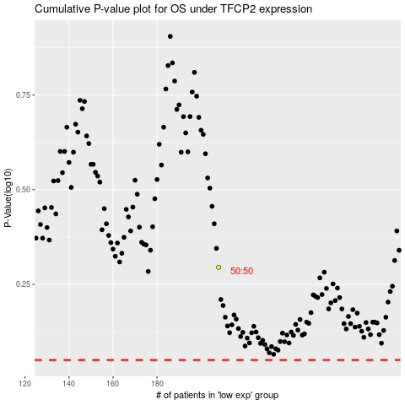

 |  |  |  |  |  | cases_OS | p_OS | rank | exp
 |  |  |  |  |  |  | cases_RFS | p_RFS | rank | exp

