TFCP2L1 _multivariate
Reported by Tex Li-Hsing Chi. tex@gate.sinica.edu.tw 2019-08-15

Table 2. The clinicopathological features of HNSCC cohort and TFCP2L1 expression. (Chi square test)
Cutoff at -0.233 (50.0%)
 |  | TFCP2L1 expression |  | TFCP2L1 expression |  | (Optimised)
 | Features | Low | (%) | High | (%) | Case no | P-value | Remark | Matthews
Gender | Female | 160 | 38.6 | 146 | 35.2 | 415 | 0.1254 | 0 | 0
2 | Male | 47 | 11.3 | 62 | 14.9
Age at diagnosis | <=65y | 137 | 33 | 137 | 33 | 415 | 1 | 0 | 0
4 | >65y | 70 | 16.9 | 71 | 17.1
Clinical T Status | T1+T2 | 75 | 18.1 | 74 | 17.8 | 415 | 0.9707 | 0 | 0
6 | T3+T4 | 132 | 31.8 | 134 | 32.3
Clinical N Status | N0 | 93 | 22.4 | 123 | 29.6 | 415 | 0.0051 | 1 | 0
8 | N1-3 | 114 | 27.5 | 85 | 20.5
Clinical M Status | M0 | 205 | 49.4 | 207 | 49.9 | 415 | 0.6232 | 0 | 0
10 | M1 | 2 | 0.5 | 1 | 0.2
Clinical Stage | Stage I+II | 43 | 10.4 | 59 | 14.2 | 415 | 0.0925 | 0 | 0
12 | Stage III+IV | 164 | 39.5 | 149 | 35.9
Surgical Margin status | Negative | 157 | 37.8 | 161 | 38.8 | 415 | 0.729 | 0 | 0
14 | Positive | 50 | 12 | 47 | 11.3
Tobacco Exposure | Low | 85 | 20.5 | 76 | 18.3 | 415 | 0.3655 | 0 | 0
16 | High | 122 | 29.4 | 132 | 31.8

Table 3. Univariate/Multivariate Cox's proportional hazards regression analyses on OS time of TFCP2L1 gene expression in HNSCC

 |  | Univariate |  |  |  | Multivariate
 | Features | HR | CI95%(L) | CI95%(H) | P-value | HR | CI95%(L) | CI95%(H) | P-value
1 | Female | 1 |  |  |  | 1
Gender | Male | 1.157 | 0.843 | 1.587 | 0.367 | 1.219 | 0.872 | 1.703 | 0.247
11 | <=65y | 1 |  |  |  | 1
Age at diagnosis | >65y | 1.329 | 0.99 | 1.784 | 0.058 | 1.372 | 1.008 | 1.866 | 0.044
12 | T1+T2 | 1 |  |  |  | 1
Clinical T Status | T3+T4 | 1.409 | 1.028 | 1.931 | 0.033 | 2.219 | 1.174 | 4.196 | 0.014
13 | N0 | 1 |  |  |  | 1
Clinical N Status | N1-3 | 1.185 | 0.89 | 1.577 | 0.246 | 1.215 | 0.849 | 1.738 | 0.287
14 | M0 | 1 |  |  |  | 1
Clinical M Status | M1 | 4.097 | 1.009 | 16.644 | 0.049 | 9.472 | 2.067 | 43.408 | 0.004
15 | Stage I+II | 1 |  |  |  | 1
Clinical Stage | Stage III+IV | 1.245 | 0.882 | 1.759 | 0.213 | 0.499 | 0.232 | 1.071 | 0.075
16 | Negative | 1 |  |  |  | 1
Surgical Margin status | Positive | 1.591 | 1.155 | 2.191 | 0.004 | 1.664 | 1.205 | 2.299 | 0.002
17 | Low | 1 |  |  |  | 1
Tobacco Exposure | High | 1.364 | 1.008 | 1.844 | 0.044 | 1.468 | 1.065 | 2.022 | 0.019
18 | Low | 1 |  |  |  | 1
RNAseq(z-score) | High | 0.88 | 0.661 | 1.173 | 0.384 | 0.868 | 0.647 | 1.164 | 0.344

Table 4. Univariate/Multivariate Cox's proportional hazards regression analyses on RFS time of TFCP2L1 gene expression in HNSCC

 |  | Univariate |  |  |  | Multivariate
 | Features | HR | CI95%(L) | CI95%(H) | P-value | HR | CI95%(L) | CI95%(H) | P-value
1 | Female | 1 |  |  |  | 1
Gender | Male | 1.157 | 0.843 | 1.587 | 0.367 | 1.219 | 0.872 | 1.703 | 0.247
11 | <=65y | 1 |  |  |  | 1
Age at diagnosis | >65y | 1.329 | 0.99 | 1.784 | 0.058 | 1.372 | 1.008 | 1.866 | 0.044
12 | T1+T2 | 1 |  |  |  | 1
Clinical T Status | T3+T4 | 1.409 | 1.028 | 1.931 | 0.033 | 2.219 | 1.174 | 4.196 | 0.014
13 | N0 | 1 |  |  |  | 1
Clinical N Status | N1-3 | 1.185 | 0.89 | 1.577 | 0.246 | 1.215 | 0.849 | 1.738 | 0.287
14 | M0 | 1 |  |  |  | 1
Clinical M Status | M1 | 4.097 | 1.009 | 16.644 | 0.049 | 9.472 | 2.067 | 43.408 | 0.004
15 | Stage I+II | 1 |  |  |  | 1
Clinical Stage | Stage III+IV | 1.245 | 0.882 | 1.759 | 0.213 | 0.499 | 0.232 | 1.071 | 0.075
16 | Negative | 1 |  |  |  | 1
Surgical Margin status | Positive | 1.591 | 1.155 | 2.191 | 0.004 | 1.664 | 1.205 | 2.299 | 0.002
17 | Low | 1 |  |  |  | 1
Tobacco Exposure | High | 1.364 | 1.008 | 1.844 | 0.044 | 1.468 | 1.065 | 2.022 | 0.019
18 | Low | 1 |  |  |  | 1
RNAseq(z-score) | High | 0.88 | 0.661 | 1.173 | 0.384 | 0.868 | 0.647 | 1.164 | 0.344

Kaplan-Meier survival estimate: Cutoff at -0.233 (50.0%)



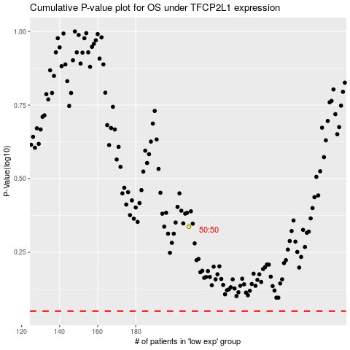

 |  |  |  |  |  | cases_OS | p_OS | rank | exp
 |  |  |  |  |  |  | cases_RFS | p_RFS | rank | exp

