TFDP2 _multivariate
Reported by Tex Li-Hsing Chi. tex@gate.sinica.edu.tw 2019-08-15

Table 2. The clinicopathological features of HNSCC cohort and TFDP2 expression. (Chi square test)
Cutoff at -0.269 (49.8%)
 |  | TFDP2 expression |  | TFDP2 expression |  | (Optimised)
 | Features | Low | (%) | High | (%) | Case no | P-value | Remark | Matthews
Gender | Female | 136 | 32.8 | 170 | 41 | 415 | 3e-04 | 1 | 0
2 | Male | 71 | 17.1 | 38 | 9.2
Age at diagnosis | <=65y | 127 | 30.6 | 147 | 35.4 | 415 | 0.0573 | 0 | 0
4 | >65y | 80 | 19.3 | 61 | 14.7
Clinical T Status | T1+T2 | 79 | 19 | 70 | 16.9 | 415 | 0.3924 | 0 | 0
6 | T3+T4 | 128 | 30.8 | 138 | 33.3
Clinical N Status | N0 | 112 | 27 | 104 | 25.1 | 415 | 0.4599 | 0 | 0
8 | N1-3 | 95 | 22.9 | 104 | 25.1
Clinical M Status | M0 | 205 | 49.4 | 207 | 49.9 | 415 | 0.6232 | 0 | 0
10 | M1 | 2 | 0.5 | 1 | 0.2
Clinical Stage | Stage I+II | 61 | 14.7 | 41 | 9.9 | 415 | 0.0282 | 1 | 0
12 | Stage III+IV | 146 | 35.2 | 167 | 40.2
Surgical Margin status | Negative | 164 | 39.5 | 154 | 37.1 | 415 | 0.2462 | 0 | 0
14 | Positive | 43 | 10.4 | 54 | 13
Tobacco Exposure | Low | 101 | 24.3 | 60 | 14.5 | 415 | 0 | 1 | 0
16 | High | 106 | 25.5 | 148 | 35.7

Table 3. Univariate/Multivariate Cox's proportional hazards regression analyses on OS time of TFDP2 gene expression in HNSCC

 |  | Univariate |  |  |  | Multivariate
 | Features | HR | CI95%(L) | CI95%(H) | P-value | HR | CI95%(L) | CI95%(H) | P-value
1 | Female | 1 |  |  |  | 1
Gender | Male | 1.157 | 0.843 | 1.587 | 0.367 | 1.221 | 0.868 | 1.719 | 0.251
11 | <=65y | 1 |  |  |  | 1
Age at diagnosis | >65y | 1.329 | 0.99 | 1.784 | 0.058 | 1.392 | 1.024 | 1.892 | 0.035
12 | T1+T2 | 1 |  |  |  | 1
Clinical T Status | T3+T4 | 1.409 | 1.028 | 1.931 | 0.033 | 2.225 | 1.175 | 4.214 | 0.014
13 | N0 | 1 |  |  |  | 1
Clinical N Status | N1-3 | 1.185 | 0.89 | 1.577 | 0.246 | 1.245 | 0.872 | 1.777 | 0.227
14 | M0 | 1 |  |  |  | 1
Clinical M Status | M1 | 4.097 | 1.009 | 16.644 | 0.049 | 9.746 | 2.109 | 45.044 | 0.004
15 | Stage I+II | 1 |  |  |  | 1
Clinical Stage | Stage III+IV | 1.245 | 0.882 | 1.759 | 0.213 | 0.495 | 0.23 | 1.067 | 0.073
16 | Negative | 1 |  |  |  | 1
Surgical Margin status | Positive | 1.591 | 1.155 | 2.191 | 0.004 | 1.668 | 1.207 | 2.306 | 0.002
17 | Low | 1 |  |  |  | 1
Tobacco Exposure | High | 1.364 | 1.008 | 1.844 | 0.044 | 1.437 | 1.039 | 1.987 | 0.028
18 | Low | 1 |  |  |  | 1
RNAseq(z-score) | High | 1.055 | 0.792 | 1.407 | 0.714 | 1.072 | 0.789 | 1.457 | 0.657

Table 4. Univariate/Multivariate Cox's proportional hazards regression analyses on RFS time of TFDP2 gene expression in HNSCC

 |  | Univariate |  |  |  | Multivariate
 | Features | HR | CI95%(L) | CI95%(H) | P-value | HR | CI95%(L) | CI95%(H) | P-value
1 | Female | 1 |  |  |  | 1
Gender | Male | 1.157 | 0.843 | 1.587 | 0.367 | 1.221 | 0.868 | 1.719 | 0.251
11 | <=65y | 1 |  |  |  | 1
Age at diagnosis | >65y | 1.329 | 0.99 | 1.784 | 0.058 | 1.392 | 1.024 | 1.892 | 0.035
12 | T1+T2 | 1 |  |  |  | 1
Clinical T Status | T3+T4 | 1.409 | 1.028 | 1.931 | 0.033 | 2.225 | 1.175 | 4.214 | 0.014
13 | N0 | 1 |  |  |  | 1
Clinical N Status | N1-3 | 1.185 | 0.89 | 1.577 | 0.246 | 1.245 | 0.872 | 1.777 | 0.227
14 | M0 | 1 |  |  |  | 1
Clinical M Status | M1 | 4.097 | 1.009 | 16.644 | 0.049 | 9.746 | 2.109 | 45.044 | 0.004
15 | Stage I+II | 1 |  |  |  | 1
Clinical Stage | Stage III+IV | 1.245 | 0.882 | 1.759 | 0.213 | 0.495 | 0.23 | 1.067 | 0.073
16 | Negative | 1 |  |  |  | 1
Surgical Margin status | Positive | 1.591 | 1.155 | 2.191 | 0.004 | 1.668 | 1.207 | 2.306 | 0.002
17 | Low | 1 |  |  |  | 1
Tobacco Exposure | High | 1.364 | 1.008 | 1.844 | 0.044 | 1.437 | 1.039 | 1.987 | 0.028
18 | Low | 1 |  |  |  | 1
RNAseq(z-score) | High | 1.055 | 0.792 | 1.407 | 0.714 | 1.072 | 0.789 | 1.457 | 0.657

Kaplan-Meier survival estimate: Cutoff at -0.269 (49.8%)



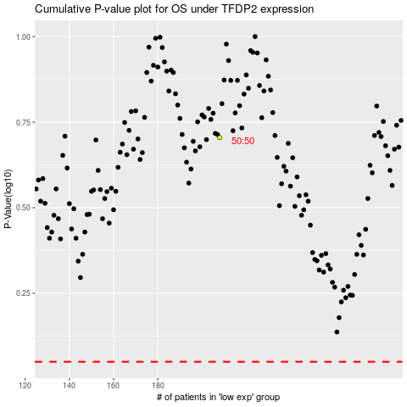

 |  |  |  |  |  | cases_OS | p_OS | rank | exp
 |  |  |  |  |  |  | cases_RFS | p_RFS | rank | exp

