TFEC _multivariate
Reported by Tex Li-Hsing Chi. tex@gate.sinica.edu.tw 2019-08-15

Table 2. The clinicopathological features of HNSCC cohort and TFEC expression. (Chi square test)
Cutoff at -0.319 (49.8%)
 |  | TFEC expression |  | TFEC expression |  | (Optimised)
 | Features | Low | (%) | High | (%) | Case no | P-value | Remark | Matthews
Gender | Female | 164 | 39.5 | 142 | 34.2 | 415 | 0.0153 | 1 | 0
2 | Male | 43 | 10.4 | 66 | 15.9
Age at diagnosis | <=65y | 145 | 34.9 | 129 | 31.1 | 415 | 0.1046 | 0 | 0
4 | >65y | 62 | 14.9 | 79 | 19
Clinical T Status | T1+T2 | 72 | 17.3 | 77 | 18.6 | 415 | 0.7095 | 0 | 0
6 | T3+T4 | 135 | 32.5 | 131 | 31.6
Clinical N Status | N0 | 118 | 28.4 | 98 | 23.6 | 415 | 0.0551 | 1 | 0
8 | N1-3 | 89 | 21.4 | 110 | 26.5
Clinical M Status | M0 | 204 | 49.2 | 208 | 50.1 | 415 | 0.1232 | 0 | 0
10 | M1 | 3 | 0.7 | 0 | 0
Clinical Stage | Stage I+II | 51 | 12.3 | 51 | 12.3 | 415 | 1 | 0 | 0
12 | Stage III+IV | 156 | 37.6 | 157 | 37.8
Surgical Margin status | Negative | 159 | 38.3 | 159 | 38.3 | 415 | 1 | 0 | 0
14 | Positive | 48 | 11.6 | 49 | 11.8
Tobacco Exposure | Low | 72 | 17.3 | 89 | 21.4 | 415 | 0.1071 | 0 | 0
16 | High | 135 | 32.5 | 119 | 28.7

Table 3. Univariate/Multivariate Cox's proportional hazards regression analyses on OS time of TFEC gene expression in HNSCC

 |  | Univariate |  |  |  | Multivariate
 | Features | HR | CI95%(L) | CI95%(H) | P-value | HR | CI95%(L) | CI95%(H) | P-value
1 | Female | 1 |  |  |  | 1
Gender | Male | 1.157 | 0.843 | 1.587 | 0.367 | 1.208 | 0.863 | 1.689 | 0.27
11 | <=65y | 1 |  |  |  | 1
Age at diagnosis | >65y | 1.329 | 0.99 | 1.784 | 0.058 | 1.394 | 1.026 | 1.895 | 0.034
12 | T1+T2 | 1 |  |  |  | 1
Clinical T Status | T3+T4 | 1.409 | 1.028 | 1.931 | 0.033 | 2.201 | 1.164 | 4.161 | 0.015
13 | N0 | 1 |  |  |  | 1
Clinical N Status | N1-3 | 1.185 | 0.89 | 1.577 | 0.246 | 1.25 | 0.874 | 1.786 | 0.221
14 | M0 | 1 |  |  |  | 1
Clinical M Status | M1 | 4.097 | 1.009 | 16.644 | 0.049 | 9.106 | 1.971 | 42.077 | 0.005
15 | Stage I+II | 1 |  |  |  | 1
Clinical Stage | Stage III+IV | 1.245 | 0.882 | 1.759 | 0.213 | 0.504 | 0.235 | 1.081 | 0.078
16 | Negative | 1 |  |  |  | 1
Surgical Margin status | Positive | 1.591 | 1.155 | 2.191 | 0.004 | 1.676 | 1.213 | 2.317 | 0.002
17 | Low | 1 |  |  |  | 1
Tobacco Exposure | High | 1.364 | 1.008 | 1.844 | 0.044 | 1.444 | 1.046 | 1.992 | 0.026
18 | Low | 1 |  |  |  | 1
RNAseq(z-score) | High | 0.95 | 0.713 | 1.267 | 0.728 | 0.942 | 0.702 | 1.263 | 0.688

Table 4. Univariate/Multivariate Cox's proportional hazards regression analyses on RFS time of TFEC gene expression in HNSCC

 |  | Univariate |  |  |  | Multivariate
 | Features | HR | CI95%(L) | CI95%(H) | P-value | HR | CI95%(L) | CI95%(H) | P-value
1 | Female | 1 |  |  |  | 1
Gender | Male | 1.157 | 0.843 | 1.587 | 0.367 | 1.208 | 0.863 | 1.689 | 0.27
11 | <=65y | 1 |  |  |  | 1
Age at diagnosis | >65y | 1.329 | 0.99 | 1.784 | 0.058 | 1.394 | 1.026 | 1.895 | 0.034
12 | T1+T2 | 1 |  |  |  | 1
Clinical T Status | T3+T4 | 1.409 | 1.028 | 1.931 | 0.033 | 2.201 | 1.164 | 4.161 | 0.015
13 | N0 | 1 |  |  |  | 1
Clinical N Status | N1-3 | 1.185 | 0.89 | 1.577 | 0.246 | 1.25 | 0.874 | 1.786 | 0.221
14 | M0 | 1 |  |  |  | 1
Clinical M Status | M1 | 4.097 | 1.009 | 16.644 | 0.049 | 9.106 | 1.971 | 42.077 | 0.005
15 | Stage I+II | 1 |  |  |  | 1
Clinical Stage | Stage III+IV | 1.245 | 0.882 | 1.759 | 0.213 | 0.504 | 0.235 | 1.081 | 0.078
16 | Negative | 1 |  |  |  | 1
Surgical Margin status | Positive | 1.591 | 1.155 | 2.191 | 0.004 | 1.676 | 1.213 | 2.317 | 0.002
17 | Low | 1 |  |  |  | 1
Tobacco Exposure | High | 1.364 | 1.008 | 1.844 | 0.044 | 1.444 | 1.046 | 1.992 | 0.026
18 | Low | 1 |  |  |  | 1
RNAseq(z-score) | High | 0.95 | 0.713 | 1.267 | 0.728 | 0.942 | 0.702 | 1.263 | 0.688

Kaplan-Meier survival estimate: Cutoff at -0.319 (49.8%)



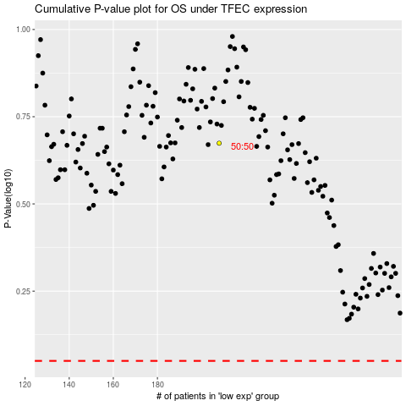

 |  |  |  |  |  | cases_OS | p_OS | rank | exp
 |  |  |  |  |  |  | cases_RFS | p_RFS | rank | exp

