TFF3 _multivariate
Reported by Tex Li-Hsing Chi. tex@gate.sinica.edu.tw 2019-08-15

Table 2. The clinicopathological features of HNSCC cohort and TFF3 expression. (Chi square test)
Cutoff at -0.126 (47.6%)
 |  | TFF3 expression |  | TFF3 expression |  | (Optimised)
 | Features | Low | (%) | High | (%) | Case no | P-value | Remark | Matthews
Gender | Female | 133 | 32 | 173 | 41.7 | 415 | 0.0086 | 1 | 0
2 | Male | 64 | 15.4 | 45 | 10.8
Age at diagnosis | <=65y | 122 | 29.4 | 152 | 36.6 | 415 | 0.1163 | 0 | 0
4 | >65y | 75 | 18.1 | 66 | 15.9
Clinical T Status | T1+T2 | 62 | 14.9 | 87 | 21 | 415 | 0.0917 | 0 | 0
6 | T3+T4 | 135 | 32.5 | 131 | 31.6
Clinical N Status | N0 | 105 | 25.3 | 111 | 26.7 | 415 | 0.699 | 0 | 0
8 | N1-3 | 92 | 22.2 | 107 | 25.8
Clinical M Status | M0 | 196 | 47.2 | 216 | 52 | 415 | 1 | 0 | 0
10 | M1 | 1 | 0.2 | 2 | 0.5
Clinical Stage | Stage I+II | 46 | 11.1 | 56 | 13.5 | 415 | 0.6612 | 0 | 0
12 | Stage III+IV | 151 | 36.4 | 162 | 39
Surgical Margin status | Negative | 150 | 36.1 | 168 | 40.5 | 415 | 0.9076 | 0 | 0
14 | Positive | 47 | 11.3 | 50 | 12
Tobacco Exposure | Low | 91 | 21.9 | 70 | 16.9 | 415 | 0.0035 | 1 | 0
16 | High | 106 | 25.5 | 148 | 35.7

Table 3. Univariate/Multivariate Cox's proportional hazards regression analyses on OS time of TFF3 gene expression in HNSCC

 |  | Univariate |  |  |  | Multivariate
 | Features | HR | CI95%(L) | CI95%(H) | P-value | HR | CI95%(L) | CI95%(H) | P-value
1 | Female | 1 |  |  |  | 1
Gender | Male | 1.157 | 0.843 | 1.587 | 0.367 | 1.122 | 0.8 | 1.574 | 0.506
11 | <=65y | 1 |  |  |  | 1
Age at diagnosis | >65y | 1.329 | 0.99 | 1.784 | 0.058 | 1.402 | 1.03 | 1.908 | 0.032
12 | T1+T2 | 1 |  |  |  | 1
Clinical T Status | T3+T4 | 1.409 | 1.028 | 1.931 | 0.033 | 2.15 | 1.136 | 4.069 | 0.019
13 | N0 | 1 |  |  |  | 1
Clinical N Status | N1-3 | 1.185 | 0.89 | 1.577 | 0.246 | 1.269 | 0.888 | 1.812 | 0.191
14 | M0 | 1 |  |  |  | 1
Clinical M Status | M1 | 4.097 | 1.009 | 16.644 | 0.049 | 10.155 | 2.21 | 46.655 | 0.003
15 | Stage I+II | 1 |  |  |  | 1
Clinical Stage | Stage III+IV | 1.245 | 0.882 | 1.759 | 0.213 | 0.483 | 0.225 | 1.04 | 0.063
16 | Negative | 1 |  |  |  | 1
Surgical Margin status | Positive | 1.591 | 1.155 | 2.191 | 0.004 | 1.671 | 1.209 | 2.31 | 0.002
17 | Low | 1 |  |  |  | 1
Tobacco Exposure | High | 1.364 | 1.008 | 1.844 | 0.044 | 1.539 | 1.113 | 2.129 | 0.009
18 | Low | 1 |  |  |  | 1
RNAseq(z-score) | High | 0.71 | 0.531 | 0.95 | 0.021 | 0.69 | 0.511 | 0.931 | 0.015

Table 4. Univariate/Multivariate Cox's proportional hazards regression analyses on RFS time of TFF3 gene expression in HNSCC

 |  | Univariate |  |  |  | Multivariate
 | Features | HR | CI95%(L) | CI95%(H) | P-value | HR | CI95%(L) | CI95%(H) | P-value
1 | Female | 1 |  |  |  | 1
Gender | Male | 1.157 | 0.843 | 1.587 | 0.367 | 1.122 | 0.8 | 1.574 | 0.506
11 | <=65y | 1 |  |  |  | 1
Age at diagnosis | >65y | 1.329 | 0.99 | 1.784 | 0.058 | 1.402 | 1.03 | 1.908 | 0.032
12 | T1+T2 | 1 |  |  |  | 1
Clinical T Status | T3+T4 | 1.409 | 1.028 | 1.931 | 0.033 | 2.15 | 1.136 | 4.069 | 0.019
13 | N0 | 1 |  |  |  | 1
Clinical N Status | N1-3 | 1.185 | 0.89 | 1.577 | 0.246 | 1.269 | 0.888 | 1.812 | 0.191
14 | M0 | 1 |  |  |  | 1
Clinical M Status | M1 | 4.097 | 1.009 | 16.644 | 0.049 | 10.155 | 2.21 | 46.655 | 0.003
15 | Stage I+II | 1 |  |  |  | 1
Clinical Stage | Stage III+IV | 1.245 | 0.882 | 1.759 | 0.213 | 0.483 | 0.225 | 1.04 | 0.063
16 | Negative | 1 |  |  |  | 1
Surgical Margin status | Positive | 1.591 | 1.155 | 2.191 | 0.004 | 1.671 | 1.209 | 2.31 | 0.002
17 | Low | 1 |  |  |  | 1
Tobacco Exposure | High | 1.364 | 1.008 | 1.844 | 0.044 | 1.539 | 1.113 | 2.129 | 0.009
18 | Low | 1 |  |  |  | 1
RNAseq(z-score) | High | 0.71 | 0.531 | 0.95 | 0.021 | 0.69 | 0.511 | 0.931 | 0.015

Kaplan-Meier survival estimate: Cutoff at -0.126 (47.6%)

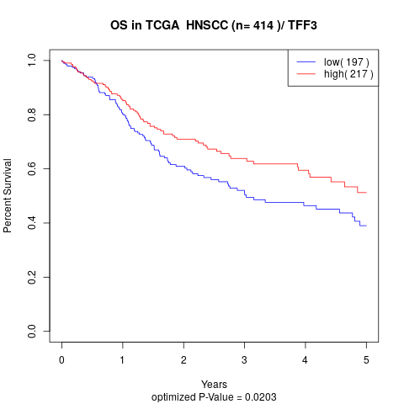

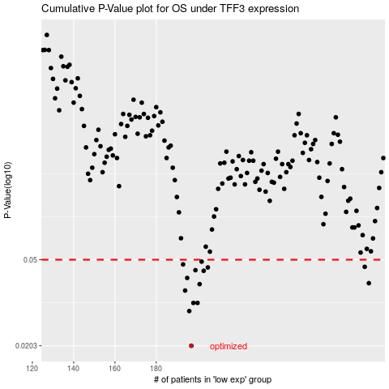

 |  |  |  |  |  | cases_OS | p_OS | rank | exp
 |  |  |  |  |  | 197 | 0.0203 | 183 | -0.12645405621
 |  |  |  |  |  | 196 | 0.0292 | 344 | -0.12646136464
 |  |  |  |  |  | 200 | 0.0318 | 119 | -0.12636405968
 |  |  |  |  |  | 198 | 0.0318 | 368 | -0.12645337022
 |  |  |  |  |  | 194 | 0.0362 | 383 | -0.12651080864
 |  |  |  |  |  | 201 | 0.0387 | 44 | -0.12635292554
 |  |  |  |  |  | 283 | 0.0391 | 362 | -0.11949398119
 |  |  |  |  |  | 195 | 0.0413 | 394 | -0.12649286738
 |  |  |  |  |  | 203 | 0.0445 | 45 | -0.12630472159
 |  |  |  |  |  | 199 | 0.0448 | 85 | -0.1263914201
 |  |  |  |  |  | 205 | 0.0461 | 407 | -0.12622934191
 |  |  |  |  |  | 281 | 0.0464 | 174 | -0.11964764282
 |  |  |  |  |  | 193 | 0.0476 | 52 | -0.12652645448
 |  |  |  |  |  | 202 | 0.049 | 256 | -0.12632701625
 |  |  |  |  |  |  | cases_RFS | p_RFS | rank | exp
 |  |  |  |  |  |  | 196 | 0.0203 | 344 | -0.12646136464
 |  |  |  |  |  |  | 195 | 0.0292 | 394 | -0.12649286738
 |  |  |  |  |  |  | 199 | 0.0318 | 85 | -0.1263914201
 |  |  |  |  |  |  | 197 | 0.0318 | 183 | -0.12645405621
 |  |  |  |  |  |  | 193 | 0.0362 | 52 | -0.12652645448
 |  |  |  |  |  |  | 200 | 0.0387 | 119 | -0.12636405968
 |  |  |  |  |  |  | 282 | 0.0391 | 413 | -0.11949643492
 |  |  |  |  |  |  | 194 | 0.0413 | 383 | -0.12651080864
 |  |  |  |  |  |  | 202 | 0.0445 | 256 | -0.12632701625
 |  |  |  |  |  |  | 198 | 0.0448 | 368 | -0.12645337022
 |  |  |  |  |  |  | 204 | 0.0461 | 180 | -0.12626725602
 |  |  |  |  |  |  | 280 | 0.0464 | 287 | -0.11973062115
 |  |  |  |  |  |  | 192 | 0.0476 | 207 | -0.12652785284
 |  |  |  |  |  |  | 201 | 0.049 | 44 | -0.12635292554

