TFPT _multivariate
Reported by Tex Li-Hsing Chi. tex@gate.sinica.edu.tw 2019-08-15

Table 2. The clinicopathological features of HNSCC cohort and TFPT expression. (Chi square test)
Cutoff at -0.254 (50.0%)
 |  | TFPT expression |  | TFPT expression |  | (Optimised)
 | Features | Low | (%) | High | (%) | Case no | P-value | Remark | Matthews
Gender | Female | 150 | 36.1 | 156 | 37.6 | 415 | 0.6344 | 0 | 0
2 | Male | 57 | 13.7 | 52 | 12.5
Age at diagnosis | <=65y | 139 | 33.5 | 135 | 32.5 | 415 | 0.7044 | 0 | 0
4 | >65y | 68 | 16.4 | 73 | 17.6
Clinical T Status | T1+T2 | 68 | 16.4 | 81 | 19.5 | 415 | 0.2336 | 0 | 0
6 | T3+T4 | 139 | 33.5 | 127 | 30.6
Clinical N Status | N0 | 113 | 27.2 | 103 | 24.8 | 415 | 0.3495 | 1 | 0
8 | N1-3 | 94 | 22.7 | 105 | 25.3
Clinical M Status | M0 | 206 | 49.6 | 206 | 49.6 | 415 | 1 | 0 | 0
10 | M1 | 1 | 0.2 | 2 | 0.5
Clinical Stage | Stage I+II | 47 | 11.3 | 55 | 13.3 | 415 | 0.4413 | 0 | 0
12 | Stage III+IV | 160 | 38.6 | 153 | 36.9
Surgical Margin status | Negative | 163 | 39.3 | 155 | 37.3 | 415 | 0.3537 | 0 | 0
14 | Positive | 44 | 10.6 | 53 | 12.8
Tobacco Exposure | Low | 77 | 18.6 | 84 | 20.2 | 415 | 0.5459 | 0 | 0
16 | High | 130 | 31.3 | 124 | 29.9

Table 3. Univariate/Multivariate Cox's proportional hazards regression analyses on OS time of TFPT gene expression in HNSCC

 |  | Univariate |  |  |  | Multivariate
 | Features | HR | CI95%(L) | CI95%(H) | P-value | HR | CI95%(L) | CI95%(H) | P-value
1 | Female | 1 |  |  |  | 1
Gender | Male | 1.157 | 0.843 | 1.587 | 0.367 | 1.198 | 0.857 | 1.674 | 0.29
11 | <=65y | 1 |  |  |  | 1
Age at diagnosis | >65y | 1.329 | 0.99 | 1.784 | 0.058 | 1.4 | 1.029 | 1.904 | 0.032
12 | T1+T2 | 1 |  |  |  | 1
Clinical T Status | T3+T4 | 1.409 | 1.028 | 1.931 | 0.033 | 2.196 | 1.161 | 4.152 | 0.015
13 | N0 | 1 |  |  |  | 1
Clinical N Status | N1-3 | 1.185 | 0.89 | 1.577 | 0.246 | 1.266 | 0.883 | 1.815 | 0.199
14 | M0 | 1 |  |  |  | 1
Clinical M Status | M1 | 4.097 | 1.009 | 16.644 | 0.049 | 9.617 | 2.095 | 44.143 | 0.004
15 | Stage I+II | 1 |  |  |  | 1
Clinical Stage | Stage III+IV | 1.245 | 0.882 | 1.759 | 0.213 | 0.498 | 0.232 | 1.07 | 0.074
16 | Negative | 1 |  |  |  | 1
Surgical Margin status | Positive | 1.591 | 1.155 | 2.191 | 0.004 | 1.678 | 1.214 | 2.319 | 0.002
17 | Low | 1 |  |  |  | 1
Tobacco Exposure | High | 1.364 | 1.008 | 1.844 | 0.044 | 1.454 | 1.055 | 2.005 | 0.022
18 | Low | 1 |  |  |  | 1
RNAseq(z-score) | High | 0.934 | 0.701 | 1.245 | 0.642 | 0.903 | 0.674 | 1.21 | 0.495

Table 4. Univariate/Multivariate Cox's proportional hazards regression analyses on RFS time of TFPT gene expression in HNSCC

 |  | Univariate |  |  |  | Multivariate
 | Features | HR | CI95%(L) | CI95%(H) | P-value | HR | CI95%(L) | CI95%(H) | P-value
1 | Female | 1 |  |  |  | 1
Gender | Male | 1.157 | 0.843 | 1.587 | 0.367 | 1.198 | 0.857 | 1.674 | 0.29
11 | <=65y | 1 |  |  |  | 1
Age at diagnosis | >65y | 1.329 | 0.99 | 1.784 | 0.058 | 1.4 | 1.029 | 1.904 | 0.032
12 | T1+T2 | 1 |  |  |  | 1
Clinical T Status | T3+T4 | 1.409 | 1.028 | 1.931 | 0.033 | 2.196 | 1.161 | 4.152 | 0.015
13 | N0 | 1 |  |  |  | 1
Clinical N Status | N1-3 | 1.185 | 0.89 | 1.577 | 0.246 | 1.266 | 0.883 | 1.815 | 0.199
14 | M0 | 1 |  |  |  | 1
Clinical M Status | M1 | 4.097 | 1.009 | 16.644 | 0.049 | 9.617 | 2.095 | 44.143 | 0.004
15 | Stage I+II | 1 |  |  |  | 1
Clinical Stage | Stage III+IV | 1.245 | 0.882 | 1.759 | 0.213 | 0.498 | 0.232 | 1.07 | 0.074
16 | Negative | 1 |  |  |  | 1
Surgical Margin status | Positive | 1.591 | 1.155 | 2.191 | 0.004 | 1.678 | 1.214 | 2.319 | 0.002
17 | Low | 1 |  |  |  | 1
Tobacco Exposure | High | 1.364 | 1.008 | 1.844 | 0.044 | 1.454 | 1.055 | 2.005 | 0.022
18 | Low | 1 |  |  |  | 1
RNAseq(z-score) | High | 0.934 | 0.701 | 1.245 | 0.642 | 0.903 | 0.674 | 1.21 | 0.495

Kaplan-Meier survival estimate: Cutoff at -0.254 (50.0%)



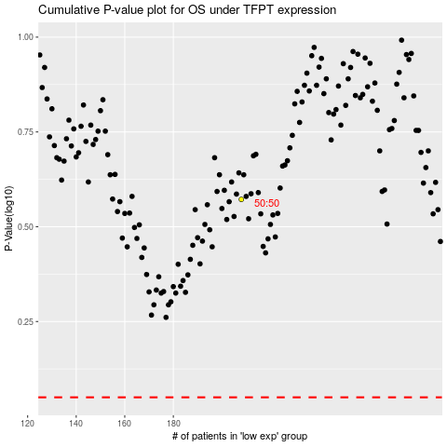

 |  |  |  |  |  | cases_OS | p_OS | rank | exp
 |  |  |  |  |  |  | cases_RFS | p_RFS | rank | exp

