TGFB1 _multivariate
Reported by Tex Li-Hsing Chi. tex@gate.sinica.edu.tw 2019-08-15

Table 2. The clinicopathological features of HNSCC cohort and TGFB1 expression. (Chi square test)
Cutoff at -0.34 (30.2%)
 |  | TGFB1 expression |  | TGFB1 expression |  | (Optimised)
 | Features | Low | (%) | High | (%) | Case no | P-value | Remark | Matthews
Gender | Female | 97 | 23.4 | 209 | 50.4 | 415 | 0.2923 | 0 | 0
2 | Male | 28 | 6.7 | 81 | 19.5
Age at diagnosis | <=65y | 88 | 21.2 | 186 | 44.8 | 415 | 0.2615 | 0 | 0
4 | >65y | 37 | 8.9 | 104 | 25.1
Clinical T Status | T1+T2 | 52 | 12.5 | 97 | 23.4 | 415 | 0.1398 | 0 | 0
6 | T3+T4 | 73 | 17.6 | 193 | 46.5
Clinical N Status | N0 | 62 | 14.9 | 154 | 37.1 | 415 | 0.5835 | 0 | 0
8 | N1-3 | 63 | 15.2 | 136 | 32.8
Clinical M Status | M0 | 125 | 30.1 | 287 | 69.2 | 415 | 0.5571 | 0 | 0
10 | M1 | 0 | 0 | 3 | 0.7
Clinical Stage | Stage I+II | 29 | 7 | 73 | 17.6 | 415 | 0.7612 | 0 | 0
12 | Stage III+IV | 96 | 23.1 | 217 | 52.3
Surgical Margin status | Negative | 91 | 21.9 | 227 | 54.7 | 415 | 0.2554 | 0 | 0
14 | Positive | 34 | 8.2 | 63 | 15.2
Tobacco Exposure | Low | 47 | 11.3 | 114 | 27.5 | 415 | 0.8263 | 0 | 0
16 | High | 78 | 18.8 | 176 | 42.4

Table 3. Univariate/Multivariate Cox's proportional hazards regression analyses on OS time of TGFB1 gene expression in HNSCC

 |  | Univariate |  |  |  | Multivariate
 | Features | HR | CI95%(L) | CI95%(H) | P-value | HR | CI95%(L) | CI95%(H) | P-value
1 | Female | 1 |  |  |  | 1
Gender | Male | 1.157 | 0.843 | 1.587 | 0.367 | 1.185 | 0.848 | 1.655 | 0.321
11 | <=65y | 1 |  |  |  | 1
Age at diagnosis | >65y | 1.329 | 0.99 | 1.784 | 0.058 | 1.413 | 1.04 | 1.921 | 0.027
12 | T1+T2 | 1 |  |  |  | 1
Clinical T Status | T3+T4 | 1.409 | 1.028 | 1.931 | 0.033 | 2.03 | 1.071 | 3.846 | 0.03
13 | N0 | 1 |  |  |  | 1
Clinical N Status | N1-3 | 1.185 | 0.89 | 1.577 | 0.246 | 1.258 | 0.882 | 1.796 | 0.205
14 | M0 | 1 |  |  |  | 1
Clinical M Status | M1 | 4.097 | 1.009 | 16.644 | 0.049 | 7.741 | 1.678 | 35.719 | 0.009
15 | Stage I+II | 1 |  |  |  | 1
Clinical Stage | Stage III+IV | 1.245 | 0.882 | 1.759 | 0.213 | 0.562 | 0.26 | 1.211 | 0.141
16 | Negative | 1 |  |  |  | 1
Surgical Margin status | Positive | 1.591 | 1.155 | 2.191 | 0.004 | 1.687 | 1.222 | 2.329 | 0.001
17 | Low | 1 |  |  |  | 1
Tobacco Exposure | High | 1.364 | 1.008 | 1.844 | 0.044 | 1.426 | 1.035 | 1.964 | 0.03
18 | Low | 1 |  |  |  | 1
RNAseq(z-score) | High | 1.533 | 1.09 | 2.155 | 0.014 | 1.509 | 1.067 | 2.133 | 0.02

Table 4. Univariate/Multivariate Cox's proportional hazards regression analyses on RFS time of TGFB1 gene expression in HNSCC

 |  | Univariate |  |  |  | Multivariate
 | Features | HR | CI95%(L) | CI95%(H) | P-value | HR | CI95%(L) | CI95%(H) | P-value
1 | Female | 1 |  |  |  | 1
Gender | Male | 1.157 | 0.843 | 1.587 | 0.367 | 1.185 | 0.848 | 1.655 | 0.321
11 | <=65y | 1 |  |  |  | 1
Age at diagnosis | >65y | 1.329 | 0.99 | 1.784 | 0.058 | 1.413 | 1.04 | 1.921 | 0.027
12 | T1+T2 | 1 |  |  |  | 1
Clinical T Status | T3+T4 | 1.409 | 1.028 | 1.931 | 0.033 | 2.03 | 1.071 | 3.846 | 0.03
13 | N0 | 1 |  |  |  | 1
Clinical N Status | N1-3 | 1.185 | 0.89 | 1.577 | 0.246 | 1.258 | 0.882 | 1.796 | 0.205
14 | M0 | 1 |  |  |  | 1
Clinical M Status | M1 | 4.097 | 1.009 | 16.644 | 0.049 | 7.741 | 1.678 | 35.719 | 0.009
15 | Stage I+II | 1 |  |  |  | 1
Clinical Stage | Stage III+IV | 1.245 | 0.882 | 1.759 | 0.213 | 0.562 | 0.26 | 1.211 | 0.141
16 | Negative | 1 |  |  |  | 1
Surgical Margin status | Positive | 1.591 | 1.155 | 2.191 | 0.004 | 1.687 | 1.222 | 2.329 | 0.001
17 | Low | 1 |  |  |  | 1
Tobacco Exposure | High | 1.364 | 1.008 | 1.844 | 0.044 | 1.426 | 1.035 | 1.964 | 0.03
18 | Low | 1 |  |  |  | 1
RNAseq(z-score) | High | 1.533 | 1.09 | 2.155 | 0.014 | 1.509 | 1.067 | 2.133 | 0.02

Kaplan-Meier survival estimate: Cutoff at -0.34 (30.2%)

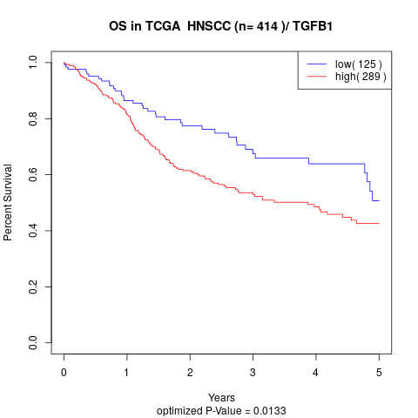

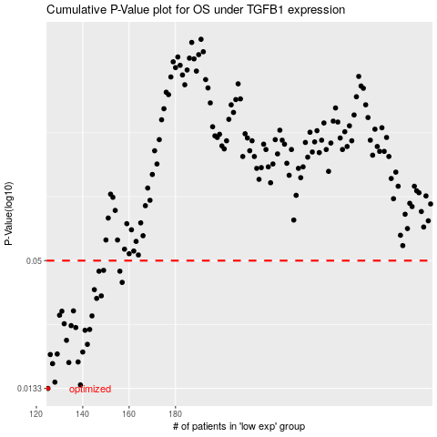

 |  |  |  |  |  | cases_OS | p_OS | rank | exp
 |  |  |  |  |  | 125 | 0.0133 | 138 | -0.34049507902
 |  |  |  |  |  | 139 | 0.0138 | 221 | -0.28766833799
 |  |  |  |  |  | 128 | 0.0142 | 325 | -0.33445072818
 |  |  |  |  |  | 127 | 0.0172 | 136 | -0.33602994529
 |  |  |  |  |  | 134 | 0.0174 | 201 | -0.31234780924
 |  |  |  |  |  | 138 | 0.0175 | 34 | -0.294396703
 |  |  |  |  |  | 126 | 0.0189 | 393 | -0.33793225152
 |  |  |  |  |  | 129 | 0.019 | 241 | -0.33224622914
 |  |  |  |  |  | 140 | 0.0194 | 338 | -0.28703637913
 |  |  |  |  |  | 142 | 0.021 | 240 | -0.28356777689
 |  |  |  |  |  | 133 | 0.0219 | 42 | -0.32177810442
 |  |  |  |  |  | 141 | 0.0243 | 269 | -0.28524523138
 |  |  |  |  |  | 143 | 0.0245 | 401 | -0.28123895097
 |  |  |  |  |  | 137 | 0.025 | 110 | -0.3004924291
 |  |  |  |  |  | 135 | 0.0255 | 278 | -0.30471336037
 |  |  |  |  |  | 132 | 0.026 | 47 | -0.32433128748
 |  |  |  |  |  | 144 | 0.0282 | 65 | -0.27677493006
 |  |  |  |  |  | 130 | 0.0284 | 228 | -0.33091486207
 |  |  |  |  |  | 131 | 0.0296 | 299 | -0.33000778905
 |  |  |  |  |  | 136 | 0.0297 | 39 | -0.3022784455
 |  |  |  |  |  | 146 | 0.0338 | 326 | -0.27572368485
 |  |  |  |  |  | 148 | 0.0347 | 258 | -0.2698124398
 |  |  |  |  |  | 145 | 0.037 | 22 | -0.2761902661
 |  |  |  |  |  | 157 | 0.0399 | 99 | -0.23168217358
 |  |  |  |  |  | 147 | 0.0448 | 50 | -0.2706169478
 |  |  |  |  |  | 156 | 0.0448 | 360 | -0.24447862962
 |  |  |  |  |  | 149 | 0.0452 | 377 | -0.26731106476
 |  |  |  |  |  |  | cases_RFS | p_RFS | rank | exp
 |  |  |  |  |  |  |  | 0.0133 | 270 | -0.34220325975
 |  |  |  |  |  |  | 138 | 0.0138 | 34 | -0.294396703
 |  |  |  |  |  |  | 127 | 0.0142 | 136 | -0.33602994529
 |  |  |  |  |  |  | 126 | 0.0172 | 393 | -0.33793225152
 |  |  |  |  |  |  | 133 | 0.0174 | 42 | -0.32177810442
 |  |  |  |  |  |  | 137 | 0.0175 | 110 | -0.3004924291
 |  |  |  |  |  |  | 125 | 0.0189 | 138 | -0.34049507902
 |  |  |  |  |  |  | 128 | 0.019 | 325 | -0.33445072818
 |  |  |  |  |  |  | 139 | 0.0194 | 221 | -0.28766833799
 |  |  |  |  |  |  | 141 | 0.021 | 269 | -0.28524523138
 |  |  |  |  |  |  | 132 | 0.0219 | 47 | -0.32433128748
 |  |  |  |  |  |  | 140 | 0.0243 | 338 | -0.28703637913
 |  |  |  |  |  |  | 142 | 0.0245 | 240 | -0.28356777689
 |  |  |  |  |  |  | 136 | 0.025 | 39 | -0.3022784455
 |  |  |  |  |  |  | 134 | 0.0255 | 201 | -0.31234780924
 |  |  |  |  |  |  | 131 | 0.026 | 299 | -0.33000778905
 |  |  |  |  |  |  | 143 | 0.0282 | 401 | -0.28123895097
 |  |  |  |  |  |  | 129 | 0.0284 | 241 | -0.33224622914
 |  |  |  |  |  |  | 130 | 0.0296 | 228 | -0.33091486207
 |  |  |  |  |  |  | 135 | 0.0297 | 278 | -0.30471336037
 |  |  |  |  |  |  | 145 | 0.0338 | 22 | -0.2761902661
 |  |  |  |  |  |  | 147 | 0.0347 | 50 | -0.2706169478
 |  |  |  |  |  |  | 144 | 0.037 | 65 | -0.27677493006
 |  |  |  |  |  |  | 156 | 0.0399 | 360 | -0.24447862962
 |  |  |  |  |  |  | 146 | 0.0448 | 326 | -0.27572368485
 |  |  |  |  |  |  | 155 | 0.0448 | 403 | -0.24496109948
 |  |  |  |  |  |  | 148 | 0.0452 | 258 | -0.2698124398

