TGFB1I1 _multivariate
Reported by Tex Li-Hsing Chi. tex@gate.sinica.edu.tw 2019-08-15

Table 2. The clinicopathological features of HNSCC cohort and TGFB1I1 expression. (Chi square test)
Cutoff at -0.184 (49.8%)
 |  | TGFB1I1 expression |  | TGFB1I1 expression |  | (Optimised)
 | Features | Low | (%) | High | (%) | Case no | P-value | Remark | Matthews
Gender | Female | 150 | 36.1 | 156 | 37.6 | 415 | 0.6344 | 0 | 0
2 | Male | 57 | 13.7 | 52 | 12.5
Age at diagnosis | <=65y | 141 | 34 | 133 | 32 | 415 | 0.4272 | 0 | 0
4 | >65y | 66 | 15.9 | 75 | 18.1
Clinical T Status | T1+T2 | 72 | 17.3 | 77 | 18.6 | 415 | 0.7095 | 0 | 0
6 | T3+T4 | 135 | 32.5 | 131 | 31.6
Clinical N Status | N0 | 109 | 26.3 | 107 | 25.8 | 415 | 0.8812 | 0 | 0
8 | N1-3 | 98 | 23.6 | 101 | 24.3
Clinical M Status | M0 | 204 | 49.2 | 208 | 50.1 | 415 | 0.1232 | 0 | 0
10 | M1 | 3 | 0.7 | 0 | 0
Clinical Stage | Stage I+II | 45 | 10.8 | 57 | 13.7 | 415 | 0.2202 | 0 | 0
12 | Stage III+IV | 162 | 39 | 151 | 36.4
Surgical Margin status | Negative | 155 | 37.3 | 163 | 39.3 | 415 | 0.4187 | 0 | 0
14 | Positive | 52 | 12.5 | 45 | 10.8
Tobacco Exposure | Low | 78 | 18.8 | 83 | 20 | 415 | 0.6873 | 0 | 0
16 | High | 129 | 31.1 | 125 | 30.1

Table 3. Univariate/Multivariate Cox's proportional hazards regression analyses on OS time of TGFB1I1 gene expression in HNSCC

 |  | Univariate |  |  |  | Multivariate
 | Features | HR | CI95%(L) | CI95%(H) | P-value | HR | CI95%(L) | CI95%(H) | P-value
1 | Female | 1 |  |  |  | 1
Gender | Male | 1.157 | 0.843 | 1.587 | 0.367 | 1.195 | 0.855 | 1.669 | 0.297
11 | <=65y | 1 |  |  |  | 1
Age at diagnosis | >65y | 1.329 | 0.99 | 1.784 | 0.058 | 1.405 | 1.033 | 1.911 | 0.03
12 | T1+T2 | 1 |  |  |  | 1
Clinical T Status | T3+T4 | 1.409 | 1.028 | 1.931 | 0.033 | 2.244 | 1.185 | 4.247 | 0.013
13 | N0 | 1 |  |  |  | 1
Clinical N Status | N1-3 | 1.185 | 0.89 | 1.577 | 0.246 | 1.262 | 0.883 | 1.803 | 0.202
14 | M0 | 1 |  |  |  | 1
Clinical M Status | M1 | 4.097 | 1.009 | 16.644 | 0.049 | 8.881 | 1.929 | 40.902 | 0.005
15 | Stage I+II | 1 |  |  |  | 1
Clinical Stage | Stage III+IV | 1.245 | 0.882 | 1.759 | 0.213 | 0.49 | 0.228 | 1.054 | 0.068
16 | Negative | 1 |  |  |  | 1
Surgical Margin status | Positive | 1.591 | 1.155 | 2.191 | 0.004 | 1.648 | 1.191 | 2.28 | 0.003
17 | Low | 1 |  |  |  | 1
Tobacco Exposure | High | 1.364 | 1.008 | 1.844 | 0.044 | 1.455 | 1.056 | 2.004 | 0.022
18 | Low | 1 |  |  |  | 1
RNAseq(z-score) | High | 0.862 | 0.647 | 1.149 | 0.312 | 0.872 | 0.651 | 1.168 | 0.359

Table 4. Univariate/Multivariate Cox's proportional hazards regression analyses on RFS time of TGFB1I1 gene expression in HNSCC

 |  | Univariate |  |  |  | Multivariate
 | Features | HR | CI95%(L) | CI95%(H) | P-value | HR | CI95%(L) | CI95%(H) | P-value
1 | Female | 1 |  |  |  | 1
Gender | Male | 1.157 | 0.843 | 1.587 | 0.367 | 1.195 | 0.855 | 1.669 | 0.297
11 | <=65y | 1 |  |  |  | 1
Age at diagnosis | >65y | 1.329 | 0.99 | 1.784 | 0.058 | 1.405 | 1.033 | 1.911 | 0.03
12 | T1+T2 | 1 |  |  |  | 1
Clinical T Status | T3+T4 | 1.409 | 1.028 | 1.931 | 0.033 | 2.244 | 1.185 | 4.247 | 0.013
13 | N0 | 1 |  |  |  | 1
Clinical N Status | N1-3 | 1.185 | 0.89 | 1.577 | 0.246 | 1.262 | 0.883 | 1.803 | 0.202
14 | M0 | 1 |  |  |  | 1
Clinical M Status | M1 | 4.097 | 1.009 | 16.644 | 0.049 | 8.881 | 1.929 | 40.902 | 0.005
15 | Stage I+II | 1 |  |  |  | 1
Clinical Stage | Stage III+IV | 1.245 | 0.882 | 1.759 | 0.213 | 0.49 | 0.228 | 1.054 | 0.068
16 | Negative | 1 |  |  |  | 1
Surgical Margin status | Positive | 1.591 | 1.155 | 2.191 | 0.004 | 1.648 | 1.191 | 2.28 | 0.003
17 | Low | 1 |  |  |  | 1
Tobacco Exposure | High | 1.364 | 1.008 | 1.844 | 0.044 | 1.455 | 1.056 | 2.004 | 0.022
18 | Low | 1 |  |  |  | 1
RNAseq(z-score) | High | 0.862 | 0.647 | 1.149 | 0.312 | 0.872 | 0.651 | 1.168 | 0.359

Kaplan-Meier survival estimate: Cutoff at -0.184 (49.8%)



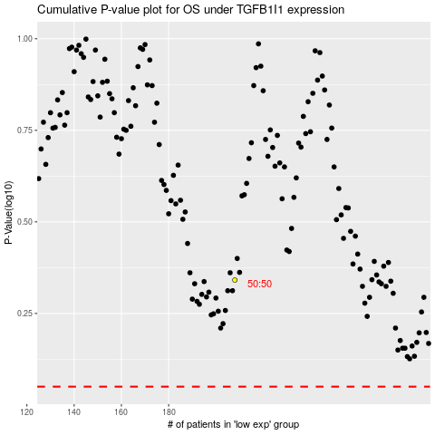

 |  |  |  |  |  | cases_OS | p_OS | rank | exp
 |  |  |  |  |  |  | cases_RFS | p_RFS | rank | exp

