TGFB2 _multivariate
Reported by Tex Li-Hsing Chi. tex@gate.sinica.edu.tw 2019-08-15

Table 2. The clinicopathological features of HNSCC cohort and TGFB2 expression. (Chi square test)
Cutoff at -0.225 (50.0%)
 |  | TGFB2 expression |  | TGFB2 expression |  | (Optimised)
 | Features | Low | (%) | High | (%) | Case no | P-value | Remark | Matthews
Gender | Female | 157 | 37.8 | 149 | 35.9 | 415 | 0.3881 | 0 | 0
2 | Male | 50 | 12 | 59 | 14.2
Age at diagnosis | <=65y | 136 | 32.8 | 138 | 33.3 | 415 | 0.9719 | 0 | 0
4 | >65y | 71 | 17.1 | 70 | 16.9
Clinical T Status | T1+T2 | 67 | 16.1 | 82 | 19.8 | 415 | 0.1628 | 0 | 0
6 | T3+T4 | 140 | 33.7 | 126 | 30.4
Clinical N Status | N0 | 108 | 26 | 108 | 26 | 415 | 1 | 0 | 0
8 | N1-3 | 99 | 23.9 | 100 | 24.1
Clinical M Status | M0 | 204 | 49.2 | 208 | 50.1 | 415 | 0.1232 | 0 | 0
10 | M1 | 3 | 0.7 | 0 | 0
Clinical Stage | Stage I+II | 44 | 10.6 | 58 | 14 | 415 | 0.1459 | 0 | 0
12 | Stage III+IV | 163 | 39.3 | 150 | 36.1
Surgical Margin status | Negative | 153 | 36.9 | 165 | 39.8 | 415 | 0.2036 | 0 | 0
14 | Positive | 54 | 13 | 43 | 10.4
Tobacco Exposure | Low | 75 | 18.1 | 86 | 20.7 | 415 | 0.3141 | 0 | 0
16 | High | 132 | 31.8 | 122 | 29.4

Table 3. Univariate/Multivariate Cox's proportional hazards regression analyses on OS time of TGFB2 gene expression in HNSCC

 |  | Univariate |  |  |  | Multivariate
 | Features | HR | CI95%(L) | CI95%(H) | P-value | HR | CI95%(L) | CI95%(H) | P-value
1 | Female | 1 |  |  |  | 1
Gender | Male | 1.157 | 0.843 | 1.587 | 0.367 | 1.204 | 0.862 | 1.682 | 0.276
11 | <=65y | 1 |  |  |  | 1
Age at diagnosis | >65y | 1.329 | 0.99 | 1.784 | 0.058 | 1.392 | 1.024 | 1.892 | 0.035
12 | T1+T2 | 1 |  |  |  | 1
Clinical T Status | T3+T4 | 1.409 | 1.028 | 1.931 | 0.033 | 2.196 | 1.161 | 4.153 | 0.016
13 | N0 | 1 |  |  |  | 1
Clinical N Status | N1-3 | 1.185 | 0.89 | 1.577 | 0.246 | 1.248 | 0.874 | 1.781 | 0.223
14 | M0 | 1 |  |  |  | 1
Clinical M Status | M1 | 4.097 | 1.009 | 16.644 | 0.049 | 8.952 | 1.94 | 41.312 | 0.005
15 | Stage I+II | 1 |  |  |  | 1
Clinical Stage | Stage III+IV | 1.245 | 0.882 | 1.759 | 0.213 | 0.497 | 0.231 | 1.067 | 0.073
16 | Negative | 1 |  |  |  | 1
Surgical Margin status | Positive | 1.591 | 1.155 | 2.191 | 0.004 | 1.662 | 1.202 | 2.298 | 0.002
17 | Low | 1 |  |  |  | 1
Tobacco Exposure | High | 1.364 | 1.008 | 1.844 | 0.044 | 1.449 | 1.051 | 1.997 | 0.023
18 | Low | 1 |  |  |  | 1
RNAseq(z-score) | High | 0.854 | 0.641 | 1.137 | 0.279 | 0.905 | 0.676 | 1.212 | 0.504

Table 4. Univariate/Multivariate Cox's proportional hazards regression analyses on RFS time of TGFB2 gene expression in HNSCC

 |  | Univariate |  |  |  | Multivariate
 | Features | HR | CI95%(L) | CI95%(H) | P-value | HR | CI95%(L) | CI95%(H) | P-value
1 | Female | 1 |  |  |  | 1
Gender | Male | 1.157 | 0.843 | 1.587 | 0.367 | 1.204 | 0.862 | 1.682 | 0.276
11 | <=65y | 1 |  |  |  | 1
Age at diagnosis | >65y | 1.329 | 0.99 | 1.784 | 0.058 | 1.392 | 1.024 | 1.892 | 0.035
12 | T1+T2 | 1 |  |  |  | 1
Clinical T Status | T3+T4 | 1.409 | 1.028 | 1.931 | 0.033 | 2.196 | 1.161 | 4.153 | 0.016
13 | N0 | 1 |  |  |  | 1
Clinical N Status | N1-3 | 1.185 | 0.89 | 1.577 | 0.246 | 1.248 | 0.874 | 1.781 | 0.223
14 | M0 | 1 |  |  |  | 1
Clinical M Status | M1 | 4.097 | 1.009 | 16.644 | 0.049 | 8.952 | 1.94 | 41.312 | 0.005
15 | Stage I+II | 1 |  |  |  | 1
Clinical Stage | Stage III+IV | 1.245 | 0.882 | 1.759 | 0.213 | 0.497 | 0.231 | 1.067 | 0.073
16 | Negative | 1 |  |  |  | 1
Surgical Margin status | Positive | 1.591 | 1.155 | 2.191 | 0.004 | 1.662 | 1.202 | 2.298 | 0.002
17 | Low | 1 |  |  |  | 1
Tobacco Exposure | High | 1.364 | 1.008 | 1.844 | 0.044 | 1.449 | 1.051 | 1.997 | 0.023
18 | Low | 1 |  |  |  | 1
RNAseq(z-score) | High | 0.854 | 0.641 | 1.137 | 0.279 | 0.905 | 0.676 | 1.212 | 0.504

Kaplan-Meier survival estimate: Cutoff at -0.225 (50.0%)



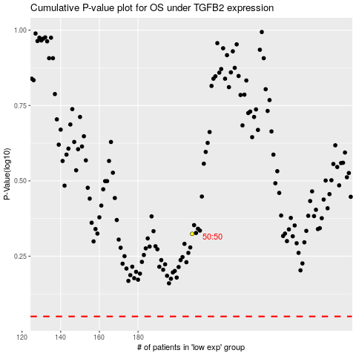

 |  |  |  |  |  | cases_OS | p_OS | rank | exp
 |  |  |  |  |  |  | cases_RFS | p_RFS | rank | exp

